Sheet1
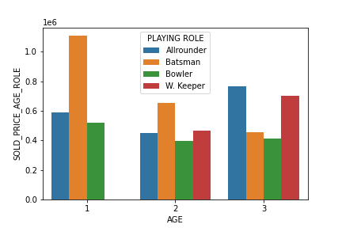
 | 0
AGE | 23
PLAYING ROLE | AllrounderBatsmanBowlerAllrounderBatsmanBowlerW. KeeperAllrounderBatsmanBowlerW. Keeper
SOLD_PRICE_AGE_ROLE | 6523768.472
SOLD_PRICE_AGE | 6179603.8206
change | 0.63702364355

