Sheet1
4K 16CH EMBEDDED Plug & Play POE NVR

Model #: NVR-6616P16

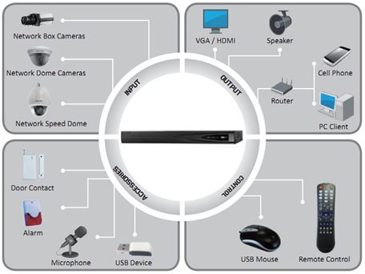

Features

● Up to 12 Megapixels resolution recording
● Support 1-ch HDMI, 1-ch VGA, HMDI at up to 4K(3840x2160)
● 160M incoming bandwidth
● Up to 2 SATA interfaces
● Plug & Play with up to 16 independent PoE network interfaces
● Support dual-os to ensure high reliablility of system running
● Support various VCA detection alarm and VCA search
● Support H.265/H.264/MPEG4 video formats

Technical Specifications
Model No. | NVR-6616P16
Video/Audio input
Video compression | H.264, H264+, H265
IP Video input | 16-ch
Incoming Bandwidth | 160 Mbps
Outgoing Bandwidth | 256 Mbps
Two-way audio input | 1-ch, RCA (2.0 Vp-p, 1 kΩ)
Video /Audio output
HDMI output | 1-ch, resolution: 4K(3840*2160)/60Hz,4 K(3840*2160)/30Hz,1920*1080P/60Hz, 1600*1200/60Hz, 1280*1024/60Hz, 1280*720/60Hz, 1024*768/60Hz
VGA output | 1-ch, resolution: 1920 x 1080P /60 Hz ,1600 x 1200 /60 Hz, 1280 x 1024 /60 Hz,1280 x 720 /60 Hz, 1024 x 768 /60 Hz
CVBS output | N/A
Video spot output | N/A
Encoding resolution | 12MP/8MP/6MP/5MP/4MP/3MP/1080p/UXGA/720p/VGA/4CIF/DCIF/2CIF/CIF
Frame rate | 30 fps
Video bit rate | 32 Kbps ~ 8192 Kbps, or user defined (Max. 8192 Kbps)
Audio output | 1-ch, RCA (Linear, 600 Ω)
Audio bit rate | 16 Kbps
Dual-stream | Support | (Sub-stream at CIF / QCIF: 30fps)
Stream type | Video, Video & Audio
Playback resolution | 12MP/8MP/6MP/5MP/4MP/3MP/1080p/UXGA/720p/VGA/4CIF/DCIF/2CIF/CIF
Synchronous playback | 8-ch 1080P
Hard Disk
SATA | 2 SATA interfaces
Capacity | Up to 6TB capacity for each disk
Interface
Network interface | 1 RJ-45 10 / 100 / 1000 Mbps self-adaptive Ethernet interface 8 independent 10 / 100 Mbps PoE Ethernet interfaces
Web Browser | IE 7, IE 8, IE 9, Chrome 8 +, Firefox 3.5 +, Safari 5 +
Serial interface | 1 RS-485 half-duplex interface
USB interface | 2 x USB2.0
Alarm in/out | N/A
General
Power supply | 12V DC
Consumption | ≤15 W
Working temperature | 14ᵒF - 131ᵒF
Working humidity | 10% ~ 90%
Chassis | 19-inch rack-mounted 1U chassis
Dimensions | 17.5x11.4x1.8 inch
Weight | < 2.2 Lb

 | 1. Network interfaces with PoE function
 | 2. Video out
 | 3. Audio out
 | 4. Audio in
 | 5. RS-232 Interface
 | 6. VGA Interface
 | 7. HDMI Interface
 | 8. LAN Interface
 | 9. RS-485 Interface, Alarm in and Alarm out
 | 10. Power Supply
 | 11. Power Switch
 | 12. USB Interface

We reserve the right to modify product design and specification without notice and whitout incurring any obligation

For more information please contact a DSS Sales Representative
Toll Free: 1.888.467.8812 ∙ Fax: 1.609.431.0932 ∙ Email: sales@dss-cctv.com
www.dss-cctv.com

