Dashboard
Nigerian Car Market

Average Vehicle Metrics: Nigerian Car Market
₦20.7M
132
(km)
8K
(hp)
2.2K
(cc)
Horse Power
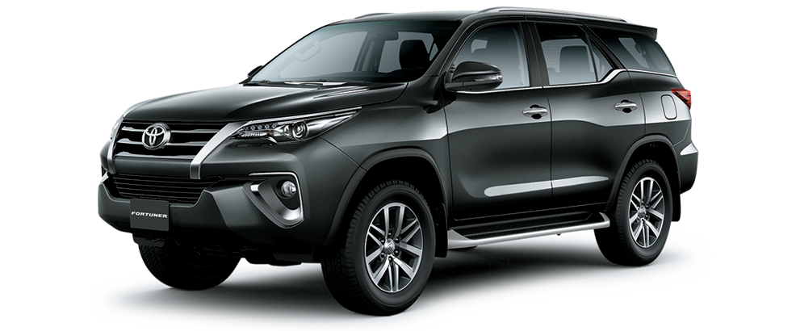
Price
Mileage
Engine size

Top 10 car models
 | Total
Changan | 1
Dongfeng | 1
Ford | 1
GAC | 5
Kia | 1
Land Rover | 1
Suzuki | 12
Toyota | 1
Top 10 colors
 | Total
Black | 4
Blue | 3
Brown | 2
Gold | 3
Red | 1
Silver | 6
White | 4

Drivers choise
 | Total
Automatic | 2702
Manual | 171

