Guidance
Risk and Opportunity Assessment and Treatment Tool
BCMS-FORM-08-2

Implementation guidance This Excel sheet must be removed from the final version of the document.

Design This spreadsheet has been designed using CertiKit's colour scheme. To choose a different table colour scheme, click in the table, select the Table Design menu tab and choose a different style. The same applies to the drop-down menu "slicers" at the top of the screen. Click in one slicer, then hold down the Shift key and click on the rest, one by one. This will select them all. Then click on the Slicer menu tab and choose a different style. You can also create your own table and slicer styles using your own colour scheme to reflect your organization's branding.

Purpose of this document This document should be used to perform a risk assessment, including assessing the expected effects of treatments.

Areas of the standard addressed The following areas of the ISO22301 standard are addressed: 6. Planning 6.1 Actions to address risks and opportunities 6.1.1 Determining risks and opportunities 6.1.2 Addressing risks and opportunities 8. Operation 8.2 Business impact analysis and risk assessment 8.2.3 Risk assessment

General guidance The key objective of the risk assessment is to ensure that all of the serious risks that need treatment are identified so that something can be done about them. Be careful not to make your risk assessment too large or complicated as much of the impact will be lost and it will be difficult to repeat at a later date. This workbook is intended to be used to assess the effects of the proposed treatments also. Those risks that have been treated but still retain an unacceptable level of residual risk may be good candidates for business continuity plans. The ISO22301 standard requires that opportunities are considered as well as risks. Opportunities are effectively "good risks" which, if they happen, are likely to have a positive effect on the BCMS. Examples of opportunities could include an increase in funding for business continuity, legislation that mandates suppliers to improve their business continuity controls or an improvement in technology that makes specific controls more effective (e.g. better backups, higher reliability or improved monitoring). This tool may be used to assess the risks and opportunities for the BCMS itself (as required in section 6.1 of the ISO22301 standard), and the risks relating to the disruption of business activities (as required in section 8.2.3 of the ISO22301 standard). Note that supporting tabs may be hidden. These tabs contain data and reference tables and will need to be unhidden if you wish to make any changes. Right click on any tab and select "Unhide".

Review frequency It is a good idea to revisit this assessment on a regular basis and to ensure that new risks and oppportunities are identified and assessed.

Toolkit version number ISO22301 Toolkit Version 5

Copyright notice Except for any specifically identified third-party works included, this document has been authored by CertiKit, and is ©CertiKit except as stated below. CertiKit is a company registered in England and Wales with company number 6432088.

Licence terms This document is licensed on and subject to the standard licence terms of CertiKit, available on request, or by download from our website. All other rights are reserved. Unless you have purchased this product you only have an evaluation licence. If this product was purchased, a full licence is granted to the person identified as the licensee in the relevant purchase order. The standard licence terms include special terms relating to any third party copyright included in this document.

Disclaimer Please Note: Your use of and reliance on this document template is at your sole risk. Document templates are intended to be used as a starting point only from which you will create your own document and to which you will apply all reasonable quality checks before use. Therefore please note that it is your responsibility to ensure that the content of any document you create that is based on our templates is correct and appropriate for your needs and complies with relevant laws in your country. You should take all reasonable and proper legal and other professional advice before using this document. CertiKit makes no claims, promises, or guarantees about the accuracy, completeness, or adequacy of our document templates, assumes no duty of care to any person with respect its document templates or their contents, and expressly excludes and disclaims liability for any cost, expense, loss or damage suffered or incurred in reliance on our document templates, or in expectation of our document templates meeting your needs, including (without limitation) as a result of misstatements, errors and omissions in their contents.

Assessment Details
Risk and Opportunity Assessment and Treatment Tool
BCMS-FORM-08-2
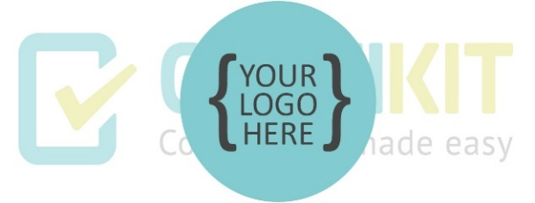

Assessment Details

Assessment Title | [Short, descriptive title]
Assessment Scope | [Describe the scope of the assessment - for example, location, process, assets]
Context of Assessment | [Describe the general environment in which the assessment is carried out and internal and external factors affecting it]
Risk Acceptance Criteria | [Set out the factors which will make a risk acceptable and therefore not require treatment]
Version | [Start at Version 1]
Dated | [Date the assessment was carried out]
Assessors | [Name and title of person(s) carrying out the assessment]
Assessment Participants | [Names and titles of people contributing to the assessment]
Approval | [Name and title of approver]
Date Approved | [Date the assessment was approved]

Dashboard
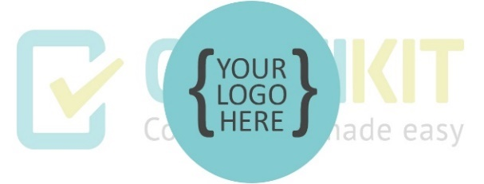

Business continuity risk assessment and opportunity dashboard

Note: To refresh data, click the Refresh All button on the Data ribbon.
Pre-treatment assessment |  |  |  |  |  |  |  | Post-treatment assessment
Number of risks by risk level pre and post treatment
 | Sum of Pre-Treatment | Sum of Post-Treatment
Low | 0 | 0
Medium | 0 | 0
High | 0 | 0
Number of post-treatment risks
 | Total
Low | 0
Medium | 0
High | 0
Pre-treatment risk levels by risk owner
 | Calculated
(blank) | 20
Number of pre-treatment risks
 | Total
Low | 0
Medium | 0
High | 0

Classification of risk and opportunity level |  |  |  |  |  |  |  | Risk profile diagram

The chart below shows the rating scheme used to determine risk and opportunity level based on a combination of likelihood and impact. |  |  |  |  |  |  |  | The charts below show the spread of risk severities before and after risk treatment.
LIKELIHOOD: What are the chances of the risk/opportunity event happening?
 | IMPACT: How major could the consequences be if the risk/opportunity event happened? |  |  |  |  |  |  | Pre-treatment |  |  |  |  |  |  | Post-treatment
 |  | INSIGNIFICANT 1 | MINOR 2 | SIGNIFICANT 3 | MAJOR 4 | SEVERE 5 | Risk Likelihood | 5 | 0 | 0 | 0 | 0 | 0 | Risk Likelihood | 5 | 0 | 0 | 0 | 0 | 0
 | ALMOST CERTAIN 5 | MEDIUM 5 | MEDIUM 10 | HIGH 15 | HIGH 20 | HIGH 25 |  | 4 | 0 | 0 | 0 | 0 | 0 |  | 4 | 0 | 0 | 0 | 0 | 0
 | LIKELY 4 | LOW 4 | MEDIUM 8 | HIGH 12 | HIGH 16 | HIGH 20 |  | 3 | 0 | 0 | 0 | 0 | 1 |  | 3 | 0 | 0 | 0 | 0 | 1
 | MODERATE 3 | LOW 3 | MEDIUM 6 | MEDIUM 9 | HIGH 12 | HIGH 15 |  | 2 | 0 | 0 | 0 | 0 | 0 |  | 2 | 0 | 0 | 0 | 0 | 0
 | UNLIKELY 2 | LOW 2 | LOW 4 | MEDIUM 6 | MEDIUM 8 | MEDIUM 10 |  | 1 | 0 | 0 | 0 | 0 | 0 |  | 1 | 0 | 0 | 0 | 0 | 0
 | RARE 1 | LOW 1 | LOW 2 | LOW 3 | LOW 4 | MEDIUM 5 |  |  | 1 | 2 | 3 | 4 | 5 |  |  | 1 | 2 | 3 | 4 | 5
 |  |  |  |  |  |  |  | Risk impact |  |  |  |  |  |  | Risk impact

Treatment plan
Risks by treatment option chosen
 | Total
Select…
Total treatment cost by risk level
 | Total
Calculated
Treatment action owner
 | Calculated
(blank)

Opportunity assessment

Opportunity levels by opportunity owner
 | Calculated
(blank) | 20
Opportunities by level and type
 | Total
Calculated | 20
Opportunity action owner
 | Calculated
(blank) | 20

