Summary
Category | Count
Passed | 0
Failed | 0
Skipped | 1
Total | 1
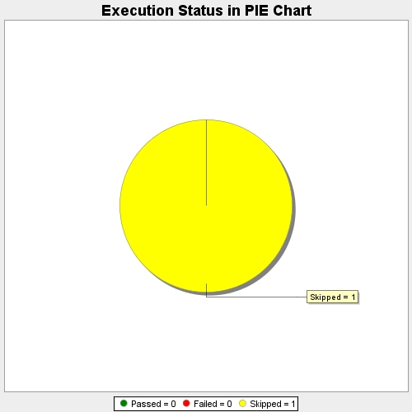
Start Time | 2021-06-06T12:52:19 IST
End Time | 2021-06-06T12:52:23 IST
Duration | 4193 ms

