BugReport
Bud_Id | Bug Name | Bug description | Steps to reproduce bug | Test Case Id: | Severity | Priority | Reproducibility | Status | ScreenShort
BG_FT_001 | Error Message For Negative Amount | when the user selects your account and to account correctly but enters negative amount and clicks on send money button it should display a alert with a message "Amount cannot be negative" but it displays "Amount not in range" | 1.Click on the your account no drop down and select the valid account number 2.Click on the account to transfer drop down and select the valid account number 3.Enter the Invalid amount (negative amount) to transfer | TC_OMT_007 | Critical/Major | High | Always | New
BG_FT_002 | Error Message For Alphanumeric Amount | when the user selects your account and to account correctly but enters alphanumetric as the amount and clicks on send money button it should display a alert with a message "Invalid amount" but it is not displaying the message instead it display a text box to enter the transaction password and Confirm transaction button. | 1.Click on the your account no drop down and select the valid account number 2.Click on the account to transfer drop down and select the valid account number 3.Enter the alphanumetric amount to transfer | TC_OMT_008 | Critical/Major | High | Always | New | 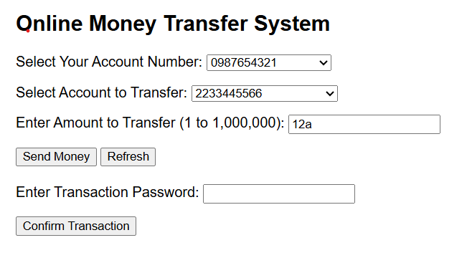
BG_FT_003 | Error Message For Numeric +Symbol Amount | when the user selects your account and to account correctly but enters number + symbol as the amount and clicks on send money button it should display a alert with a message "Invalid amount" but it is not displaying the message instead it display a text box to enter the transaction password and Confirm transaction button. | 1.Click on the your account no drop down and select the valid account number 2.Click on the account to transfer drop down and select the valid account number 3.Enter the number + symbol as the amount to transfer | TC_OMT_009 | Critical/Major | High | Always | New | 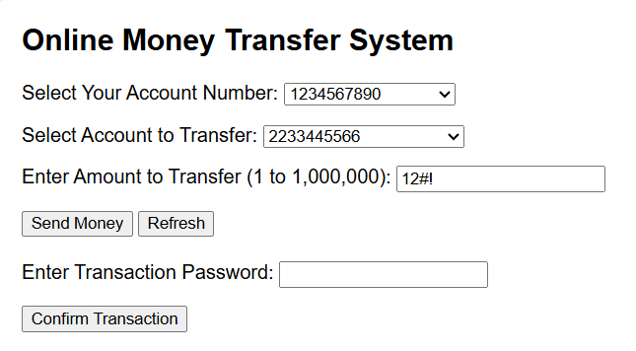
BG_FT_004 | Error Message For Alphabet + Number Amount | when the user selects your account and to account correctly but enters alphabet followed by a number as the amount and clicks on send money button it should display a alert with a message "Invalid amount" but it displays a alert with a message "Amount out of range" | 1.Click on the your account no drop down and select the valid account number 2.Click on the account to transfer drop down and select the valid account number 3.Enter the alphabet + number as the amount to transfer | TC_OMT_010 | Medium | Medium | Always | New
BG_FT_005 | Error Message For Symbol + Number Amount | when the user selects your account and to account correctly but enters symbol followed by a number as the amount and clicks on send money button it should display a alert with a message "Invalid amount" but it displays a alert with a message "Amount out of range" | 1.Click on the your account no drop down and select the valid account number 2.Click on the account to transfer drop down and select the valid account number 3.Enter the symbol + number as the amount to transfer | TC_OMT_011 | Medium | Medium | Always | New
BG_FT_006 | Error Message For Alphabet Amount | when the user selects your account and to account correctly but enters alphabets as the amount and clicks on send money button it should display a alert with a message "Invalid amount" but it displays a alert with a message "Amount out of range" | 1.Click on the your account no drop down and select the valid account number 2.Click on the account to transfer drop down and select the valid account number 3.Enter the alphabets as the amount to transfer | TC_OMT_012 | Medium | Medium | Always | New
BG_FT_007 | Error Message For Symbol Amount | when the user selects your account and to account correctly but enters symbol as the amount and clicks on send money button it should display a message "Invalid amount" but it displays a with a message "Amount out of range" | 1.Click on the your account no drop down and select the valid account number 2.Click on the account to transfer drop down and select the valid account number | TC_OMT_013 | Medium | Medium | Always | New
BG_FT_008 | Alphabets + Symbol Amount | when the user selects your account and to account correctly but enters alphabets + symbol as the amount and clicks on send money button it should display a message "Invalid amount" but it displays a with a message "Amount out of range" | 1.Click on the your account no drop down and select the valid account number 2.Click on the account to transfer drop down and select the valid account number 3.Enter the alphabets + symbol as the amount to transfer | TC_OMT_014 | Medium | Medium | Always | New
BG_FT_009 | Symbol + Alphabets | when the user selects your account and to account correctly but enters symbol + alphabets as the amount and clicks on send money button it should display a message "Invalid amount" but it displays a with a message "Amount out of range" | 1.Click on the your account no drop down and select the valid account number 2.Click on the account to transfer drop down and select the valid account number 3.Enter the symbol + alphabets as the amount to transfer | TC_OMT_015 | Medium | Medium | Always | New
BG_FT_010 | Alphabets + Symbol + Number | when the user selects your account and to account correctly but enters alphabets + symbol + numbers as the amount and clicks on send money button it should display a message "Invalid amount" but it displays a with a message "Amount out of range" | 1.Click on the your account no drop down and select the valid account number 2.Click on the account to transfer drop down and select the valid account number 3.Enter the as the alphabets + symbol + numbers amount to transfer | TC_OMT_016 | Medium | Medium | Always | New
BG_FT_011 | Symbol + Alphabets + Numbers | when the user selects your account and to account correctly but enters symbol + alphabets + numbers as the amount and clicks on send money button it should display a message "Invalid amount" but it displays a with a message "Amount out of range" | 1.Click on the your account no drop down and select the valid account number 2.Click on the account to transfer drop down and select the valid account number 3.Enter the symbol + alphabets + numbers as the amount to transfer | TC_OMT_017 | Medium | Medium | Always | New
BG_FT_012 | Numbers + Alphabets +Symbol | when the user selects your account and to account correctly but enters numbers + alphabets +symbol as the amount and clicks on send money button it should display a message "Invalid amount" but it is not displaying the message instead it display a text box to enter the transaction password and Confirm transaction button. | 1.Click on the your account no drop down and select the valid account number 2.Click on the account to transfer drop down and select the valid account number 3.Enter the numbers + alphabets +symbol as the amount to transfer | TC_OMT_018 | Critical/Major | High | Always | New | 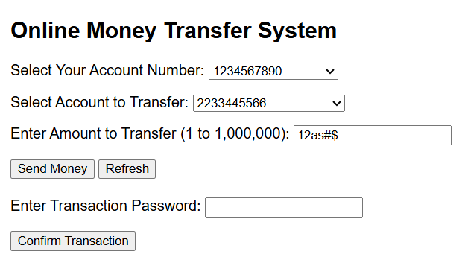
BG_FT_013 | Numbers + Symbol + Alphabets | when the user selects your account and to account correctly but enters numbers + symbol + alphabets as the amount and clicks on send money button it should display a message "Invalid amount" but it is not displaying the message instead it display a text box to enter the transaction password and Confirm transaction button. | 1.Click on the your account no drop down and select the valid account number 2.Click on the account to transfer drop down and select the valid account number 3.Enter the numbers + symbol + alphabets as the amount to transfer | TC_OMT_019 | Critical/Major | High | Always | New | 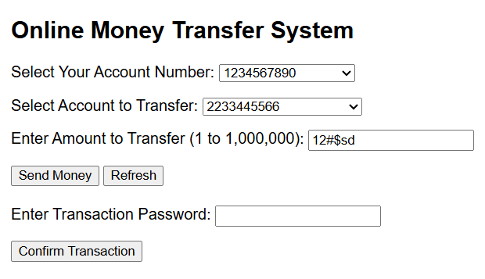
BG_FT_014 | Alphabets + Numbers + Symbol | when the user selects your account and to account correctly but enters alphabets + numbers + symbol as the amount and clicks on send money button it should display a message "Invalid amount" but it displays a with a message "Amount out of range" | 1.Click on the your account no drop down and select the valid account number 2.Click on the account to transfer drop down and select the valid account number 3.Enter the alphabets + numbers + symbol as the amount to transfer | TC_OMT_020 | Medium | Medium | Always | New
BG_FT_015 | Symbol + Numbers + Alphabets | when the user selects your account and to account correctly but enters symbol + numbers + alphabets as the amount and clicks on send money button it should display a message "Invalid amount" but it displays a with a message "Amount out of range" | 1.Click on the your account no drop down and select the valid account number 2.Click on the account to transfer drop down and select the valid account number 3.Enter the symbol + numbers + alphabets as the amount to transfer | TC_OMT_021 | Medium | Medium | Always | New
BG_FT_016 | Twice Decimal number | when the user selects your account and to account correctly but enters twice decimal number as the amount and clicks on send money button it should display a message "Invalid amount" but it is not displaying the message instead it display a text box to enter the transaction password and Confirm transaction button. | 1.Click on the your account no drop down and select the valid account number 2.Click on the account to transfer drop down and select the valid account number 3.Enter the twice decimal number as the amount to transfer | TC_OMT_022 | Critical/Major | High | Always | New | 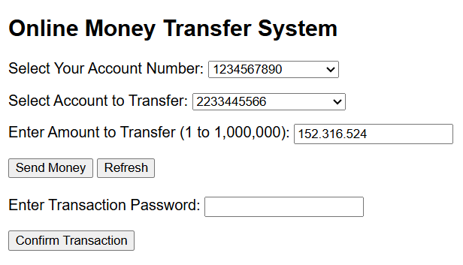
BG_FT_017 | Alphabets after Decimal number | when the user selects your account and to account correctly but enters alphabets after decimal number as the amount and clicks on send money button it should display a message "Invalid amount" but it is not displaying the message instead it display a text box to enter the transaction password and Confirm transaction button. | 1.Click on the your account no drop down and select the valid account number 2.Click on the account to transfer drop down and select the valid account number 3.Enter thealphabets after decimal number as the amount to transfer | TC_OMT_023 | Critical/Major | High | Always | New | 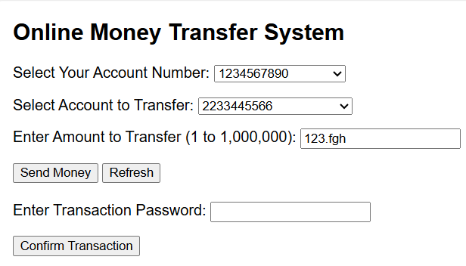
BG_FT_018 | Symbol after Decimal number | when the user selects your account and to account correctly but enters symbol after decimal number as the amount and clicks on send money button it should display a message "Invalid amount" but it is not displaying the message instead it display a text box to enter the transaction password and Confirm transaction button. | 1.Click on the your account no drop down and select the valid account number 2.Click on the account to transfer drop down and select the valid account number 3.Enter the symbol after decimal number as the amount to transfer | TC_OMT_024 | Critical/Major | High | Always | New | 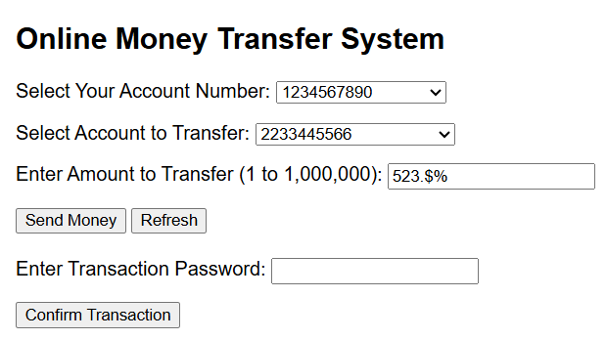
BG_FT_019 | Comma instead of decimal | when the user selects your account and to account correctly but enters comma instead of decimal number as the amount and clicks on send money button it should display a message "Invalid amount" but it is not displaying the message instead it display a text box to enter the transaction password and Confirm transaction button. | 1.Click on the your account no drop down and select the valid account number 2.Click on the account to transfer drop down and select the valid account number 3.Enter the comma instead of decimal as the amount to transfer | TC_OMT_025 | Critical/Major | High | Always | New | 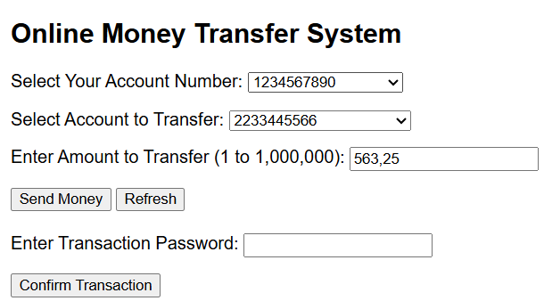
BG_FT_020 | Transaction Password Blank | when the user enters all the data and keeps transaction password blank and clicks on send money button it should display a message "Cannot be blank" but it displays a message Transaction Failed Incorrect Password | 1.Click on the your account no drop down and select the valid account number 2.Click on the account to transfer drop down and select the valid account number 3.Enter the valid amount to transfer 4.Click on the send money button 5.Keep transaction password blank | TC_OMT_026 | Critical/Major | High | Always | New | 