BUG REPORT
ORCHID MEDICITY
OS:WINDOWS , BROWSER:CHROME |  |  |  | TESTED BY:SAMILY
VERIFIED BY:RAKHY |  |  |  | DATE:15/09/2023

BUG REPORT
BUG ID | EXPECTED RESULT | BUG DESCRIPTION | STEPS TO REPRODUCE | SCREENSHOT | SEVERITY | PRIORITY | STATUS
DEF_ORM_01 | The sliding pictures along with the department name should display all | Shouldn't display all departments | 1.Click on the url of the website |  | Major | P1 | New
DEF_ORM_02 | Arrow marks should slide the text and image forward and backward | Shouldn't slide the text and image | 1.Click on the url of the website 2.Click on the Arrow option |  | Major | P1 | New
DEF_ORM_03 | Online appointment option should redirect to respective page | Shouldn't redirect to another page | 1.Click on the url of the website 2.Click on Online Appointment |  | Major | P1 | New
DEF_ORM_04 | Telephone appointment option should redirect to respective page | Shouldn't redirect to another page | 1.Click on the url of the website 2.Click on Telephone Appointment |  | Major | P1 | New
DEF_ORM_05 | Online enquiry option should redirect to respective page | Shouldn't redirect to another page | 1.Click on the url of the website 2.Click on Online Enquiry |  | Major | P1 | New
DEF_ORM_06 | News &Events page should display recents news and events | It display about urinary tract infection | 1.Click on the url of the website 2.Click on News &Events |  | Major | P1 | New
DEF_ORM_07 | The Description about urinary tract infection should give correct information | The description repeats again | 1.Click on the url of the website 2.Click on News &Events |  | Major | P1 | New
DEF_ORM_08 | The patients testimonials should alligned properly | The patients testimonials not alligned properly | 1.Click on the url of the website 2.Click on Patients Testimonials |  | Trivial | P3 | New
DEF_ORM_09 | There should be a option for rate the service | There is no option for rate the service | 1.Click on the url of the website 2.Click on Patients Testimonials |  | Enhancement | P4 | New
DEF_ORM_10 | The social medis icons should redirect to respective pages | Shouldn't redirect to another page | 1.Click on the url of the website 2.Click on the icons instagram,twitter,facebook |  | Major | P1 | New
DEF_ORM_11 | The options in the hamburger menu should not repeat | It repeats | 1.Click on the url of the website 2.Click on the hamburger menu |  | Minor | P2 | New
DEF_ORM_12 | Verify that the Our doctors section has view all docotrs button | Shouldn't have the button | 1.Click on the url of the website 2.Scroll Down | 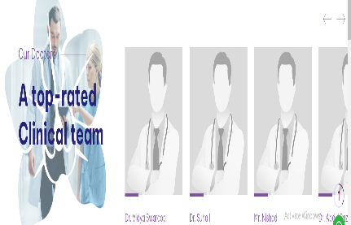 | Major | P1 | New
DEF_ORM_13 | The video given should play | Shouldn't play | 1.Click on the url of the website 2.Scroll Down 3.Click on the video paly button |  | Major | P1 | New
DEF_ORM_14 | View all news options Should give additonal news | Shouldn't display additional news | 1.Click on the url of the website 2.Scroll Down 3.Click on view all news |  | Major | P1 | New
DEF_ORM_15 | Read more option should describe the news | Shouldn't describe the news that much.Its about urinary tract infection | 1.Click on the url of the website 2.Scroll Down 3.Click on Read more |  | Major | P1 | New
DEF_ORM_16 | Site map,privacy policy,terms and conditions should redirect to appropriate pages | Shouldn't redirect to appropriate pages | 1.Click on the url of the website 2.Scroll Down 3.Click on the options sitemap,privacy policy,terms and conditions |  | Major | P1 | New
HAMBURGER
DEF_HAM_01 | The profile option should display the history and over view about the hospital | Shouldn’t display the history and over view in detail | 1.Click on the url of the website 2.Click on the hamburger menu 3.Click on the profile option | 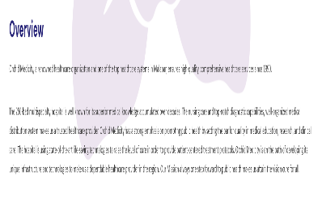 | Minor | P1 | New
DEF_HAM_02 | The gallery should display attractive images ,videos ,texts etc | Display two videos only | 1.Click on the url of the website 2.Click on the hamburger menu 3.Click on the gallery option |  | Major | P1 | New
DEF_HAM_03 | The video should have caption and thumbnail | Shouldn'nt have caption and thumbnail | 1.Click on the url of the website 2.Click on the hamburger menu 3.Click on the gallery option |  | Major | P1 | New
DEF_HAM_04 | Should not repeat the videos | The videos are just same | 1.Click on the url of the website 2.Click on the hamburger menu 3.Click on the gallery option | 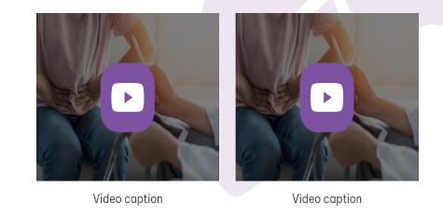 | Major | P1 | New
BOOK APPOINTMENT
DEF_BOOK_01 | The page should contain heading with a unique cover image | The cover image is same as the previous page | 1.Click on the url of the website 2.Click on book appointment button |  | Minor | P2 | New
DEF_BOOK_02 | The previous year and date should not select from the calender | It can select the previous year and date from the calender | 1.Click on the url of the website 2.Click on book appointment button |  | Minor | P2 | New
DEF_BOOK_03 | The state field should provide a dropdown box for selecting the state | It doesn't provide any dropdown box for selecting the state | 1.Click on the url of the website 2.Click on book appointment button |  | Minor | P2 | New
DEF_BOOK_04 | After submitting the form it should send a confirmation mail or sms to given mail id or phonenumber | After submitting the form it doesn't send any confirmation mail or sms to given mail id or phone number | 1.Click on the url of the website 2.Click on Book Appointment 3.Enter the required details 4.Click on the submit button |  | Major | P1 | New
DEF_BOOK_05 | It should not display the confirmation message mail send succesfully when previous date pass | It display the confirmation message mail send succesfully | 1.Click on the url of the website 2.Click on Book Appointment 3.Enter the required details 4.Click on the submit button |  | Major | P1 | New
DEF_BOOK_06 | It should not display the confirmation message mail send succesfully when invalid phone number and mail id pass | It display the confirmation message mail send succesfully | 1.Click on the url of the website 2.Click on Book Appointment 3.Enter the required details 4.Click on the submit button |  | Major | P1 | New
SPECIALITIES
DEF_SP_01 | The cover image of this page should be different than other images in the other pages | The cover image is same as the other pages | 1.Click on the url of the website 2.Click on our specialities button |  | Minor | P2 | New
DEF_SP_02 | The description about each department should be simple and allign in understandable form | The description about each department not alligned perfectly | 1.Click on the url of the website 2.Click on the our specialities option 3.Click on the view details. | 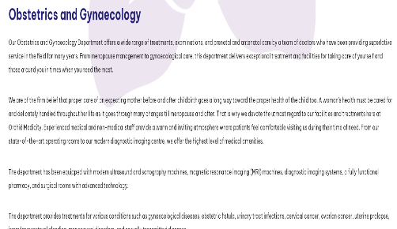 | Trivial | P3 | New
CONTACT
DEF_CN_01 | There should be a textinput box for enter country code with a dropdown box. | There is no textinput with dropdown box for enter country code. | 1.Click on the url of the website 2.Click on the hamburger menu 3.Click on the contact 4.Give details to Get in touch with us |  | Minor | P2 | New
DEF_CN_02 | After submitting the form it should send a confirmation mail or sms to given mail id or phonenumber | After submitting the form it doesn't send any confirmation mail or sms to given mail id or phone number | 1.Click on the url of the website 2.Click on the hamburger menu 3.Click on the contact 4.Give details to Get in touch with us 5.Click the submit button |  | Major | P1 | New
DEF_CN_03 | It should not display the confirmation message mail send succesfully when invalid phone number and mail id pass | It display the confirmation message mail send succesfully | 1.Click on the url of the website 2.Click on the hamburger menu 3.Click on the contact 4.Give details to Get in touch with us 5.Click the submit button |  | Major | P1 | New
DEF_CN_04 | Location button should redirect to google map | Not redirect to googlemap | 1.Click on the url of the website 2.Click on the hamburger menu 3.Click on the contact 4.Click the location button |  | Major | P1 | New
DEF_CN_05 | Call button should redirect to call option | Should not make calls | 1.Click on the url of the website 2.Click on the hamburger menu 3.Click on the contact 4.Click the call button |  | Major | P1 | New
DEF_CN_06 | Email button should redirect to mail | Only link redirect to mail | 1.Click on the url of the website 2.Click on the hamburger menu 3.Click on the contact 4.Click the email button |  | Major | P1 | New
DOCTORS
DEF_DR_01 | The page should contain heading with a cover image | The page contain heading but with same cover image in the previous page | 1.Click on the url of the website 2.Click on Our Doctors button |  | Minor | P2 | New
DEF_DR_02 | Should display all doctors photo | Shouldn't display all doctors photo | 1.Click on the url of the website 2.Click on Our Doctors button |  | Minor | P2 | New
DEF_DR_03 | The state field should provide a dropdown box for selecting the state | It doesn't provide any dropdown box for selecting the state | 1.Click on the url of the website 2.Click on Our Doctors 3.Click on Book Appointment |  | Minor | P2 | New
DEF_DR_04 | After submitting the form it should send a confirmation mail or sms to given mail id or phonenumber | After submitting the form it doesn't send any confirmation mail or sms to given mail id or phone number | 1.Click on the url of the website 2.Click on Book Appointment 3.Enter the required details 4.Click on the submit button |  | Major | P1 | New
DEF_DR_05 | It should not display the confirmation message mail send succesfully when invalid phone number and mail id pass | It display the confirmation message mail send succesfully | 1.Click on the url of the website 2.Click on Book Appointment 3.Enter the required details 4.Click on the submit button |  | Major | P1 | New
DEF_DR_06 | It should not display the confirmation message mail send succesfully when previous date pass | It display the confirmation message mail send succesfully | 1.Click on the url of the website 2.Click on Book Appointment 3.Enter the required details 4.Click on the submit button |  | Major | P1 | New

DEFECT DISTRIBUTION GRAPH
DEFECT DISTRIBUTION GRAPH

Module Name | Defect Distribution
Home | 17
Hamburger | 5
Book Appointment | 7
Specialities | 2
Contact | 8
Doctors | 9

