Scenario1
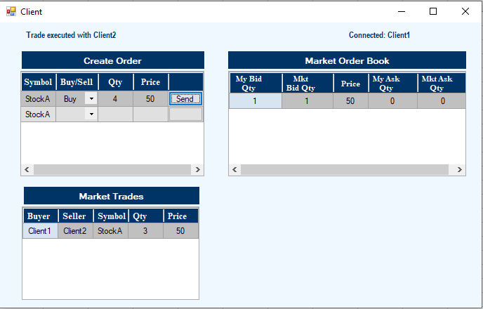
Scenario 1:

Trade Booking for Client 1

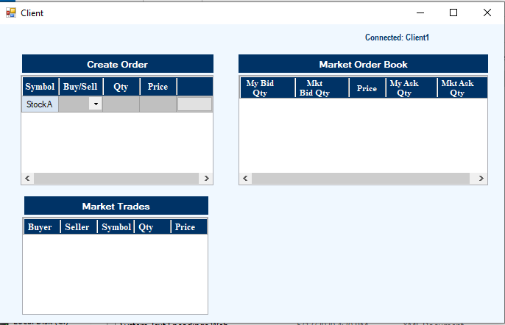

Client 1 has to buy 4 stocks at 50.

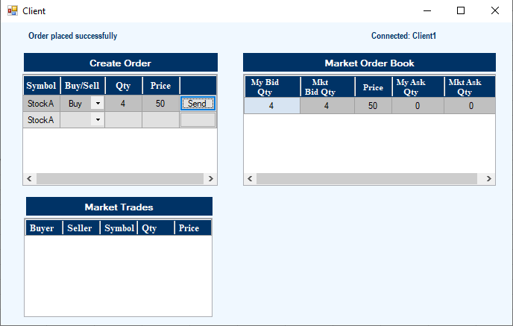

Client 2:
Client 2 has to sell 3 stocks at 50.

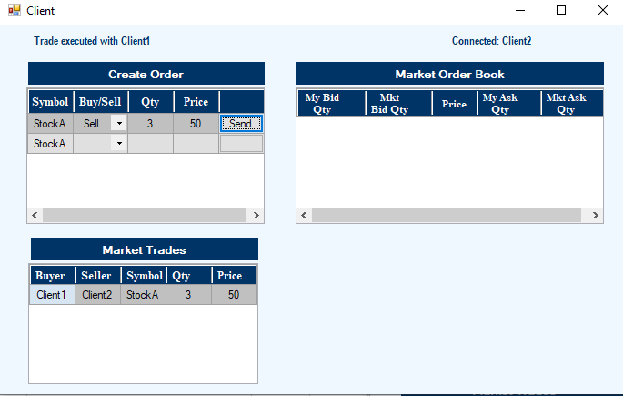

Market Order for Client1

Scenario2
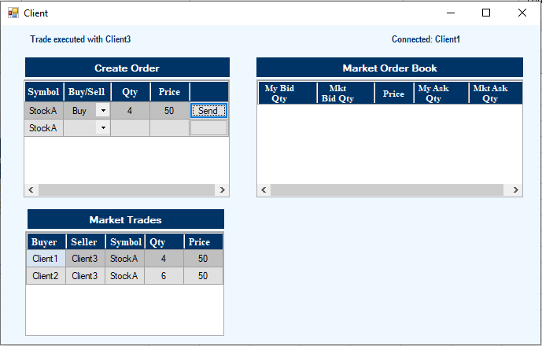
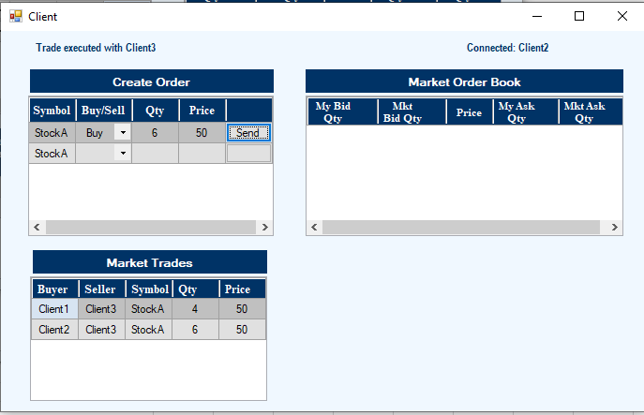
Scenario 2:

Client 1: Buy
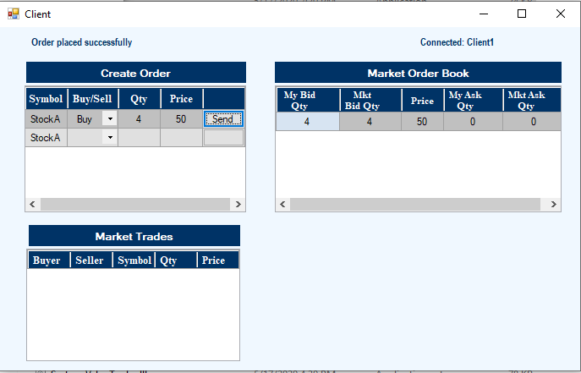

Client 2:Buy

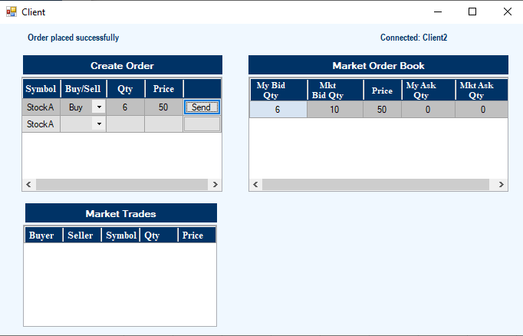

Client 3:Sell



Market Order Book for Client1 and Client2:

Scenario3
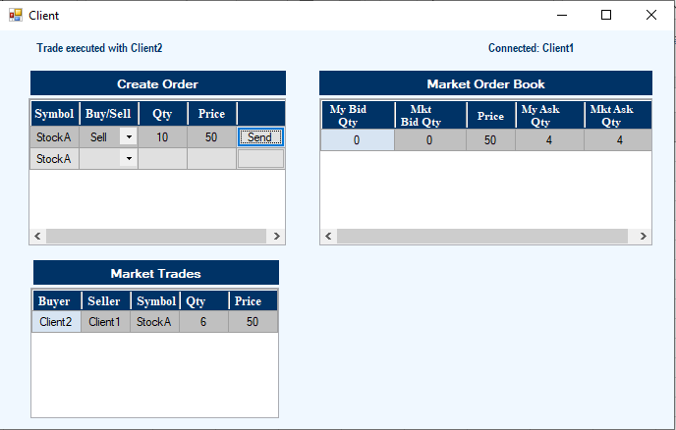
Scenario 3:

Client 1:Sell

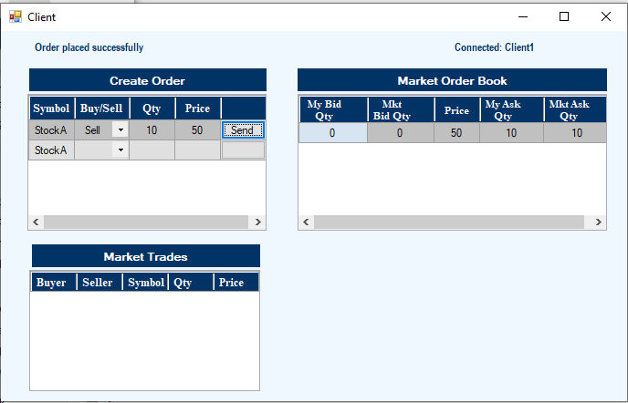

Client 2: Buy

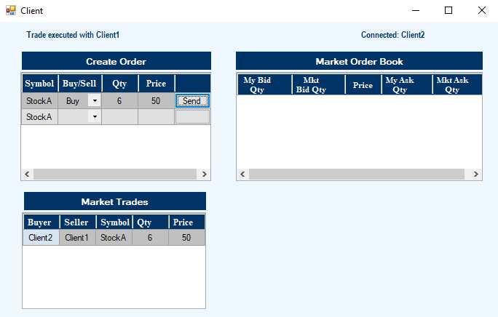

Client 1 Market Order Book:

Scenario4
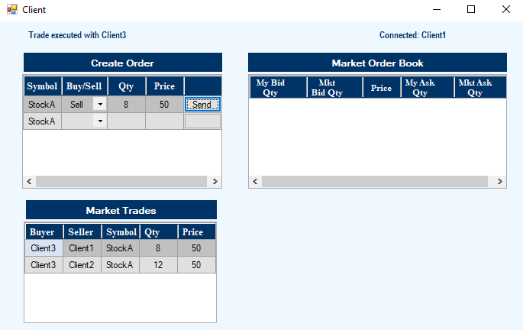

Scenario 4:

Client 1: Sell



Client 2: Sell



Client 3: Buy



Market Order Book for Client1 and Client2

Scenario5


Scenario 5:

Client 1: Buy



Client 2: Sell

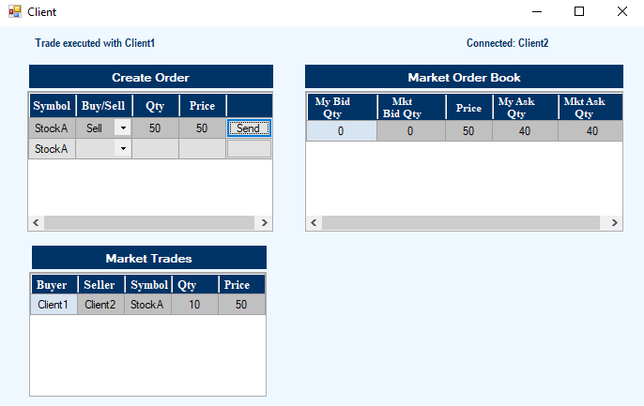

Client 3:Buy



Market Order Book for Client1 and Client2

Scenario6
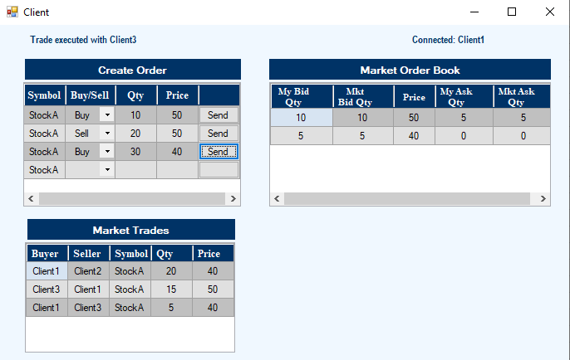
Scenario 6:

Client 1:Buy

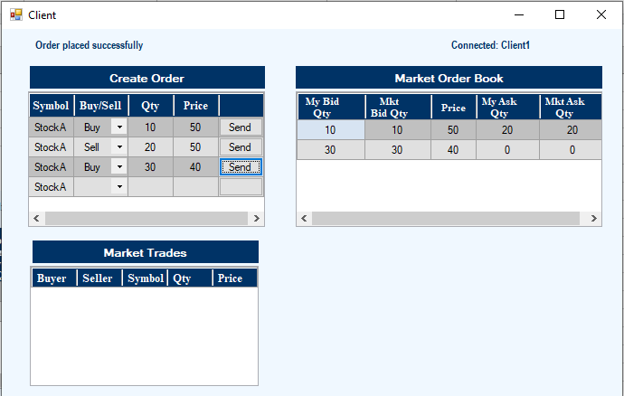

Client 2: Sell



Market Order Book for Client1

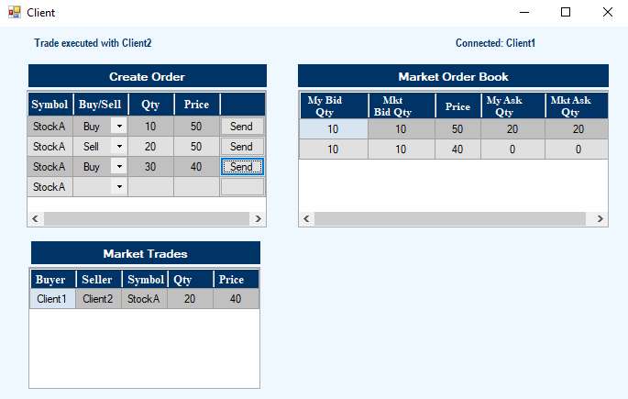

Client 3:Buy

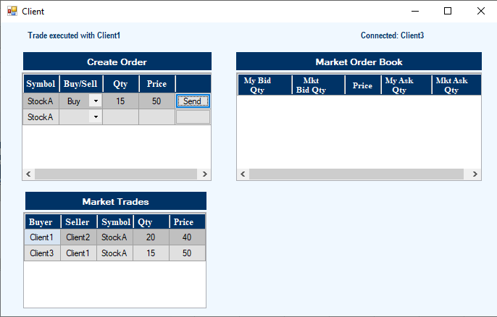

Market Book Order for Client1

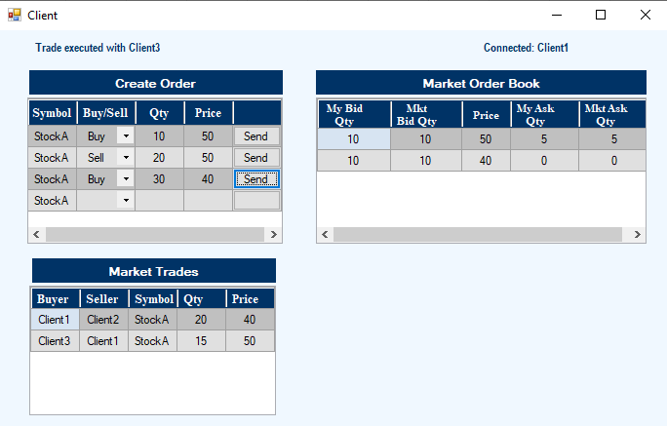

Client 3:Sell 5 @ 40

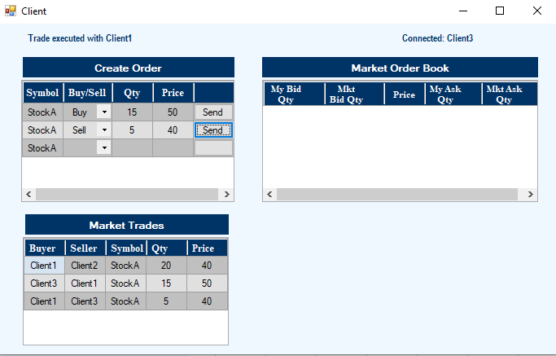

Market Book Order for Client1

