Test Cases
Project Name: ATM Machine
 | Test Case Template

 | Test Case ID: REQ-001_TC01 | Test Designed by: Samruddhi Naik
 | Test Priority (Low/Medium/High): High | Test Designed date:11/08/20
 | Module Name: Home Page | Test Executed by:
 | Test Title: Checking card detection | Test Execution date:
 | Description: Inserting ATM card with magnetic strip facing upwards to check if ATM machine gives the right message

Pre-conditions: | ATM is on and showing default screen with the message to insert the ATM card
Step | Test Steps | Test Data | Expected Result | Actual Result | Status (Pass/Fail) | Remarks
1 | Insert card with the side that has the magnetic strip upward, which is wrong way | ATM card | System should show message "card not detected" |  | blocked | Not developed yet

 | Test Case Template

 | Test Case ID: REQ-001_TC02 | Test Designed by: Samruddhi Naik
 | Test Priority (Low/Medium/High): High | Test Designed date:11/08/20
 | Module Name: Home Page | Test Executed by:Samruddhi Naik
 | Test Title: Testing ATM machine for an authorized card | Test Execution date:13/08/20
 | Description: Inserting an authorized ATM card to check if the home page is shown

Pre-conditions: | ATM is on and showing default screen with the message to insert the ATM card
Step | Test Steps | Test Data | Expected Result | Actual Result | Status (Pass/Fail) | Remarks
1 | Insert an authorized card in right way as shown on default screen | Authorized ATM card | System should show welcome message, and redirect to home page with correct user name | After Inserting authorized card system showed Good Morning message with Holder's name | pass

 |  |  | 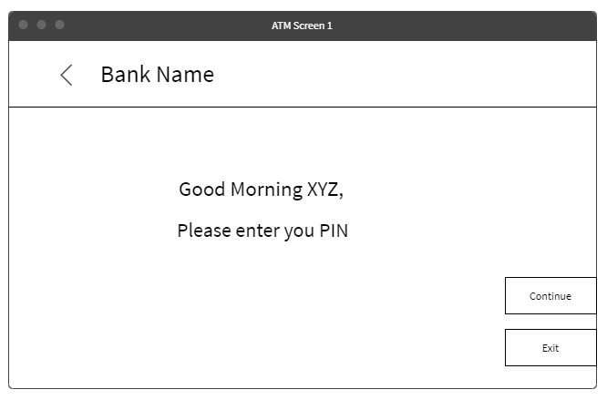
 | Test Case Template

 | Test Case ID: REQ-001_TC03 | Test Designed by: Samruddhi Naik
 | Test Priority (Low/Medium/High): High | Test Designed date:11/08/20
 | Module Name:Home Page | Test Executed by:
 | Test Title: Testing ATM machine with ATM card with damaged magnetic strip | Test Execution date:
 | Description: Inserting an authorized ATM card with damaged magnetic strip to check if machine is able to detect the card or not

Pre-conditions: | ATM is on and showing default screen with the message to insert the ATM card
Step | Test Steps | Test Data | Expected Result | Actual Result | Status (Pass/Fail) | Remarks
1 | Insert an authorized card with damaged magnetic strip | Authorized card with damaged magnetic strip | System should show message "Card not detected" |  | blocked

 | Test Case Template

 | Test Case ID: REQ-001_TC04 | Test Designed by: Samruddhi Naik
 | Test Priority (Low/Medium/High): High | Test Designed date:11/08/20
 | Module Name:Home Page | Test Executed by:samruddhi naik
 | Test Title: Testing ATM machine with ATM card of dormant account(Unsued for 24 Months) | Test Execution date:17/08/20
 | Description: Inserting an ATM card of Dormant account to check if the user is shown unauthorized card message

Pre-conditions: | ATM is on and showing default screen with the message to insert the ATM card
Step | Test Steps | Test Data | Expected Result | Actual Result | Status (Pass/Fail) | Remarks
1 | Insert an ATM card of Dormant account | ATM card of Dormant account | System should show message "Unauthorized Usage" | After Inserting unauthorized card system showed Good Afternoon message with Holder's name | Failed | Worked fine for 3 trials, failed on 4th try
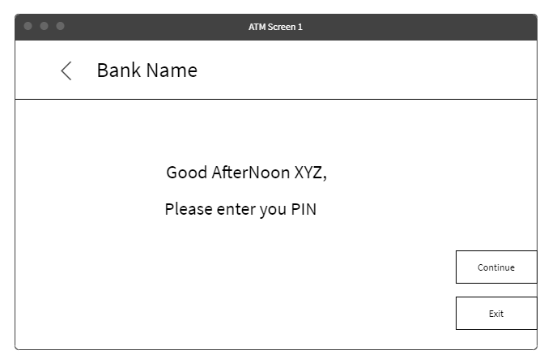

 | Test Case Template

 | Test Case ID: REQ-001_TC05 | Test Designed by: Samruddhi Naik
 | Test Priority (Low/Medium/High): High | Test Designed date:11/08/20
 | Module Name:Home Page | Test Executed by:samruddhi naik
 | Test Title: Testing ATM machine with blocked ATM card | Test Execution date:15/08/20
 | Description: Inserting a blocked ATM card in machine to check if user gets appropriate message

Pre-conditions: | ATM is on and showing default screen with the message to insert the ATM card
Step | Test Steps | Test Data | Expected Result | Actual Result | Status (Pass/Fail) | Remarks
1 | Insert a blocked ATM card | Blocked ATM card | System should show message "Unauthorized Usage" | After Inserting blocked card system showed welcome message with Holder's name | Failed | failed for all 5 attempts

 | Test Case Template

 | Test Case ID: REQ-001_TC06 | Test Designed by: Samruddhi Naik
 | Test Priority (Low/Medium/High): High | Test Designed date:11/08/20
 | Module Name:Home Page | Test Executed by:samruddhi naik
 | Test Title: Testing ATM machine with ATM card of Lien marked account | Test Execution date:14/08/20
 | Description: Inserting an ATM card of Lien marked account to check if machine is showing appropriate message

Pre-conditions: | ATM is on and showing default screen with the message to insert the ATM card
Step | Test Steps | Test Data | Expected Result | Actual Result | Status (Pass/Fail) | Remarks
1 | Insert an ATM card of Lien marked account | ATM card of Lien marked account | System should show message "Unauthorized Usage" | After Inserting authorized card system showed Good Morning message with Holder's name | Failed

 | Test Case Template

 | Test Case ID: REQ-001_TC07 | Test Designed by: Samruddhi Naik
 | Test Priority (Low/Medium/High): High | Test Designed date:11/08/20
 | Module Name:Home Page | Test Executed by:samruddhi naik
 | Test Title: Testing ATM machine with expired ATM card | Test Execution date:15/08/20
 | Description: Inserting an expired ATM card to check if machine is showing appropriate message

Pre-conditions: | ATM is on and showing default screen with the message to insert the ATM card
Step | Test Steps | Test Data | Expected Result | Actual Result | Status (Pass/Fail) | Remarks
1 | Insert an expired ATM card | expired ATM card | System should show message "Unauthorized Usage" | After Inserting expired card system showed Good Morning message with Holder's name | Failed

