PlateWd
a) Effective Plate Width (se)

The effective plate width for a continuous stiffener subjected to longitudinal and transverse stress and shear is calculated as follows:

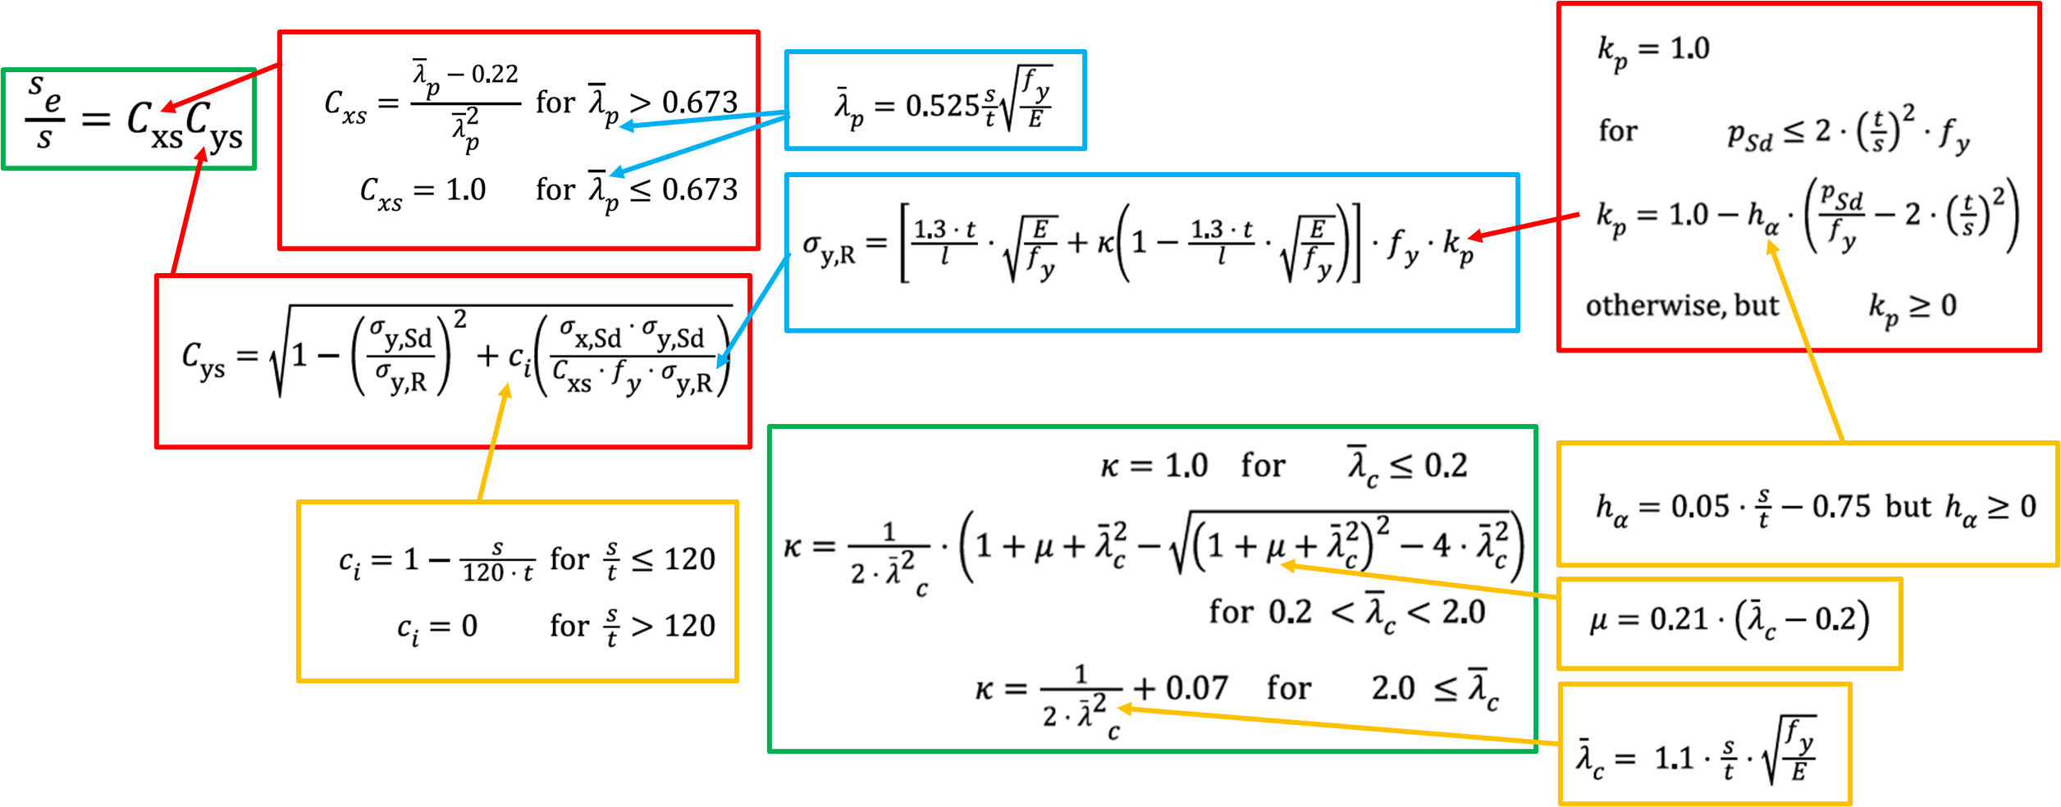
 |  |  |  |  |  |  |  |  |  |  |  | Known values
 |  |  |  |  |  |  |  |  |  |  |  | Calculated values
 |  |  |  |  |  |  |  |  |  |  |  | Final results

 | Known values: |  |  |  |  | Loadings:
 | l | 4000 | mm |  | Plate length or stiffener length | σx,Sd | 180 | MPa |  | Axial stress in plate and stiffener with compressive stresses as positive
 | s | 1000 | mm |  | Plate width or stiffener spacing | σy,Sd | 50 | MPa |  | Transverse stress in plate and stiffener
 | t | 20 | mm |  | Plate thickness | Psd | 150828.75 | Pa = N/m2 |  | Design lateral force, for this case is the hydrostatic pressure at d
 | ρw | 1025 | kg/m3 |  | Water density | Psd | 0.15082875 | MPa
 | g | 9.81 | m/s2 |  | Gravity acceleration
 | d | 15 | m |  | Hydrostatic pressure depth | Reduced plate slenderness:
$${\overline{λ}}_{c}$$
 | fy | 300 | MPa |  | Characteristic yield strength |  | 2.1301408404 |  |  | reduced plate slenderness in transverse direction
$${\overline{λ}}_{p}$$
 | E | 200 | GPa |  | Young's modulus of elasticity |  | 1.0166581284 |  |  | reduced plate slenderness in longitudinal direction

$${\overline{λ}}_{p}$$
 | Note: |  |  |  |  | Since | > | 0.673 | then | Cxs | 0.77076523381
 | s/t | 50
 | ci | 0.58333333333 |  |  |  | Cxs | 0.77076523381 |  |  | reduction factor due to stress in longitudinal direction

 | The reduction factor due to lateral load kp: |  |  |  |  | ha | 1.75
 | kp | 1 |  |  | reduction factor | kp | 1.0005201656
 |  |  |  |  |  | 2fy(t/s)2 | 0.24 |  | Psd | < | 2fy(t/s)2
 | μ | 0.40532957649
$${\overline{λ}}_{c}$$
1) | κ | 1 |  |  | < 0.2
$${\overline{λ}}_{c}$$
2) | κ | 0.19829143396 |  | 0.2 < | < 2.0
$${\overline{λ}}_{c}$$
3) | κ | 0.18019283747 |  |  | > 2.0
 |  |  |  |  |  | 1.3(t/l) sqrt(E/fy) | 0.16782927834
 | κ | 0.18019283747 |  |  | plate buckling resistance
 |  |  |  |  |  | σy,R | 95.334144578 | MPa

 | Finally |  |  |  |  | Cys | 0.98137116202 |  |  | reduction factor due to stresses in transverse direction
 | Se | 756.40677314 | mm |  | The effective plate width Se

axial_lateral_lds
b) Equivalent axial (Nsd) and lateral (qsd) loads

The equivalent axial force should be taken as
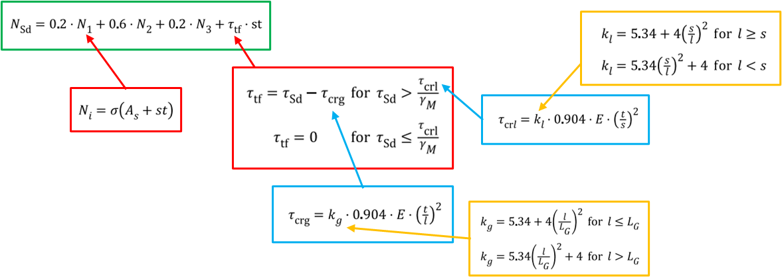
 |  |  |  |  |  |  |  |  |  |  | Known values
 |  |  |  |  |  |  |  |  |  |  | Calculated values
 |  |  |  |  |  |  |  |  |  |  | Final results

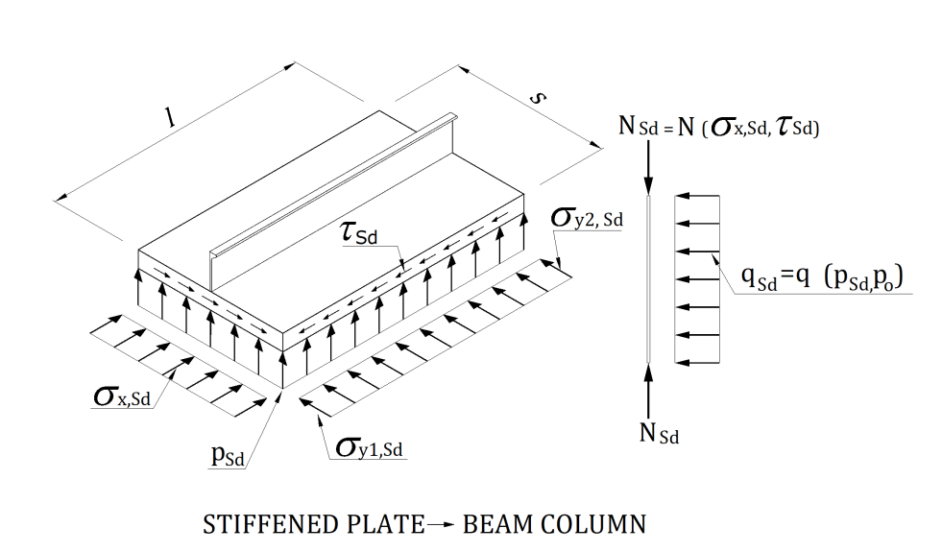

 | Known values: |  |  |  |  | Loadings:
 | l | 4000 | mm |  | Plate length or stiffener length | σx,Sd | 180 | MPa |  | Axial stress in plate and stiffener with compressive stresses as positive
 | s | 1000 | mm |  | Plate width or stiffener spacing | σy1,Sd | 50 | MPa |  | Transverse stress in plate and stiffener
 | t | 20 | mm |  | Plate thickness | σy2,Sd | 50 | MPa |  | Design shear stress
 | LG | 3000 | mm |  | Girder Length | τsd | 0 | MPa
 | Se | 756.41 | mm |  | Effective plate width | Psd | 0.15 | MPa
 | As + st | 27600 | mm2 |  | Area of stiffener + plate
 | fy | 300 | MPa |  | Characteristic yield strength
 | E | 200 | GPa |  | Young's modulus of elasticity | kl - buckling factor for plate between stiffeners |  |  | l >= s
 | γM | 1.15 |  |  | material factor | kl1 | 5.59 |  | l < s
 | Is | 665128696 | mm4 |  | Second moment of area with plate | kl2 | 4.33375
 | Wes | 1804044 | mm3 |  | Section modulus of stiffener with plate | kl | 5.59

 |  |  |  |  |  | KG - buckling factor for plate with stiffeners removed
 |  |  |  |  |  |  |  |  | l <= LG
 |  |  |  |  |  | kG1 | 12.451111111 |  | l > LG
 | τcrl | 404.2688 | MPa |  |  | kG2 | 13.493333333
 | τcrg | 60.989866667 | MPa |  |  | kG | 13.493333333

 | τcrl/ γM | 351.53808696 | MPa
 |  |  |  |  |  | Therefore the equivalent axial force, Nsd
 | τsd <= τcrl/ γM |  |  |  |  | Nsd | 4.968 | MN
 | Therfore
 | τtf | 0 | MPa

 | The equivalent lateral line load should be taken as
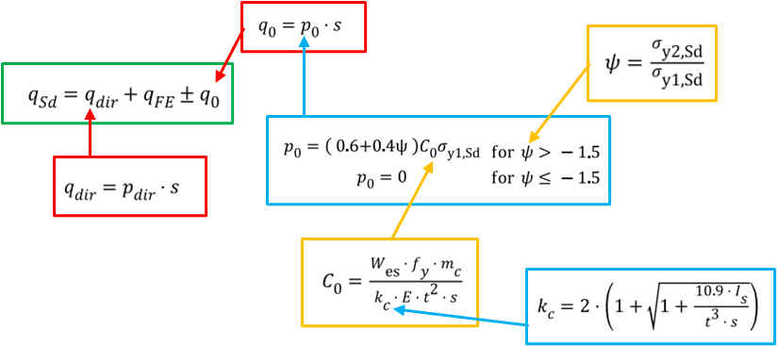

 | kc | 62.240778491
 | mc | 13.3 |  | 13.3 for continuous stiffeners
 | c0 | 0.0014456228968 |  | 8.9 for simply supported stiffeners (sniped stiffeners)
 | ψ | 1
 | p0 | 0.072281144839

 | qsd | 222.28114484 | N/mm

