READ ME_coordinates
READ ME FOR COORDINATES SHEETS
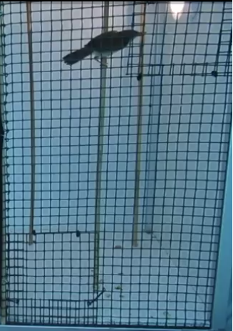
UPPER LIMIT
LOWER LIMIT

FOR EACH PREDICTION, WE HAVE TO WRITE DOWN

_ X COORDINATES OF EACH PERCH (Coordinates_xPerches)
_ X AND Y COORDINATES OF THE CENTER POINT OF THE LIGHTS (Coordinates_lights)
_ Y COORDINATES OF THE UPPER AND LOWER PART OF THE CAGE (Coordinates_yCage) |  |  |  |  |  | <-- in the right part of the cage there are two smaller squares
 |  |  |  |  |  | the upper part is delimited at the lower left corner of the upper square
 |  |  |  |  |  | the lower part is delimited at the upper right corner of the lower square

in the perch coordinates sheet there are 16 other columns
this is because the prediction of "bird on the perch" is not alway exatly on the perch
so I created a range of +-50px |  |  | perchP is +50
 |  |  | perchM is -50

in all three sheets, segments are highlighted in different colors - in this way it is easier to filter by color

 | exploration | acclimation | extra-exploration | mirror | IT IS IMPORTANT TO KEEP THE COLOR CODE
 |  |  |  |  | ALSO FOR NEWLY ADDED VIDEOS

