Final
Price List
(Valid from March 1st 2017)

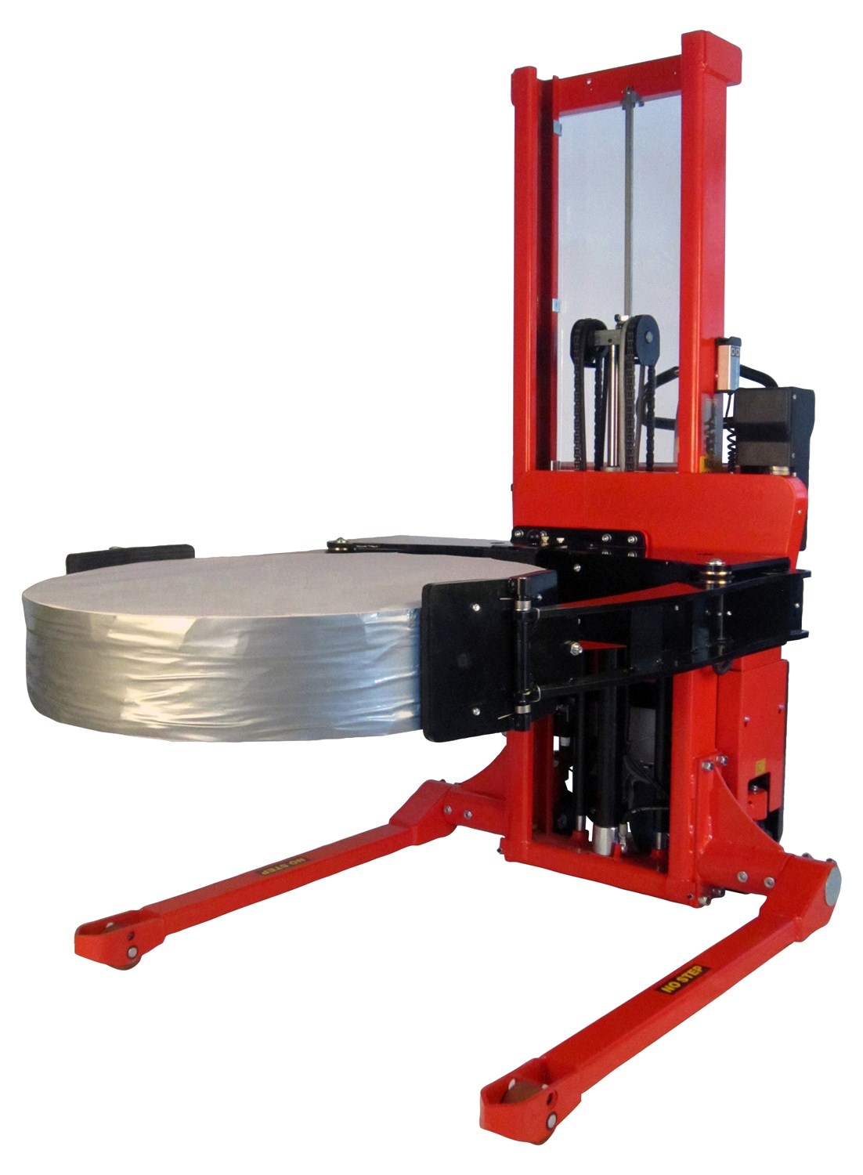



 | Interthor Inc, 1817 Beach St, Broadview, IL 60155
 | Phone: (888) 345-1270, Fax: (888) 345-2995, sales@interthor.com, www.interthor.com

INTERTHOR SALES POLICIES

PRICES & SPECIFICATIONS: Interthor prices are subject to change without notice. We also reserve the right to alter product specifications, design and shipping weight withoiut prior notice. Interthor will be happy to provide or confirm the current information at any time. When in doubt, please call. ACCEPTANCE: All submitted orders or changes to previously accepted orders will only become binding and effective when a written copy is accepted and approved by Interthor. CREDIT TERMS: Interthor’s credit policy requires strict adherence to its credit terms of NET 30 DAYS. In addition, Interthor reserves the right at any time to change terms to require progress payments, letters of credit or whatever terms Interthor deems appropriate for the circumstances of the order. Typical examples or circumstances that require special terms are poor credit, overseas shipments, high volume orders, custom models, etc. CREDIT APPROVAL: Interthor reserves the right at any time not to extend or to revoke any credit extended to the Customer as a result of the Customer’s failure to maintain current payments or for any other reason deemed good and sufficient by Interthor. |  |  | ORDER CHANGES POLICY: If a purchase order for standard or modified product is changed within one calendar day after the receipt of the purchase order, there will be no charge. In the event that material to the purchase order has been purchased or manufactured, regardless of the time frame, and a change is required that eliminates the need for the purchased or manufactured material, the cost of the material as well as a surcharge will be added to the purchase order. PRODUCTION/SHIPMENT HOLDS: Once an order has been placed, any request to hold production or delay shipment are normally very costly and disruptive to Interthor. In these cases, Interthor will check the status of the order and attempt to accommodate the request. However, if Interthor determines that production is too complete to hold, Interthor reserves the right to complete the order, invoice and charge a storage fee. CANCELLATIONS: Once an order has been placed, a cancellation will only be accepted under Interthor’s term and conditions. In these cases, Interthor will check the status of the order and determine a cancellation fee based upon its appraisal of the cost incurred. Interthor reserves the right to bill up to the full amount of the purchase price. Each CAD drawings supplied are subject to a $500 charge upon cancellation of order or quote
DELAYS IN SHIPMENT: Interthor will make every effort to ship in accordance with the scheduled shipping date. However, Interthor assumes no reponsibility for any loss or inconvenience caused by nonshipment on a specific date. FREIGHT RATES: Freight Rates are most accurately obtained by the Customer from a local carrier. Approximate shipping weights for each model are shown in catalogues and freight classifications can be provided by Interthor. Product dimensions must be carefully considered to assure conformance with shipping containers. Upon request, Interthor will assist by providing an estimated freight rate. This service is advisory only and responsibility for correct freight costs rests with the Customer. All Prices are F.O.B. factory, Broadview, Illinois, 60155 Unless specified otherwise, all shipments will be routed Best Way Freight Collect. Interthor will make every effort to comply with special routing requests. |  |  | AFTER 90 DAYS NO GOODS TO BE RETURNED RETURN GOODS AND REPAIRS: Before products can be returned to Interthor for any reason or any funds committed for warranty repairs, a written authorization (RGA) must be issued from the Customer Service Department. A. Any correspondence or invoices received by Interthor concerning warrany charge-backs must contain an authorization number. B. Material returned to Interthor must have the RGA number clearly marked on the shipment and packing list. C. Return shipments must be intact and properly packaged. D. Freight charges on all RGA’s must be Prepaid. E. Failure to comply with the above items will result in either the invoice being disapproved for payment or the shipment being returned to the Buyer at the Buyer’s expense. F. A restocking fee will be charged on all returned goods excluding warranty claims, solely at the discretion of Interthor. G. Any warranty repair work preformed in the field without Interthor’s prior authorization will not be honored.
LOST AND DAMAGED SHIPMENTS: Interthor inspects all products prior to shipment and only delivers these products to the Carriers in good condition. Carriers act as the Buyer’s agent. Interthor will not be liable for losses, damages or delays in transportation. Upon delivery, Receiver (consignee) must inspect all shipments very carefully. If goods are missing or damaged, note the shortage or damage on the delivery receipt with the driver’s signature. Buyer must immediately file a claim with the transportation company. Consignee must report any loss or damage to the transportation company immediately upon discovery and request an inspection by the Carrier. Following these procedures is absolutely necessory. Failure to comply will eliminate consignees recourse for payment or settlement with the transportation company.

 | Interthor Inc, 1817 Beach St, Broadview, IL 60155
 | Telephone: (888) 345-1270, Fax: (888) 345-2995, www.interthor.com

 | INTERTHOR PRICE LIST

 | TABLE OF CONTENTS

 | PRODUCT |  |  |  | PAGE

 | PALLET TRUCKS |  |  |  | 4

 | * MANUAL

 | * STAINLESS

 | * SCALE

 | * QUARTER PALLET

 | * FULL POWER

 | THORK LIFT |  |  |  | 5

 | * POWDER COATED

 | * STAINLESS

 | LOGIFLEX STACKERS

 | * FORK OVER DESIGN |  |  |  | 6

 | * STRADDLE DESIGN |  |  |  | 7

 | * STAINLESS |  |  |  | 9

 | MATERIAL HANDLING ROTATOR

 | * ROTATOR W/NON-ADJUSTABLE BOX HOLDERS |  |  |  | 10

 | * ROTATOR W/ADJUSTABLE BOX HOLDERS |  |  |  | 11

 | REEL ROTATOR |  |  |  | 12

 | TWIN PALLET STACKER |  |  |  | 13

 | LOGITILT AND LIFT |  |  |  | 13

 | OPEN VS CLOSED PALLETS |  |  |  | 14

 | INTERTHOR STANDARD LIMITED WARRANTY |  |  |  | 15

3

 | MANUAL PALLET TRUCKS

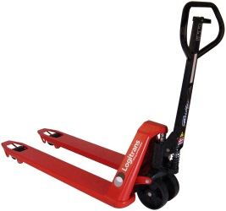
 | PREMIUM PANTHER PALLET TRUCK
 | Model | Capacity | Fork Size (OD) | Fork Length | List Price (USD)
 | Panther 1672/1682 (Old# TT3520xx/TT3527xx)* | 3520 | 18" | 32", 38", 45" | $1,050
 | Panther 2572/2582 (Old# TT5520xx/TT5527xx)* | 5500 | 20.5" or 27" | 32", 36", 38", 40", 42", 45", 48" | $675
 | Panther 2572/2582 (Old# TT552060/TT552760) | 5500 | 20.5" or 27" | 60" | $800
 | Panther 2572/2582 (Old# TT552072/TT552772) | 5500 | 20.5" or 27" | 72" | $1,050
 | Panther 2572/2582 (Old# TT552079/TT552779) | 5500 | 20.5" or 27" | 79" | $1,150
 | Panther 2572/2582 (Old# TT332094/TT332794) | 3300 | 20.5" or 27" | 94" | $1,250
 | Panther 3072/3082 (Old# TT6620xx/TT6627xx)* | 6600 | 20.5" or 27" | 32", 36", 38", 45", 48" | $900
 | * Units also available in fork length 24" at an additional charge
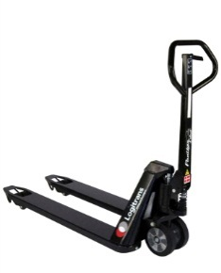

 | PANTHER SILENT PALLET TRUCK
 | Model | Capacity | Fork Size (OD) | Fork Length | List Price (USD)
 | Panther Silent 2082 (Old# PS2081)* | 4400 | 20.5" or 27" | 32", 36", 38", 40", 42", 45", 48" | $875
 | *Panther Silent also available in fork lengths 24", 60", 72", 79", 94" at an additional charge

 | ADDITIONAL PRICING FOR CUSTOM WIDTH PREMIUM PALLET TRUCK
 | Model | Capacity | Fork Size (OD) | Fork Length | List Price (USD)
 | Panther 2572/2582 (Old# TT552060/TT552760) | 5500 | 13,8"-26,5" |  | $800
 | Panther 2572/2582 (Old# TT552060/TT552760) | 3300 | 27"-35,4" |  | $1,000
 | Panther 2572/2582 (Old# TT552060/TT552760) | 2200 | 35,8"-43,3" |  | $1,200

 | ADDITIONAL PRICING FOR PREMIUM PALLET TRUCK WITH ANGLED DRUM/REEL FORKS
 | Model | Capacity | Diameter |  | List Price (USD)
 | Panther 2572/2582 (Old# TT552060/TT552760) | 2200 | 15.7" -39.4" |  | $2,500
 | Panther 2572/2582 (Old# TT552060/TT552760) | 2200 | 39.4 - 47.2" |  | $2,700

 | STANDARD ECONOMY PALLET TRUCK
 | Model | Capacity | Fork Size (OD) | Fork Length | List Price (USD)
 | BF 2500 (Old# ETT5520xx/ETT5527xx) | 5500 | 20.5" or 27" | 48" | $350
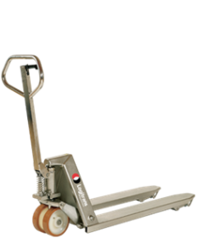

 | PREMIUM STAINLESS STEEL PANTHER PALLET TRUCK
 | Model | Capacity | Fork Size (OD) | Fork Length | List Price (USD)
 | Panther Inox Plus (Old# GL2071RF-PLUS) | 5500 | 20.5" or 27" | 32", 38", 45" | $3,300
 | Panther Inox Plus (Old# GL2071RF-PLUS) | 5500 | 20.5" or 27" | 48" | $3,200
 | Panther Inox Plus (Old# GL2071RF-PLUS) | 5500 | 20.5" or 27" | 60" | $3,700

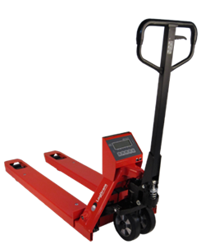
 | SCALE PALLET TRUCKS

 | SCALE PALLET TRUCK
 | Model | Capacity | Fork Size (OD) | Fork Length | List Price (USD)
 | BFC6-7 (Legal +/- 0.001) | 4400 | 21.25" or 27.75" | 45" | $1,400

 | QUARTER PALLET TRUCK

 | LOGIQ (Quarter Pallet Truck)
 | Model | Capacity | Fork Size (OD) | Fork Length | List Price (USD)
 | LQHM 440 | 440 | 8" | 24" | $400
 | LQHM 660 | 660 | 8" | 24" | $900

 | FULL POWER PALLET TRUCKS
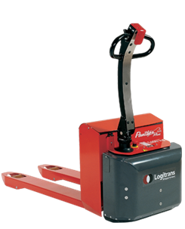
 | FULL POWER PALLET TRUCKS
 | Model | Capacity | Fork Size (OD) | Fork Length | List Price (USD)
 | Panther Mini | 3100 | 20.5" or 27" | 48" | $4,900
 | Panther Mini | 3100 | 20.5" or 27" | 32", 36", 38", 42", 45, 60" | $5,600
 | Panther Maxi | 4000 | 20.5" or 27" | 48" | $6,900
 | Panther Maxi | 4000 | 20.5" or 27" | 32", 36", 38", 42", 45", 60" | $7,600

4

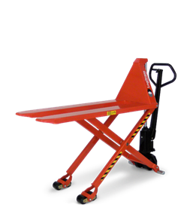
 | THORK LIFTS

 | MANUAL THORK LIFT (SKID HIGH LIFT)
 | Model | Capacity | Fork Size (OD) | Fork Length | List Price (USD)
 | HL 1006 (Old# TL33M1947) | 3300 | 19" | 47" | $1,950
 | HL 1006 (Old# TL33M2147) | 3300 | 21.25" | 47" | $1,650
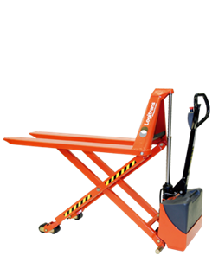
 | HL 1006 (Old# TL33M2747) | 3300 | 27" | 47" | $1,650

 | ELECTRIC THORK LIFT (SKID HIGH LIFT)
 | Model | Capacity | Fork Size (OD) | Fork Length | List Price (USD)
 | EHL 1004 (Old #TL33E1947) | 3300 | 19" | 47" | $3,600
 | EHL 1004 (Old #TL33E2147) | 3300 | 21.25" | 47" | $3,300
 | EHL 1004 (Old #TL33E2747) | 3300 | 27" | 47" | $3,300

 | THORK LIFT (SKID HIGH LIFT) - ADDITIONAL PRICE FOR ALTERNATIVE FORK LENGTHS
 | Model | Capacity | Fork Length |  | List Price (USD)
 | HL1006/EHL1004* | 3300 | 27.5" |  | $650
 | HL1006/EHL1004** | 3300 | 35" |  | $650
 | HL1006/EHL1004 | 3300 | 60" |  | $650
 | HL1006/EHL1004 - reduced capacity | 2200 | 79" |  | $1,650
 | * reduced lifting height of 19.6"
 | ** reduced lifting height of 23.5"

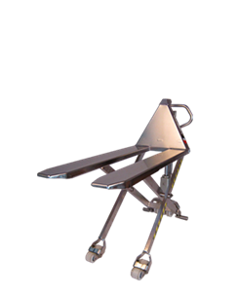
 | STAINLESS THORK LIFTS

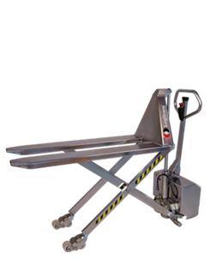
 | STAINLESS MANUAL THORK LIFT (SKID HIGH LIFT)
 | Model | Capacity | Fork Size (OD) | Fork Length | List Price (USD)
 | HL 1004 RF-PLUS (Old# TL22M2145SS) | 3300 | 21" | 47" | $6,000
 | HL 1004 RF-PLUS (Old# TL22M2745SS) | 3300 | 27" | 47" | $6,000

 | STAINLESS ELECTRIC THORK LIFT (SKID HIGH LIFT)
 | Model | Capacity | Fork Size (OD) | Fork Length | List Price (USD)
 | EHL 1004 RF-PLUS (Old# TL22E2145SS) | 3300 | 21.25" | 47" | $9,000
 | EHL 1004 RF-PLUS (Old# TL22E2745SS) | 3300 | 27" | 47" | $9,000

 | ACCESSORIES FOR THORK LIFTS

 | ACCESSORIES FOR THORK LIFTS (SKID HIGH LIFT)
 | Model | Description |  |  | List Price (USD)
 | PTS | Pallet Truck Stop |  |  | $25
 | 170440/170442 | Parking Break HL |  |  | $300
 | 170422/170423 | Parking Break EHL |  |  | $300
 | 170446 | Parking Break HL RF-PLUS |  |  | $600
 | 170406/170407 | Level Control 21.25" or 27" |  |  | $1,200
 | 170410/412/413 | Remote Control EHL |  |  | $250
 | 170096 | Remote Control EHL RF-PLUS |  |  | $350
 | 170415 | Wireless Remote Control |  |  | $400

5

 | LOGIFLEX STACKERS - FORK OVER

 | LOGIFLEX LF MINI w/FLEX CARRIAGE (MANUAL LIFT/MANUAL PUSH). CAPACITY 2200 LBS. FORK OVER
 | Model | Fork Size (OD) | Fork Length | Lifting Height | List Price (USD)
 | LF MINI 1002 (Old# TP22MM2245) | 22" | 45" | 36" | $2,200
 | LF MINI 1002 (Old# TS22MM65) | 22" | 45" | 65" | $2,400

 | LOGIFLEX SELF MINI w/FLEX CARRIAGE (ELECTRIC LIFT/ELECTRIC PUSH). CAPACITY 2200 LBS - FORK OVER
 | Model | Fork Size (OD) | Fork Length | Lifting Height | List Price (USD)
 | SELF MINI 1002 (Old# TP22FP36AC) | 22" | 45" | 36" | $6,800
 | SELF MINI 1002 (Old# TP22FP65AC) | 22" | 45" | 65" | $7,200

 | LOGIFLEX STACKER w/FIXED CARRIAGE (ELECTRIC LIFT/MANUAL PUSH). CAPACITY 2200 LBS. FORK OVER
 | Model | Fork Size (OD) | Fork Length | Lifting Height | List Price (USD)
 | ELF 1001 (Old# TP22ME2245) | 22" | 45" | 36" | $4,000
 | ELF 1001 (Old# TS22ME47) | 22" | 45" | 47" | $4,100
 | ELF 1001 (Old# TS22ME55) | 22" | 45" | 55" | $4,200
 | ELF 1001 (Old# TS22ME63) | 22" | 45" | 63" | $4,300
 | ELF 1001 (Old# TS22ME74) | 22" | 45" | 75" | $4,400
 | ELF 1001 (Old# TS22ME80) | 22" | 45" | 80" | $4,900
 | ELF 1001 (Old# TS22ME96) | 22" | 45" | 96" | $5,000
 | ELF 1001 (Old# TS22ME112) | 22" | 45" | 112" | $5,100
 | ELF 1001 (Old# TS22ME128) | 22" | 45" | 130" | $5,200

 | LOGIFLEX STACKER w/FIXED CARRIAGE (ELECTRIC LIFT/ELECTRIC PUSH). CAPACITY 2200 LBS - FORK OVER
 | Model | Fork Size (OD) | Fork Length | Lifting Height | List Price (USD)
 | SELF MAXI 1002 (Old# TP22FP2245) | 22" | 45" | 36" | $8,900
 | SELF MAXI 1002 (Old# TS22FP47) | 22" | 45" | 47" | $9,100
 | SELF MAXI 1002 (Old# TS22FP55) | 22" | 45" | 55" | $9,300
 | SELF MAXI 1002 (Old# TS22FP63) | 22" | 45" | 63" | $9,500
 | SELF MAXI 1002 (Old# TS22FP75) | 22" | 45" | 75" | $9,700
 | SELF MAXI 1002 (Old# TS22FP80) | 22" | 45" | 80" | $9,900
 | SELF MAXI 1002 (Old# TS22FP96) | 22" | 45" | 96" | $10,100
 | SELF MAXI 1002 (Old# TS22FP111) | 22" | 45" | 112" | $10,300
 | SELF MAXI 1002 (Old# TS22FP128) | 22" | 45" | 130" | $10,500

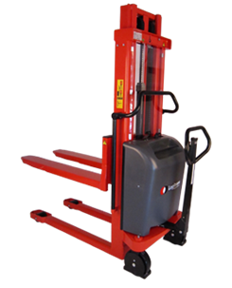
 | LOGIFLEX STACKER w/FIXED CARRIAGE (ELECTRIC LIFT/MANUAL PUSH). CAPACITY 3000 LBS. FORK OVER
 | Model | Fork Size (OD) | Fork Length | Lifting Height | List Price (USD)
 | ELF 1201 (Old# TP30ME2245) | 22" | 45" | 36" | $4,300
 | ELF 1201 (Old# TS30ME47) | 22" | 45" | 47" | $4,400
 | ELF 1201 (Old# TS30ME55) | 22" | 45" | 55" | $4,500
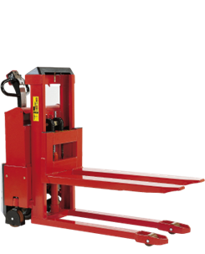
 | ELF 1201 (Old# TS30ME63) | 22" | 45" | 63" | $4,600

 | LOGIFLEX STACKER w/FIXED CARRIAGE (ELECTRIC LIFT/ELECTRIC PUSH). CAPACITY 3000 LBS - FORK OVER
 | Model | Fork Size (OD) | Fork Length | Lifting Height | List Price (USD)
 | SELF MAXI 1202 (TP30FP2245) | 22" | 45" | 36" | $9,200
 | SELF MAXI 1202 (TS30FP47) | 22" | 45" | 47" | $9,400
 | SELF MAXI 1202 (TS30FP55) | 22" | 45" | 55" | $9,600
 | SELF MAXI 1202 (TS30FP63) | 22" | 45" | 63" | $9,800

6

 | LOGIFLEX STACKERS - STRADDLE

 | LOGIFLEX LF MINI w/FLEX CARRIAGE (MANUAL LIFT/MANUAL PUSH). CAPACITY 2200 LBS - STRADDLE
 | Model | Fork Size (OD) | Fork Length | Lifting Height | List Price (USD)
 | LFS MINI 1002* (Old# TPS22MMx) | 6.5" | 42" | 35" | $2,700
 | LFS MINI 1002 (Old# TSS22MM64)* | 6.5" | 42" | 62" | $2,900
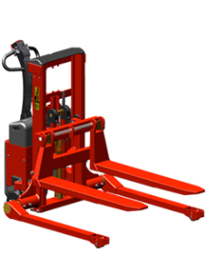
 | *Straddle Sizes: A: 33" - 37", B: 37" - 44", C: 44" - 51", D: 49" - 56". D is available at an extra charge of $750 and lifting capacity is reduced to 1760 LBS

 | LOGIFLEX SELF MINI w/FLEX CARRIAGE (ELECTRIC LIFT/ELECTRIC PUSH). CAPACITY 2200 LBS - STRADDLE
 | Model | Fork Size (OD) | Fork Length | Lifting Height | List Price (USD)
 | SELFS MINI 1002 (Old# TPS22FP35AC)* | 6.5" | 42" | 35" | $7,400
 | SELFS MINI 1002 (Old# TPS22FP65AC)* | 6.5" | 42" | 64" | $7,800
 | *Straddle Sizes: A: 33" - 37", B: 37" - 44", C: 44" - 51", D: 49" - 56". D is available at an extra charge of $750 and lifting capacity is reduced to 1760 LBS

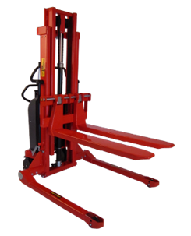
 | LOGIFLEX STACKER w/FLEX CARRIAGE (ELECTRIC LIFT/MANUAL PUSH). CAPACITY 2200 LBS - STRADDLE
 | Model | Fork Size (OD) | Fork Length | Lifting Height | List Price (USD)
 | ELFS 1001 (Old# TPS22MEx)* | 6.5" | 42" | 35" | $4,400
 | ELFS 1001 (Old# TSSME62)* | 6.5" | 42" | 64" | $4,600
 | ELFS 1001 (Old# TSSME74)* | 6.5" | 42" | 74" | $4,800
 | ELFS 1001 (Old# TSSME80)* | 6.5" | 42" | 79" | $5,000
 | ELFS 1001 (Old# TSSME95)* | 6.5" | 42" | 95" | $5,200
 | ELFS 1001 (Old# TSSME111)* | 6.5" | 42" | 111" | $5,400
 | ELFS 1001 (Old# TSSME128)* | 6.5" | 42" | 128" | $5,600
 | *Straddle Sizes: A: 33" - 37", B: 37" - 44", C: 44" - 51", D: 49" - 56". D is available at an extra charge of $750 and lifting capacity is reduced to 1760 LBS

 | LOGIFLEX STACKER w/FLEX CARRIAGE (ELECTRIC LIFT/ELECTRIC PUSH). CAPACITY 2200 LBS - STRADDLE
 | Model | Fork Size (OD) | Fork Length | Lifting Height | List Price (USD)
 | SELFS MAXI 1002 (Old# TPS22FP)* | 6.5" | 42" | 35" | $9,500
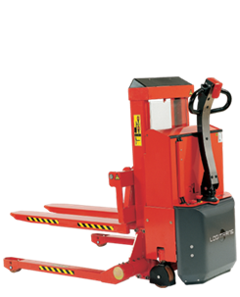
 | SELFS MAXI 1002 (Old# TSS22FP46)* | 6.5" | 42" | 45" | $9,700
 | SELFS MAXI 1002 (Old# TSS22FP54)* | 6.5" | 42" | 53" | $9,900
 | SELFS MAXI 1002 (Old# TSS22FP62)* | 6.5" | 42" | 61" | $10,100
 | SELFS MAXI 1002 (Old# TSS22FP74)* | 6.5" | 42" | 74" | $10,300
 | SELFS MAXI 1002 (Old# TSS22FP80)* | 6.5" | 42" | 79" | $10,500
 | SELFS MAXI 1002 (Old# TSS22FP95)* | 6.5" | 42" | 95" | $10,700
 | SELFS MAXI 1002 (Old# TSS22FP111)* | 6.5" | 42" | 111" | $10,900
 | SELFS MAXI 1002 (Old# TSS22FP128)* | 6.5" | 42" | 128" | $11,100
 | *Straddle Sizes: A: 33" - 37", B: 37" - 44", C: 44" - 51", D: 49" - 56". D is available at an extra charge of $750 and lifting capacity is reduced to 1760 LBS

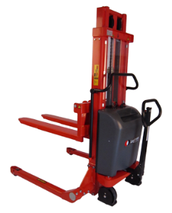
 | LOGIFLEX STACKER w/FLEX CARRIAGE (ELECTRIC LIFT/MANUAL PUSH). CAPACITY 3000 LBS - STRADDLE
 | Model | Fork Size (OD) | Fork Length | Lifting Height | List Price (USD)
 | ELFS 1201 (TPS30MEx)* | 6.5" | 42" | 35" | $4,700
 | ELFS 1201 (TSS30ME46)* | 6.5" | 42" | 46" | $4,800
 | ELFS 1201 (TSS30ME54)* | 6.5" | 42" | 54" | $4,900
 | ELFS 1201 (TSS30ME62)* | 6.5" | 42" | 62" | $5,000
 | *Straddle Sizes: A: 33" - 37", B: 37" - 44", C: 44" - 51", D: 49" - 56". D is available at an extra charge of $750 and lifting capacity is reduced to 1760 LBS

 | LOGIFLEX STACKER w/FLEX CARRIAGE (ELECTRIC LIFT/ELECTRIC PUSH). CAPACITY 3000 LBS - STRADDLE
 | Model | Fork Size (OD) | Fork Length | Lifting Height | List Price (USD)
 | SELFS MAXI 1202 (TPS30FP)* | 6.5" | 42" | 35" | $9,800
 | SELFS MAXI 1202 (TSS30FP46)* | 6.5" | 42" | 46" | $10,000
 | SELFS MAXI 1202 (TSS30FP54)* | 6.5" | 42" | 54" | $10,200
 | SELFS MAXI 1202 (TSS30FP62)* | 6.5" | 42" | 62" | $10,400
 | *Straddle Sizes: A: 33" - 37", B: 37" - 44", C: 44" - 51", D: 49" - 56". D is available at an extra charge of $750 and lifting capacity is reduced to 1760 LBS

7

 | ACCESSORIES FOR POWDER COATED STACKERS

 | ACCESSORIES FOR STACKERS
 | Model | Description |  |  | List Price (USD)
 | 160188/130082/160096 | Wired Remote Control For ELF, SELF and EHS |  |  | $250
 | 160193/130085 | Wireless Remote Control For ELF and SELF |  |  | $600
 | 160270-#/130270-x | Level Control For ELF, SELF |  |  | $1,200
 | 130750 | Positioning Valve incl Remote Control For ELF, SELF to ensure accurate height position |  |  | $550

 | ATTACHMENTS FOR THE STACKERS
 | Model | Description |  |  | List Price (USD)
 | 160703/160704 | Wrap Over Forks 42" and 45" |  |  | $350
 | 16713/16714 | Bar Forks 42" and 45" |  |  | $350
 | 16723/16724 | Chisel Forks 42" and 47" |  |  | $800
 | 160011-1 | Crane Arm - Lifting capacity 1100 lbs |  |  | $975
 |  | Drum Forks - Lifting capacity 550 lbs |  |  | $600
 | 160330/160340 | Manual Drum Turner without Clamps - Lifting capacity 550 lbs |  |  | $2,500
 | 160360 | Electric Drum Turner without Clamps - Lifting capacity 550 lbs |  |  | $4,000
 | 160372 | Clamps for Steel Drum |  |  | $450
 | 160375 | Clamps for Plastic Drum |  |  | $450
 | 160310 | Platform for stacker with straddle (43" x 48") |  |  | $1,050
 | 160311 | Platform for stacker with straddle (43" x 39") |  |  | $1,050
 | 160620 | Reel Spindle Manual - Lifting capacity 440 lbs - 3" Core |  |  | $3,400
 | 160621 | Reel Spindle Manual - Lifting capacity 550 lbs - 6" Core |  |  | $4,000
 | 160622 | Reel Spindle Geared - Lifting capacity 440 lbs - 3" Core |  |  | $4,800
 | 160623 | Reel Spindle Geared - Lifting capacity 550 lbs - 6" Core |  |  | $5,400
 | 160624 | Reel Clamp |  |  | $6,400
 | 16771 | Boom ø1.57" x 31.5" - Lifting capacity 725 lbs |  |  | $975
 | 16774 | Boom ø1.57" x 45.3" - Lifting capacity 500 lbs |  |  | $975
 | 16772 | Boom ø1.97" x 31.5" - Lifting capacity 1440 lbs |  |  | $975
 | 16775 | Boom ø1.97" x 45.3" - Lifting capacity 945 lbs |  |  | $975
 | 16773 | Boom ø2.76" x 31.5" - Lifting capacity 2200 lbs |  |  | $975
 | 16770 | Boom ø2.76" x 45.3" - Lifting capacity 1760 lbs |  |  | $975

 | ALTERNATIVE FORK LENGTH AND WIDTH ON POWDER COATED STACKERS

 | ADDITIONAL PRICE FOR ALTERNATIVE FORK LENGTH
 | Model |  | Fork Length |  | List Price (USD)
 | LF(S), ELF(S), SELF(S) |  | 24", 31.5", 60"* |  | $900
 | LF(S), ELF(S), SELF(S) |  | Custom 23.6" - 78.7" |  | $1,400
 | *reduced capacity on 60" forks to 1,650 lbs

 | ADDITIONAL PRICE FOR ALTERNATIVE FORK WIDTH
 | Model |  | Fork Width |  | List Price (USD)
 | ELF, SELF |  | 19" or 27" |  | $600

8

 | STAINLESS STACKERS

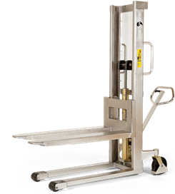
 | STAINLESS STACKER w/FIXED CARRIAGE (MANUAL LIFT/MANUAL PUSH). CAPACITY 2200 LBS - FORK OVER
 | Model | Fork Size (OD) | Fork Length | Lifting Height | List Price (USD)
 | HS 1000 RF-SEMI (Old# TS22MM47SS) | 22" | 45" | 47" | $9,600
 | HS 1000 RF-SEMI (Old# TS22MM55SS) | 22" | 45" | 55" | $9,800
 | HS 1000 RF-SEMI (Old# TS22MM63SS) | 22" | 45" | 63" | $10,000
 | HS 1000 RF-SEMI (Old# TS22MM80SS) | 22" | 45" | 80" | $11,800
 | HS 1000 RF-SEMI (Old# TS22MM96SS) | 22" | 45" | 96" | $12,000

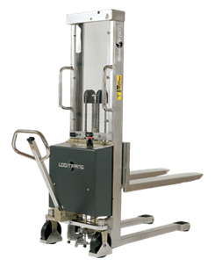
 | STAINLESS STACKER w/FIXED CARRIAGE (ELECTRIC LIFT/MANUAL PUSH). CAPACITY 2200 LBS - FORK OVER
 | Model | Fork Size (OD) | Fork Length | Lifting Height | List Price (USD)
 | EHS 1000 RF-SEMI (Old# TS22ME47SS) | 22" | 45" | 47" | $11,000
 | EHS 1000 RF-SEMI (Old# TS22ME55SS) | 22" | 45" | 55" | $11,200
 | EHS 1000 RF-SEMI (Old# TS22ME63SS) | 22" | 45" | 63" | $11,400
 | EHS 1000 RF-SEMI (Old# TS22ME80SS) | 22" | 45" | 80" | $14,600
 | EHS 1000 RF-SEMI (Old# TS22ME96SS) | 22" | 45" | 96" | $14,800
 | EHS 1000 RF-SEMI (Old# TS22ME112SS) | 22" | 45" | 112" | $15,000

 | STAINLESS STACKER w/FLEX CARRIAGE (MANUAL LIFT/MANUAL PUSH). CAPACITY 2200 LBS - WELDED STRADDLE
 | Model | Fork Size (OD) | Fork Length | Lifting Height | List Price (USD)
 | HSS 1000 RF-SEMI* | 6.5" | 45" | 46" | $15,000
 | HSS 1000 RF-SEMI* | 6.5" | 45" | 54" | $15,200
 | HSS 1000 RF-SEMI* | 6.5" | 45" | 62" | $15,400
 | HSS 1000 RF-SEMI* | 6.5" | 45" | 80" | $17,200
 | HSS 1000 RF-SEMI* | 6.5" | 45" | 96" | $17,400
 | *Straddle Sizes: A: 33" - 37", B: 37" - 44", C: 44" - 51", D: 49" - 56". D is available at an extra charge of $750 and lifting capacity is reduced to 1760 LBS

 | STAINLESS STACKER w/FLEX CARRIAGE (ELECTRIC LIFT/MANUAL PUSH). CAPACITY 2200 LBS - WELDED STRADDLE
 | Model | Fork Size (OD) | Fork Length | Lifting Height | List Price (USD)
 | EHSS 1000 RF-SEMI* | 6.5" | 45" | 46" | $17,600
 | EHSS 1000 RF-SEMI* | 6.5" | 45" | 54" | $17,800
 | EHSS 1000 RF-SEMI* | 6.5" | 45" | 62" | $18,000
 | EHSS 1000 RF-SEMI* | 6.5" | 45" | 80" | $19,800
 | EHSS 1000 RF-SEMI* | 6.5" | 45" | 96" | $20,000
 | *Straddle Sizes: A: 33" - 37", B: 37" - 44", C: 44" - 51", D: 49" - 56". D is available at an extra charge of $750 and lifting capacity is reduced to 1760 LBS

9

 | ROTATOR W/NON-ADJUSTABLE BOX HOLDERS

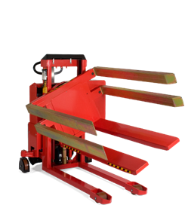
 | ROTATOR w/NON-ADJUSTABLE BOX HOLDERS (ELECTRIC LIFT/MANUAL PUSH). CAPACITY 2200 LBS - FORK OVER
 | Model | Fork Size (OD) | Fork Length | Lifting Height | List Price (USD)
 | ELFR 1001 - with forks or Multi Purpose Carriage | 22" or 27" | 49" | 36" | $9,600
 | ELFR 1001 - with forks or Multi Purpose Carriage | 22" or 27" | 49" | 47" | $10,000
 | ELFR 1001 - with forks or Multi Purpose Carriage | 22" or 27" | 49" | 55" | $10,400
 | ELFR 1001 - with forks or Multi Purpose Carriage | 22" or 27" | 49" | 63" | $10,800
 | ELFR 1001 - with forks or Multi Purpose Carriage | 22" or 27" | 49" | 75" | $11,200
 | For fork size 22" OD the non-adjustable box sizes are 31.5", 33.5", 37.8" or 39.4"
 | For fork size 27" OD the non-adjustable box sizes are 39.4", 41.3", 45.7" or 47.2"

 | ROTATOR w/NON-ADJUSTABLE BOX HOLDERS (ELECTRIC LIFT/ELECTRIC PUSH). CAPACITY 2200 LBS - FORK OVER
 | Model | Fork Size (OD) | Fork Length | Lifting Height | List Price (USD)
 | SELFR 1002 MAXI - with forks/without clamps | 22" or 27" | 49" | 36" | $15,200
 | SELFR 1002 MAXI - with forks/without clamps | 22" or 27" | 49" | 47" | $15,600
 | SELFR 1002 MAXI - with forks/without clamps | 22" or 27" | 49" | 55" | $16,000
 | SELFR 1002 MAXI - with forks/without clamps | 22" or 27" | 49" | 63" | $16,400
 | SELFR 1002 MAXI - with forks/without clamps | 22" or 27" | 49" | 75" | $16,800
 | For fork size 22" OD the non-adjustable box sizes are 31.5", 33.5", 37.8" or 39.4"
 | For fork size 27" OD the non-adjustable box sizes are 39.4", 41.3", 45.7" or 47.2"

 | ROTATOR w/NON-ADJUSTABLE BOX HOLDERS (ELECTRIC LIFT/MANUAL PUSH). CAPACITY 2200 LBS - STRADDLE
 | Model | Fork Size (OD) | Fork Length | Lifting Height | List Price (USD)
 | ELFSR 1001 - with forks/without clamps* | 22" or 27" | 49" | 36" | $10,200
 | ELFSR 1001 - with forks/without clamps* | 22" or 27" | 49" | 47" | $10,600
 | ELFSR 1001 - with forks/without clamps* | 22" or 27" | 49" | 55" | $11,000
 | ELFSR 1001 - with forks/without clamps* | 22" or 27" | 49" | 63" | $11,400
 | ELFSR 1001 - with forks/without clamps* | 22" or 27" | 49" | 75" | $12,000
 | *Straddle Sizes: A: 33" - 37", B: 37" - 44", C: 44" - 51", D: 49" - 56". D is available at an extra charge of $750 and lifting capacity is reduced to 1760 LBS
 | For fork size 22" OD the non-adjustable box sizes are 31.5", 33.5", 37.8" or 39.4"
 | For fork size 27" OD the non-adjustable box sizes are 39.4", 41.3", 45.7" or 47.2"

 | ROTATOR w/NON-ADJUSTABLE BOX HOLDERS (ELECTRIC LIFT/ELECTRIC PUSH). CAPACITY 2200 LBS - STRADDLE
 | Model | Fork Size (OD) | Fork Length | Lifting Height | List Price (USD)
 | SELFSR 1002 MAXI - with forks/without clamps* | 22" or 27" | 49" | 36" | $15,800
 | SELFSR 1002 MAXI - with forks/without clamps* | 22" or 27" | 49" | 47" | $16,200
 | SELFSR 1002 MAXI - with forks/without clamps* | 22" or 27" | 49" | 55" | $16,600
 | SELFSR 1002 MAXI - with forks/without clamps* | 22" or 27" | 49" | 63" | $17,000
 | SELFSR 1002 MAXI - with forks/without clamps* | 22" or 27" | 49" | 75" | $17,400
 | *Straddle Sizes: A: 33" - 37", B: 37" - 44", C: 44" - 51", D: 49" - 56". D is available at an extra charge of $750 and lifting capacity is reduced to 1760 LBS
 | For fork size 22" OD the non-adjustable box sizes are 31.5", 33.5", 37.8" or 39.4"
 | For fork size 27" OD the non-adjustable box sizes are 39.4", 41.3", 45.7" or 47.2"

 | ACCESSORIES FOR ROTATOR W/NON-ADJUSTABLE BOX HOLDERS

 | ACCESSORIES FOR ROTATOR w/NON-ADJUSTABLE BOX HOLDERS
 | Model | Description |  |  | List Price (USD)
 | 160488 | One Set of Clamps |  |  | $600
 | 160487 | Side Support Plates |  |  | $300
 | 160625 | Reel Clamp 19.7" - 31.5" 12v 990lbs (ELF) |  |  | $7,600
 | 160626 | Reel Clamp 9.8" - 31.5" 12v 990lbs (ELF) |  |  | $8,400
 | 160627 | Reel Clamp 19.7" - 31.5" 12v 990lbs (SELF) |  |  | $7,600
 | 160628 | Reel Clamp 9.8" - 31.5" 12v 990lbs (SELF) |  |  | $8,400
 | 160194 | Wireless Control for ELF(S)R (Lift, Lower and Turn) |  |  | $600
 | 130086 | Wireless Control for SELF(S)R (Lift, Lower and Turn) |  |  | $600

10

 | ROTATOR W/ADJUSTABLE BOX HOLDERS

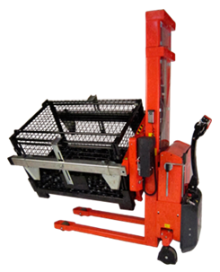
 | ROTATOR w/ADJUSTABLE BOX HOLDERS (ELECTRIC LIFT/MANUAL PUSH). CAPACITY 2200 LBS - FORK OVER
 | Model | Fork Size (OD) | Fork Length | Lifting Height | List Price (USD)
 | ELFRA 1001 - with forks/without clamps | 22" or 27" | 49" | 36" | $11,200
 | ELFRA 1001 - with forks/without clamps | 22" or 27" | 49" | 47" | $11,600
 | ELFRA 1001 - with forks/without clamps | 22" or 27" | 49" | 55" | $12,000
 | ELFRA 1001 - with forks/without clamps | 22" or 27" | 49" | 63" | $12,400
 | ELFRA 1001 - with forks/without clamps | 22" or 27" | 49" | 75" | $12,800

 | ROTATOR w/ADJUSTABLE BOX HOLDERS (ELECTRIC LIFT/ELECTRIC PUSH). CAPACITY 2200 LBS - FORK OVER
 | Model | Fork Size (OD) | Fork Length | Lifting Height | List Price (USD)
 | SELFRA 1002 MAXI - with forks/without clamps | 22" or 27" | 49" | 36" | $16,800
 | SELFRA 1002 MAXI - with forks/without clamps | 22" or 27" | 49" | 47" | $17,200
 | SELFRA 1002 MAXI - with forks/without clamps | 22" or 27" | 49" | 55" | $17,600
 | SELFRA 1002 MAXI - with forks/without clamps | 22" or 27" | 49" | 63" | $18,000
 | SELFRA 1002 MAXI - with forks/without clamps | 22" or 27" | 49" | 75" | $18,400

 | ROTATOR w/ADJUSTABLE BOX HOLDERS (ELECTRIC LIFT/MANUAL PUSH). CAPACITY 2200 LBS - STRADDLE
 | Model | Fork Size (OD) | Fork Length | Lifting Height | List Price (USD)
 | ELFSRA 1001 - with forks/without clamps* | 22" or 27" | 49" | 36" | $11,800
 | ELFSRA 1001 - with forks/without clamps* | 22" or 27" | 49" | 47" | $12,200
 | ELFSRA 1001 - with forks/without clamps* | 22" or 27" | 49" | 55" | $12,600
 | ELFSRA 1001 - with forks/without clamps* | 22" or 27" | 49" | 63" | $13,000
 | ELFSRA 1001 - with forks/without clamps* | 22" or 27" | 49" | 75" | $13,400
 | *Straddle Sizes: A: 33" - 37", B: 37" - 44", C: 44" - 51", D: 49" - 56". D is available at an extra charge of $750 and lifting capacity is reduced to 1760 LBS

 | ROTATOR w/ADJUSTABLE BOX HOLDERS (ELECTRIC LIFT/ELECTRIC PUSH). CAPACITY 2200 LBS - STRADDLE
 | Model | Fork Size (OD) | Fork Length | Lifting Height | List Price (USD)
 | SELFSRA 1002 MAXI - with forks/without clamps* | 22" or 27" | 49" | 36" | $17,400
 | SELFSRA 1002 MAXI - with forks/without clamps* | 22" or 27" | 49" | 47" | $17,800
 | SELFSRA 1002 MAXI - with forks/without clamps* | 22" or 27" | 49" | 55" | $18,200
 | SELFSRA 1002 MAXI - with forks/without clamps* | 22" or 27" | 49" | 63" | $18,600
 | SELFSRA 1002 MAXI - with forks/without clamps* | 22" or 27" | 49" | 75" | $19,000
 | *Straddle Sizes: A: 33" - 37", B: 37" - 44", C: 44" - 51", D: 49" - 56". D is available at an extra charge of $750 and lifting capacity is reduced to 1760 LBS

 | ACCESSORIES FOR ROTATOR W/ADJUSTABLE BOX HOLDERS

 | ACCESSORIES FOR ROTATOR w/ADJUSTABLE BOX HOLDERS
 | Model | Description |  |  | List Price (USD)
 | 160488 | One Set of Clamps |  |  | $600
 | 160487 | Side Support Plates |  |  | $300
 | 160194 | Wireless Control for ELF(S)R (Lift, Lower and Turn) |  |  | $600
 | 130086 | Wireless Control for SELF(S)R (Lift, Lower and Turn) |  |  | $600

11

 | REEL ROTATOR - FORK OVER
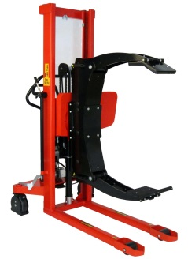
 | REEL ROTATOR - 69" LIFTING HEIGHT - CAPACITY 1,100 LBS - FORK OVER
 | Model | Drive | Lifting | Clamp | List Price (USD)
 | LFRRM 1001 | Manual | Manual | manual rotation/ manual clamping | $14,000
 | ELFRRM 1001 | Manual | Electric | manual rotation/ electric clamping | $16,000
 | ELFRR 1001 | Manual | Electric | electric rotation/ electric clamping | $19,000
 | SELFRR MAXI 1002 | Electric | Electric | electric rotation/ electric clamping | $24,000

 | REEL ROTATOR - STRADDLE

 | REEL ROTATOR - 69" LIFTING HEIGHT - CAPACITY 1,100 LBS - STRADDLE
 | Model | Drive | Lifting | Clamp | List Price (USD)
 | LFSRRM 1001 | Manual | Manual | manual rotation/ manual clamping | $15,000
 | ELFSRRM 1001 | Manual | Electric | manual rotation/ electric clamping | $17,000
 | ELFSRR 1001 | Manual | Electric | electric rotation/ electric clamping | $20,000
 | SELFSRR MAXI 1002 | Electric | Electric | electric rotation/ electric clamping | $25,000
 | *Straddle Sizes: A: 33" - 37", B: 37" - 44", C: 44" - 51", D: 49" - 56". D is available at an extra charge of $750 and lifting capacity is reduced to 1760 LBS

 | ACCESSORIES FOR REEL ROTATOR

 | ACCESSORIES FOR REEL ROTATOR
 | Model | Description |  |  | List Price (USD)
 | 160194 | Wireless Control for ELF(S)RR (Lift, Lower and Turn) |  |  | $600
 | 130086 | Wireless Control for SELF(S)RR (Lift, Lower and Turn) |  |  | $600

12

 | TWIN PALLET STACKER

 | TWIN PALLET STACKER
 | Model | Fork Size (OD) | Fork Length | Lifting Height | List Price (USD)
 | TS 1801 | 22" | 45" | 70" | $9,500

 | LOGITILT AND LIFT
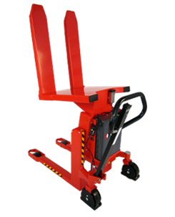
 | LOGITILT - FORK OVER
 | Model | Capacity | Fork Size (OD) | Fork Length | List Price (USD)
 | LT 1001 TE (Old# ELT 1001E) | 2200 | 22" | 31.5" | $4,800
 | LT 1001 TE (Old# ELT 1001E) | 2200 | 27" | 31.5" | $5,800
 | LT 751 TE (Old# ELT 751E) | 1650 | 22" | 45" | $5,300
 | LT 751 TE (Old# ELT 751E) | 1650 | 27" | 45" | $6,300

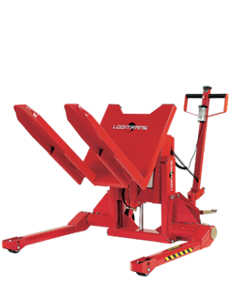
 | LOGITILT - STRADDLE
 | Model | Capacity | Fork Size (OD) | Fork Length | List Price (USD)
 | LT 1001 TES* (Old# ELTS 1001E) | 2200 | 22" | 31.5" | $6,000
 | LT 1001 TES* (Old# ELTS 1001E) | 2200 | 27" | 31.5" | $7,000
 | LT 1001 TES* (Old# ELTS 1001E) | 1650 | 22" | 45" | $6,500
 | LT 1001 TES* (Old# ELTS 1001E) | 1650 | 27" | 45" | $7,500
 | *Straddle Sizes: A: 33" - 37", B: 37" - 44", C: 44" - 51", D: 49" - 56". D is available at an extra charge of $750 and lifting capacity is reduced to 1760 LBS

13

 | SKIDS USED FOR FORK OVER DESIGN

 | SKIDS/PALLETS USED FOR STRADDLE DESIGN

14

INTERTHOR STANDARD LIMITED WARRANTY

Interthor Equipment (excluding Standard Pallet Truck) is guaranteed to be free from defects in material and workmanship subject to the parameters below under single shift usage:

Two year warranty on frame structure of unit.

One year on drive motors, hydraulic pumps, lift motors, controllers, switches and cylinder housing.

Ninety days on wearable items including but not limited to hoses, wheels, seals, brushes, chargers, batteries, and bearings. (Fuses not covered)

EXCLUSIONS: • Loaded over rated capacity • A non-approved modification • Abused or misused • Used in a hostile or corrosive environment • Failure to do proper maintenance

One year warranty on parts is applicable when user supplies serial number(s) and returns part prepaid marked with the appropriate RGA number.

Any defective part will be replaced once, freight prepaid, with ordinary wear and tear excepted.

Labor warranty work will be paid at the rate of $75.00 per hour excluding mileage/travel time to a maximum of $200.00 per unit. Labor warranty expires after ninety days.

WARRANTY BEGINS ON INVOICE DATE TO ENDUSER SUBJECT TO CHANGE WITHOUT NOTICE.

15

 | Interthor Inc, 1817 Beach St, Broadview, IL 60155
 | Phone: (888) 345-1270, Fax: (888) 345-2995, sales@interthor.com, www.interthor.com

