Reporte
EMISIÓN DE CO2 EN EL MUNDO

¿Sabías que una persona promedio en Qatar produce 41.3 toneladas de CO2 al año?
Para limpiar la contaminación de UNA SOLA PERSONA en ese país, necesitaríamos plantar un mini-bosque de 2063 árboles cada año.


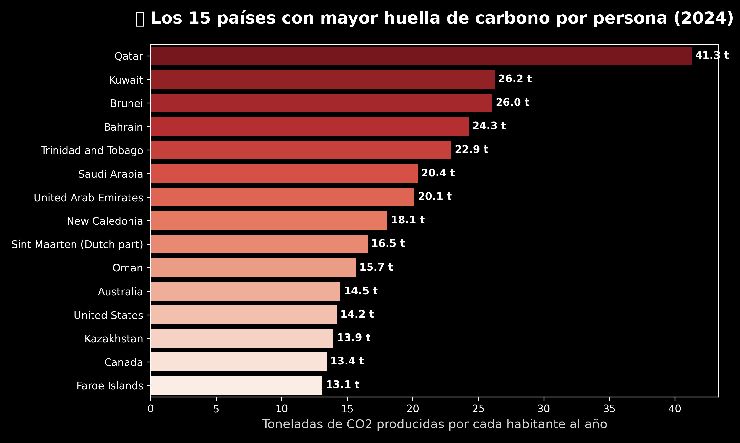
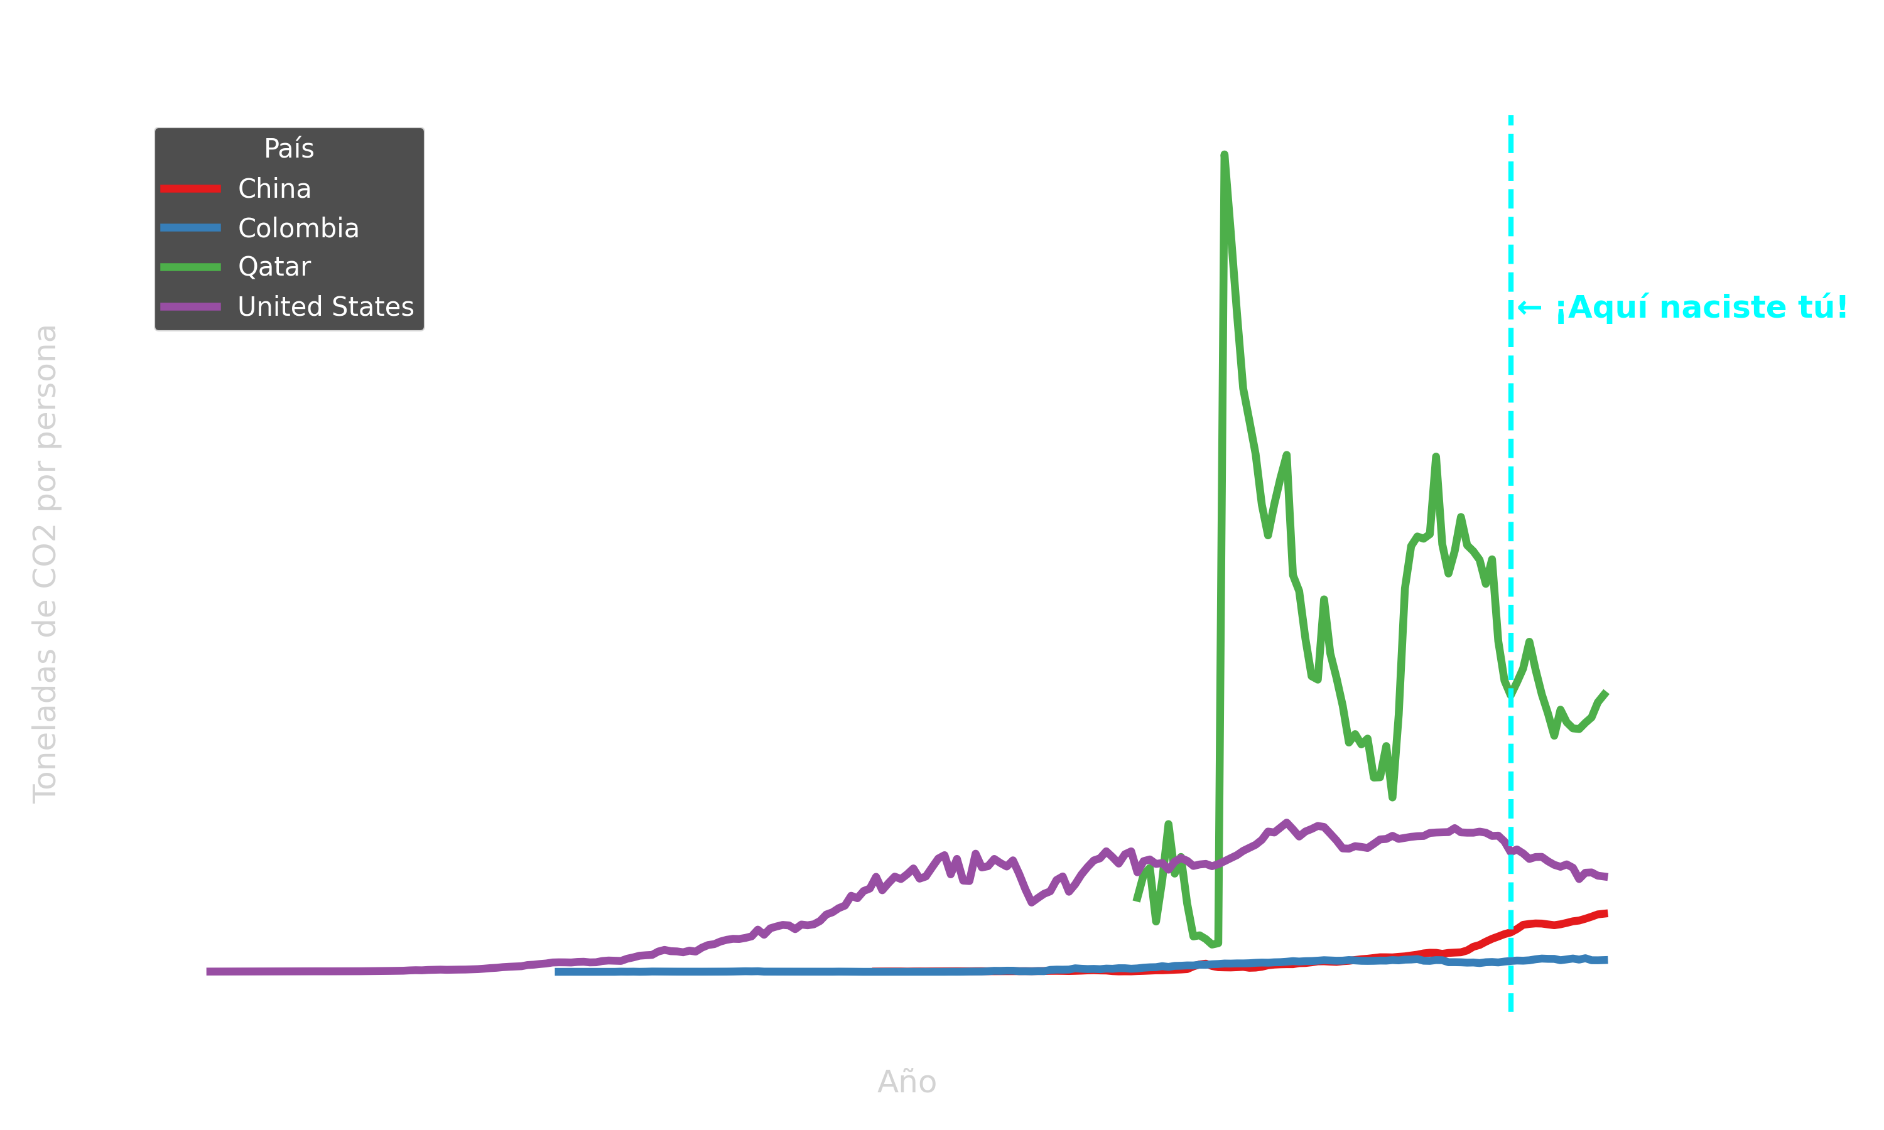


Eso equivale a cargar un celular 4,993,812 veces. ¡Es como cargar tu celular todos los días durante 13682 años!

