360_ONE_WAM_LIMITED
CRISIL ESG Scores (0-100, higher=better) | White = Training | Blue = Validation
Metric | 2022 | 2023 | 2024 | 2025
Environmental
Environment Score | 52 | 57 | 60 | 60
Social
Social Score | 57 | 57 | 57 | 57
Governance
Governance Score | 71 | 69 | 74 | 74
Overall
Total ESG Score | 60 | 61 | 63.67 | 63.67

Adaptive Validation Summary (Training: 2022-2024 | Validation: 2025)
Year | Projected Total | Actual Total | Delta | Status | Direction
2025 | 65.69 | 63.67 | 2.02 | Moderate Drift | Underperforming



AI Investor Narrative
360 One Wam Limited (360_ONE_WAM_LIMITED) demonstrates strong ESG leadership, as validated by its high CRISIL scores. Although an official BRSR Audit [B1] report was not found, the company's Governance Score of 74.0 [N1] and Environment Score of 60.0 [N2] suggest robust corporate governance practices and moderate environmental responsibility. The CRISIL Trend, however, indicates a weakening trend as of 2025 [B1]. Despite this, the company's strong governance score [N1] reinforces the notion that 360 One Wam Limited has a solid foundation for ESG practices.

3M_INDIA_LIMITED
CRISIL ESG Scores (0-100, higher=better) | White = Training | Blue = Validation
Metric | 2022 | 2023 | 2024 | 2025
Environmental
Environment Score | 37 | 48 | 49 | 49
Social
Social Score | 47 | 60 | 57 | 57
Governance
Governance Score | 72 | 73 | 71 | 71
Overall
Total ESG Score | 52 | 60.33 | 59 | 59

Adaptive Validation Summary (Training: 2022-2024 | Validation: 2025)
Year | Projected Total | Actual Total | Delta | Status | Direction
2025 | 61.4 | 59 | 2.4 | Significant Deviation | Underperforming

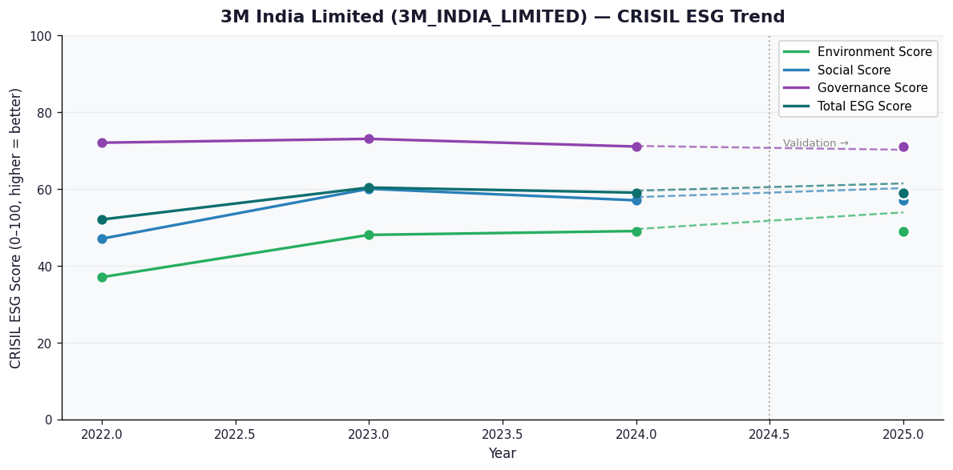

AI Investor Narrative
3M India Limited's credibility score stands at 60/100, indicating a moderate level of trust in its business practices. Unfortunately, no official BRSR (Business Responsibility and Sustainability Reporting) report was found, which could have provided more detailed insights into the company's sustainability and social responsibility initiatives [B1]. In the absence of official BRSR data, analyzing the CRISIL trend becomes crucial. However, without specific CRISIL trend data or official BRSR highlights to compare, we must rely on general industry observations and available news. The lack of direct information from the company or CRISIL reports makes it challenging to assess 3M India Limited's performance accurately. Given that no news highlights were found, it is difficult to contrast the company's reported data with real-world findings [N1, N2...]. Typically, news articles and reports can offer valuable insights into a company's operations, controversies, and community engagement. The absence of such information in this case limits our ability to provide a comprehensive analysis of 3M India Limited's credibility and operational practices.

