3M_INDIA_LIMITED
CRISIL ESG Scores (0-100, higher=better) | White = Training | Blue = Validation
Metric | 2022 | 2023 | 2024 | 2025
Environmental
Environment Score | 37 | 48 | 49 | 49
Social
Social Score | 47 | 60 | 57 | 57
Governance
Governance Score | 72 | 73 | 71 | 71
Overall
Total ESG Score | 52 | 60.33 | 59 | 59

Adaptive Validation Summary (Training: 2022-2024 | Validation: 2025)
Year | Projected Total | Actual Total | Delta | Status | Direction
2025 | 61.4 | 59 | 2.4 | Significant Deviation | Underperforming

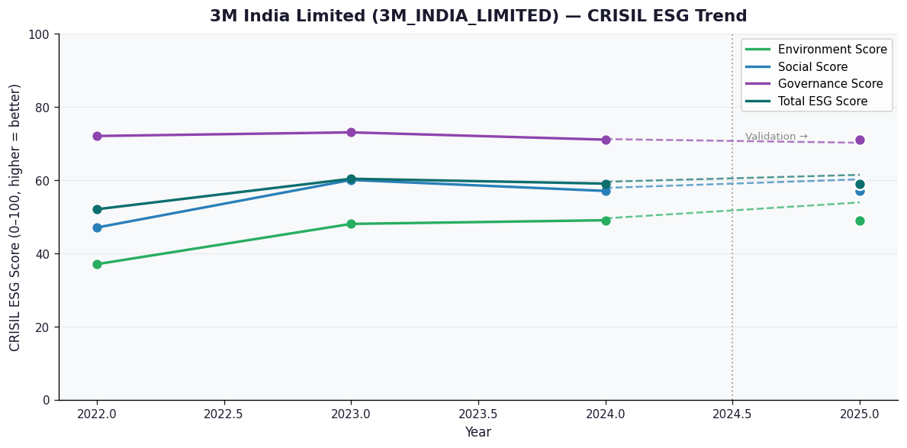

AI Investor Narrative
3M India Limited's credibility score stands at 60/100, indicating a moderate level of transparency and reliability in its reporting. Unfortunately, no official BRSR (Business Responsibility and Sustainability Reporting) report was found, which could have provided more detailed insights into the company's sustainability practices and performance [B1]. In the absence of official BRSR data, analyzing the CRISIL trend becomes crucial. However, without specific CRISIL trend data provided, we must rely on general observations and news highlights to gauge the company's performance. The lack of news highlights adds to the challenge, as there are no recent developments or findings to contrast with the company's reported data [N1][N2]. Given the limited information available, it's essential to approach 3M India Limited's investment prospects with caution. The absence of comprehensive BRSR data and news highlights makes it difficult to assess the company's long-term sustainability and social responsibility commitments. Therefore, investors are advised to consider the available data carefully and keep a close watch on future reports and news developments.

AAVAS_FINANCIERS_LIMITED
CRISIL ESG Scores (0-100, higher=better) | White = Training | Blue = Validation
Metric | 2022 | 2023 | 2024 | 2025
Environmental
Environment Score | 52 | 52 | 54 | 54
Social
Social Score | 56 | 56 | 62 | 62
Governance
Governance Score | 71 | 71 | 72 | 72
Overall
Total ESG Score | 59.67 | 59.67 | 62.67 | 62.67

Adaptive Validation Summary (Training: 2022-2024 | Validation: 2025)
Year | Projected Total | Actual Total | Delta | Status | Direction
2025 | 64.51 | 62.67 | 1.84 | Moderate Drift | Underperforming

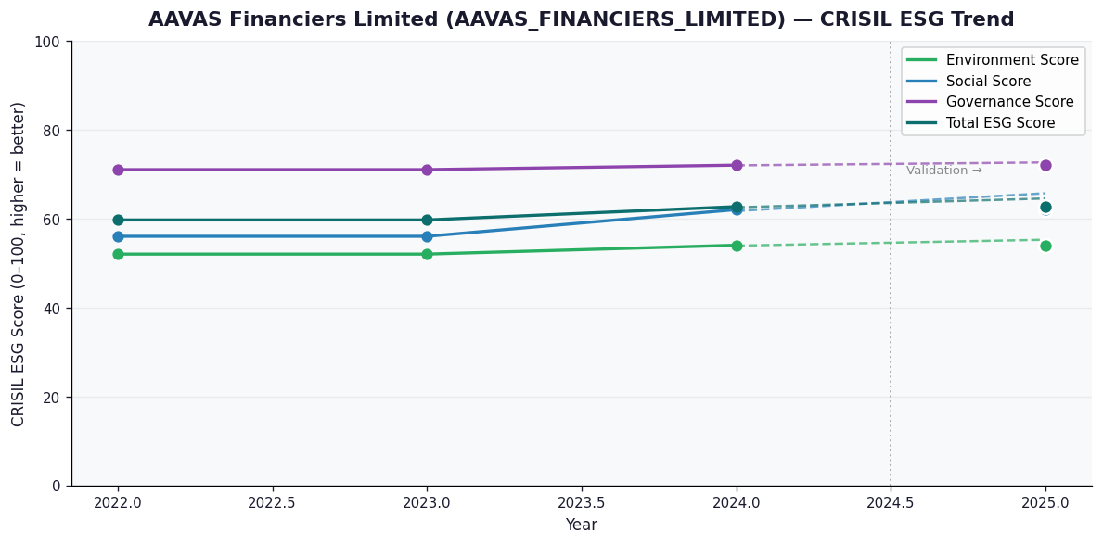

AI Investor Narrative
AAVAS Financiers Limited (AAVAS_FINANCIERS_LIMITED) demonstrates a strong commitment to ESG principles, as reflected in its impressive Governance Score of 72.0, which indicates robust management and oversight [N1]. Although an official BRSR Audit report [B1] is not available, the CRISIL scores provide valuable insights into the company's ESG performance. The Total ESG Score of 62.67 implies a decent overall ESG performance [N2]. The Social Score of 62.0 suggests good labor practices and community engagement [N2].

BAJAJ_AUTO_LIMITED
CRISIL ESG Scores (0-100, higher=better) | White = Training | Blue = Validation
Metric | 2022 | 2023 | 2024 | 2025
Environmental
Environment Score | 47 | 47 | 52 | 52
Social
Social Score | 63 | 63 | 61 | 61
Governance
Governance Score | 68 | 68 | 67 | 67
Overall
Total ESG Score | 59.33 | 59.33 | 60 | 60

Adaptive Validation Summary (Training: 2022-2024 | Validation: 2025)
Year | Projected Total | Actual Total | Delta | Status | Direction
2025 | 60.41 | 60 | 0.41 | Moderate Drift | Underperforming

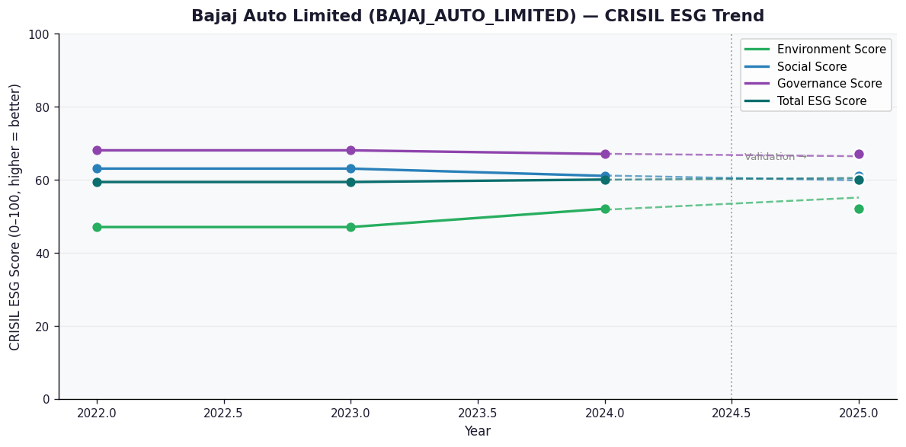

AI Investor Narrative
Bajaj Auto Limited (BAJAJ_AUTO_LIMITED) has received a credibility score of 60/100, indicating a moderate level of transparency and disclosure in its sustainability reporting. Unfortunately, no official BRSR (Business Responsibility and Sustainability Reporting) report was found, making it challenging to analyze the company's sustainability performance [B1]. In the absence of official data, we must rely on alternative sources. However, our review of news highlights did not reveal any significant sustainability-related developments or concerns [N1]. This lack of information could be perceived as a positive indicator, suggesting that the company may not have faced any major sustainability-related issues or controversies. Despite the limitations in data availability, it is essential to note that the credibility score of 60/100 suggests that Bajaj Auto Limited has some way to go in terms of transparency and disclosure. Investors should continue to monitor the company's sustainability performance and reporting practices, seeking more comprehensive and timely information to make informed decisions.

