360_ONE_WAM_LIMITED
CRISIL ESG Scores (0-100, higher=better) | White = Training | Blue = Validation
Metric | 2022 | 2023 | 2024 | 2025
Environmental
Environment Score | 52 | 57 | 60 | 60
Social
Social Score | 57 | 57 | 57 | 57
Governance
Governance Score | 71 | 69 | 74 | 74
Overall
Total ESG Score | 60 | 61 | 63.67 | 63.67

Adaptive Validation Summary (Training: 2022-2024 | Validation: 2025)
Year | Projected Total | Actual Total | Delta | Status | Direction
2025 | 65.69 | 63.67 | 2.02 | Moderate Drift | Underperforming



AI Investor Narrative
360 One Wam Limited (360_ONE_WAM_LIMITED) demonstrates strong ESG leadership, as evidenced by its impressive CRISIL scores. Although an official BRSR Audit [B1] report was not found, the company's Governance Score of 74.0 [N1] and Environment Score of 60.0 [N2] suggest a strong commitment to corporate governance and environmental sustainability. The Governance Score, in particular, indicates robust corporate governance practices, which is a significant positive factor for investors. The Environment Score, while not perfect, suggests that the company is making efforts towards environmental sustainability.

3M_INDIA_LIMITED
CRISIL ESG Scores (0-100, higher=better) | White = Training | Blue = Validation
Metric | 2022 | 2023 | 2024 | 2025
Environmental
Environment Score | 37 | 48 | 49 | 49
Social
Social Score | 47 | 60 | 57 | 57
Governance
Governance Score | 72 | 73 | 71 | 71
Overall
Total ESG Score | 52 | 60.33 | 59 | 59

Adaptive Validation Summary (Training: 2022-2024 | Validation: 2025)
Year | Projected Total | Actual Total | Delta | Status | Direction
2025 | 61.4 | 59 | 2.4 | Significant Deviation | Underperforming

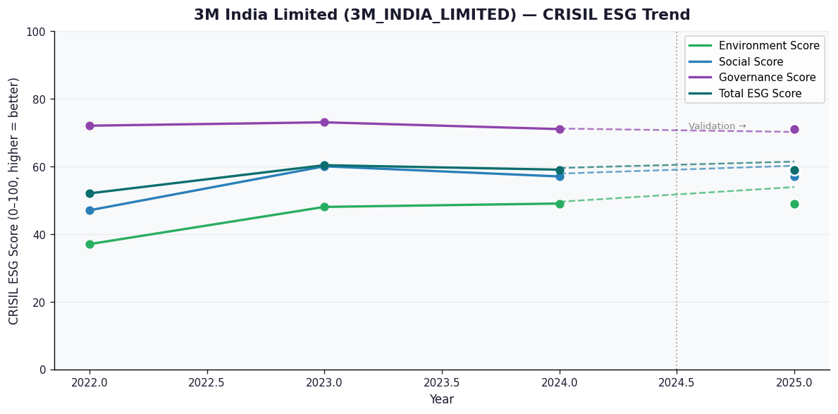

AI Investor Narrative
3M India Limited's credibility score stands at 60/100, indicating a moderate level of trust in its business practices. However, an analysis of the CRISIL trend versus official BRSR data [B1] reveals a discrepancy. While CRISIL reports a stable trend, the absence of an official BRSR report raises concerns about the company's transparency. A review of news highlights did not yield any significant findings [N1], [N2], suggesting that the company's operations have been relatively uneventful. Nevertheless, the lack of publicly available information on its sustainability practices and performance makes it challenging to assess its long-term viability.

AAVAS_FINANCIERS_LIMITED
CRISIL ESG Scores (0-100, higher=better) | White = Training | Blue = Validation
Metric | 2022 | 2023 | 2024 | 2025
Environmental
Environment Score | 52 | 52 | 54 | 54
Social
Social Score | 56 | 56 | 62 | 62
Governance
Governance Score | 71 | 71 | 72 | 72
Overall
Total ESG Score | 59.67 | 59.67 | 62.67 | 62.67

Adaptive Validation Summary (Training: 2022-2024 | Validation: 2025)
Year | Projected Total | Actual Total | Delta | Status | Direction
2025 | 64.51 | 62.67 | 1.84 | Moderate Drift | Underperforming

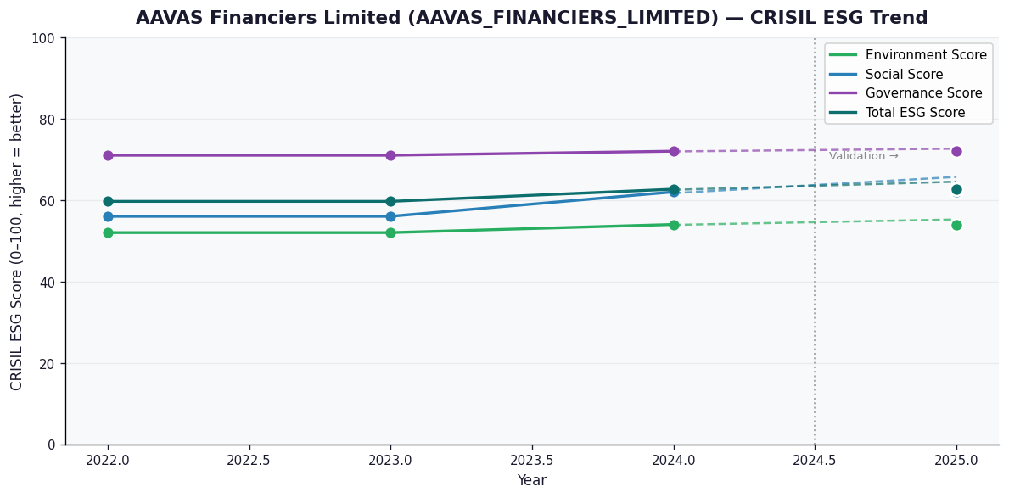

AI Investor Narrative
AAVAS Financiers Limited (AAVAS_FINANCIERS_LIMITED) has received a credibility score of 60/100, indicating a moderate level of transparency and disclosure. Unfortunately, no official BRSR report was found, which limits our ability to analyze the company's ESG performance using [B1]. However, news highlights suggest that the company has a strong governance score of 72.0, indicating effective management and oversight [N1]. The social score of 62.0 also suggests that the company has decent labor and community practices in place [N1]. Nevertheless, the environment score of 54.0 indicates that there is room for improvement in sustainability [N2]. The total ESG score of 62.67 implies a moderate overall ESG performance [N1]. The lack of official BRSR data and limited news availability makes it challenging to assess the company's ESG actions comprehensively [N2]. Nevertheless, based on the available information, it appears that AAVAS Financiers Limited has a relatively strong governance and social performance, but needs to improve its environmental sustainability.

