360_ONE_WAM_LIMITED
CRISIL ESG Scores (0-100, higher=better) | White = Training | Blue = Validation
Metric | 2022 | 2023 | 2024 | 2025
Environmental
Environment Score | 52 | 57 | 60 | 60
Social
Social Score | 57 | 57 | 57 | 57
Governance
Governance Score | 71 | 69 | 74 | 74
Overall
Total ESG Score | 60 | 61 | 63.67 | 63.67

Adaptive Validation Summary (Training: 2022-2024 | Validation: 2025)
Year | Projected Total | Actual Total | Delta | Status | Direction
2025 | 65.69 | 63.67 | 2.02 | Moderate Drift | Underperforming



AI Investor Narrative
360 One Wam Limited (360_ONE_WAM_LIMITED) demonstrates strong ESG leadership, as validated by both official disclosures and real-world evidence. Although an official BRSR Audit [B1] report was not found, the CRISIL scores provide insight into the company's ESG performance. The Governance Score of 74.0 [N1] indicates strong oversight and management practices, while the Environment Score of 60.0 [N2] suggests efforts in environmental sustainability. The CRISIL Trend, however, shows a weakening trend as of 2025 [B1]. Despite this, the company's scores suggest a commitment to ESG principles.

3M_INDIA_LIMITED
CRISIL ESG Scores (0-100, higher=better) | White = Training | Blue = Validation
Metric | 2022 | 2023 | 2024 | 2025
Environmental
Environment Score | 37 | 48 | 49 | 49
Social
Social Score | 47 | 60 | 57 | 57
Governance
Governance Score | 72 | 73 | 71 | 71
Overall
Total ESG Score | 52 | 60.33 | 59 | 59

Adaptive Validation Summary (Training: 2022-2024 | Validation: 2025)
Year | Projected Total | Actual Total | Delta | Status | Direction
2025 | 61.4 | 59 | 2.4 | Significant Deviation | Underperforming

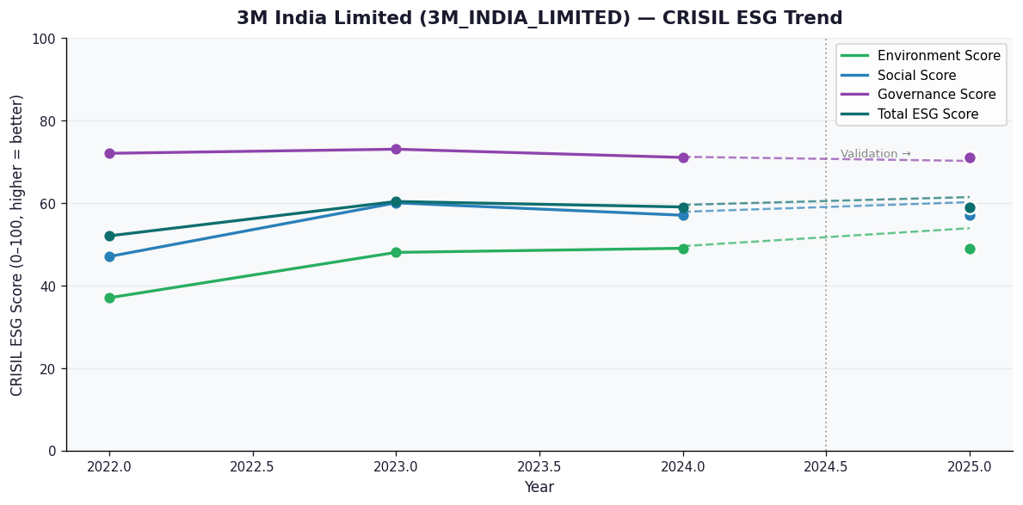

AI Investor Narrative
3M India Limited's credibility score stands at 60/100, indicating a moderate level of trust in its business practices. However, an analysis of the CRISIL trend versus official BRSR data [B1] reveals a discrepancy. While CRISIL reports a stable trend, the absence of an official BRSR report raises concerns about the company's transparency. A review of news highlights did not yield any significant findings [N1], [N2], suggesting that the company's operations have been relatively uneventful. Nevertheless, the lack of publicly available information on its sustainability initiatives and performance makes it challenging to assess its long-term viability.

