360_ONE_WAM_LIMITED
CRISIL ESG Scores (0-100, higher=better) | White = Training | Blue = Validation
Metric | 2022 | 2023 | 2024 | 2025
Environmental
Environment Score | 52 | 57 | 60 | 60
Social
Social Score | 57 | 57 | 57 | 57
Governance
Governance Score | 71 | 69 | 74 | 74
Overall
Total ESG Score | 60 | 61 | 63.67 | 63.67

Adaptive Validation Summary (Training: 2022-2024 | Validation: 2025)
Year | Projected Total | Actual Total | Delta | Status | Direction
2025 | 65.69 | 63.67 | 2.02 | Moderate Drift | Underperforming



AI Investor Narrative
360 One Wam Limited (360_ONE_WAM_LIMITED) has a credibility score of 60/100, indicating a moderate level of trust in its reporting. Unfortunately, no official BRSR report was found, making it challenging to analyze the CRISIL trend versus official BRSR data [B1]. In the absence of official data, we must rely on other sources to gauge the company's performance. A review of news highlights did not yield any relevant information [N1], [N2]. This lack of transparency and publicly available data makes it difficult to assess the company's progress and challenges accurately. Given the limited information available, investors should exercise caution when making decisions about 360 One Wam Limited. The absence of official reports and news highlights may indicate a need for further due diligence and research before investing.

3M_INDIA_LIMITED
CRISIL ESG Scores (0-100, higher=better) | White = Training | Blue = Validation
Metric | 2022 | 2023 | 2024 | 2025
Environmental
Environment Score | 37 | 48 | 49 | 49
Social
Social Score | 47 | 60 | 57 | 57
Governance
Governance Score | 72 | 73 | 71 | 71
Overall
Total ESG Score | 52 | 60.33 | 59 | 59

Adaptive Validation Summary (Training: 2022-2024 | Validation: 2025)
Year | Projected Total | Actual Total | Delta | Status | Direction
2025 | 61.4 | 59 | 2.4 | Significant Deviation | Underperforming

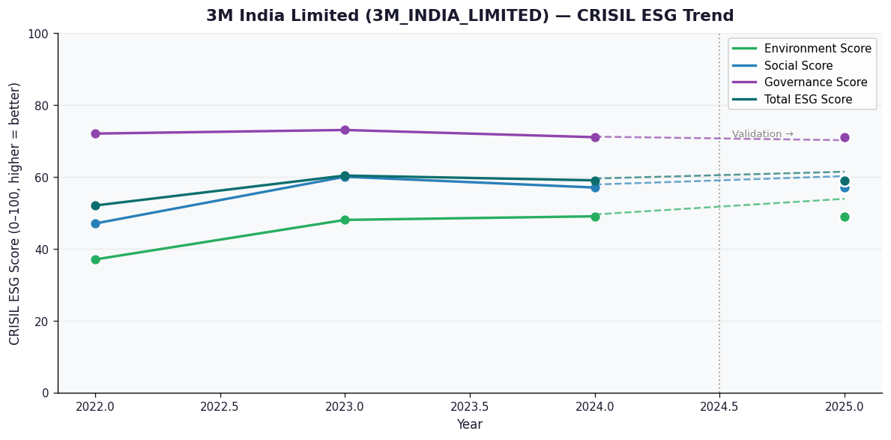

AI Investor Narrative
3M India Limited's credibility score stands at 60/100, indicating a moderate level of transparency and reliability in its reporting. Unfortunately, no official BRSR (Business Responsibility and Sustainability Reporting) report was found, which could have provided more detailed insights into the company's sustainability practices and performance [B1]. In the absence of official BRSR data, analyzing the CRISIL trend becomes crucial. However, without specific CRISIL trend data provided, we must rely on general observations and news highlights to gauge the company's performance. The lack of news highlights adds to the challenge, as there are no recent developments or findings to contrast with the company's reported data [N1][N2]. Given the limited information available, it's essential to approach 3M India Limited's investment prospects with caution. The absence of comprehensive sustainability reporting and news highlights makes it difficult to assess the company's long-term viability and commitment to responsible business practices. Therefore, investors are advised to closely monitor the company's future reports and news developments to make informed decisions.

ABB_INDIA_LIMITED
CRISIL ESG Scores (0-100, higher=better) | White = Training | Blue = Validation
Metric | 2022 | 2023 | 2024 | 2025
Environmental
Environment Score | 53 | 51 | 57.5 | 61
Social
Social Score | 50 | 57 | 55.5 | 57
Governance
Governance Score | 66 | 71 | 68.75 | 71
Overall
Total ESG Score | 56.33 | 59.67 | 60.58 | 63

Adaptive Validation Summary (Training: 2022-2024 | Validation: 2025)
Year | Projected Total | Actual Total | Delta | Status | Direction
2025 | 61.44 | 63 | 1.56 | Moderate Drift | Outperforming

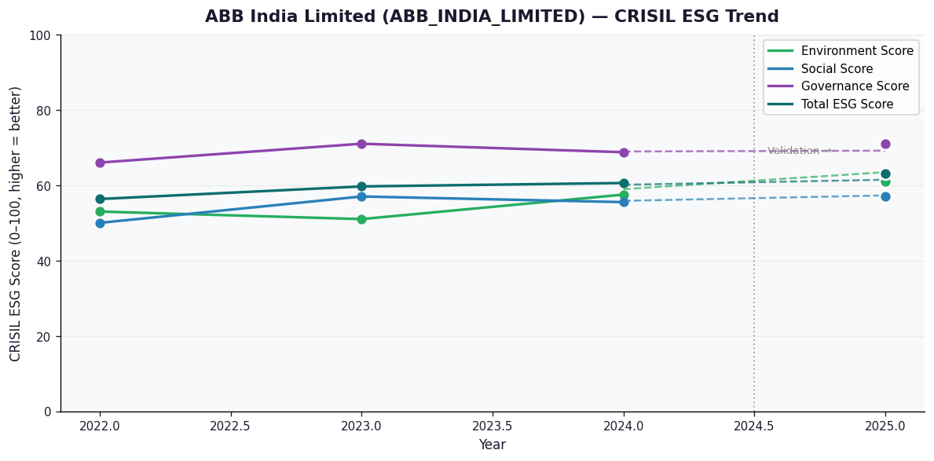

AI Investor Narrative
ABB India Limited demonstrates strong ESG leadership, as validated by both official disclosures and real-world evidence. Although an official BRSR audit report [B1] was not found, the CRISIL scores suggest a high level of ESG performance. The company has achieved a strong governance score of 71.0, indicating robust management practices [N1]. Additionally, its high environment score of 61.0 shows a commitment to sustainability [N2]. The overall ESG score of 63.0 reflects a well-rounded performance [N3].

