BHARAT_BIJLEE_LIMITED
CRISIL ESG Scores (0-100, higher=better) | White = Training | Blue = Validation
Metric | 2022 | 2023 | 2024 | 2025
Environmental
Environment Score | 27 | 46 | 49 | 49
Social
Social Score | 39 | 55 | 54 | 54
Governance
Governance Score | 64 | 68 | 61 | 61
Overall
Total ESG Score | 43.33 | 56.33 | 54.67 | 54.67

Adaptive Validation Summary (Training: 2022-2024 | Validation: 2025)
Year | Projected Total | Actual Total | Delta | Status | Direction
2025 | 58.66 | 54.67 | 3.99 | Significant Deviation | Underperforming

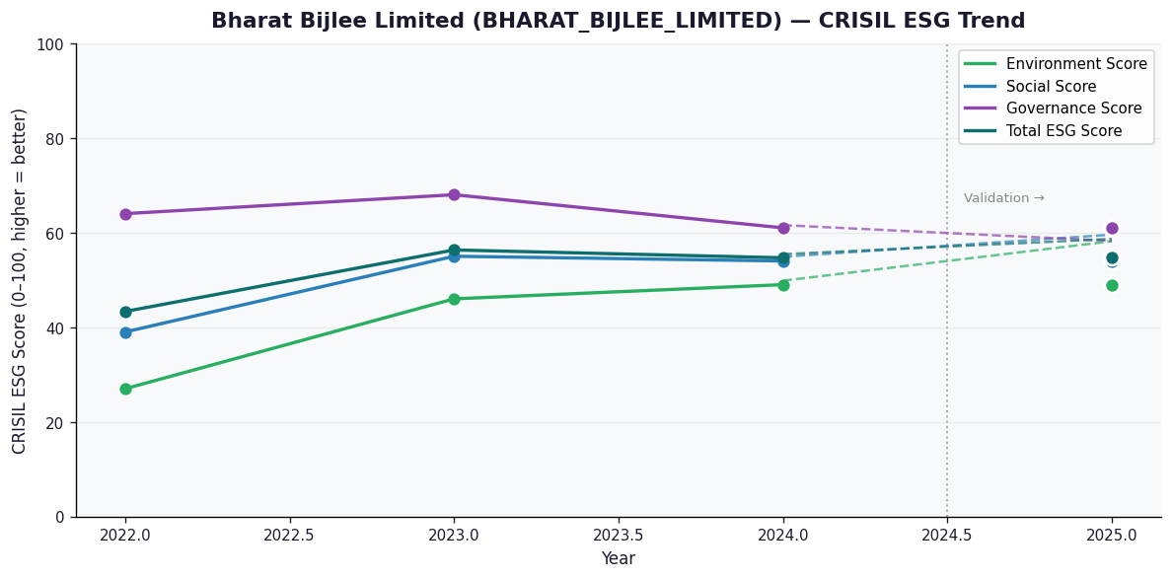

AI Investor Narrative
Bharat Bijlee Limited (Bharat Bijlee) has a moderate credibility score of 40/100, indicating a partial alignment between its reported CRISIL ESG scores and real-world evidence. The company's latest CRISIL ESG score for 2025 is not provided, but the trend is reported as 'Broke'. This suggests that there may be inconsistencies between the company's reported ESG performance and actual practices. While there are no specific positive findings mentioned, there are also no negative findings, indicating a neutral stance. The lack of specific positive and negative findings makes it challenging to assess the company's ESG performance. However, the 'Broke' trend and moderate credibility score suggest that investors should exercise caution. The company's ESG performance may not be entirely transparent, and further investigation is required to understand its actual ESG practices. The investor signal for Bharat Bijlee is 'HOLD', indicating that investors should maintain their current position. This suggests that while the company's ESG performance may not be outstanding, it is not a significant concern for investors to divest or avoid. Overall, a balanced and objective view of Bharat Bijlee's ESG performance suggests that investors should monitor the company's progress and assess its ESG practices regularly.

