COCHIN_SHIPYARD_LIMITED
CRISIL ESG Scores (0-100, higher=better) | White = Training | Blue = Validation
Metric | 2022 | 2023 | 2024 | 2025
Environmental
Environment Score | 36 | 34 | 35.5 | 34
Social
Social Score | 59 | 63 | 61.5 | 63
Governance
Governance Score | 58 | 57 | 51 | 49
Overall
Total ESG Score | 51 | 51.33 | 49.33 | 48.67

Adaptive Validation Summary (Training: 2022-2024 | Validation: 2025)
Year | Projected Total | Actual Total | Delta | Status | Direction
2025 | 48.43 | 48.67 | 0.24 | On Track | Outperforming

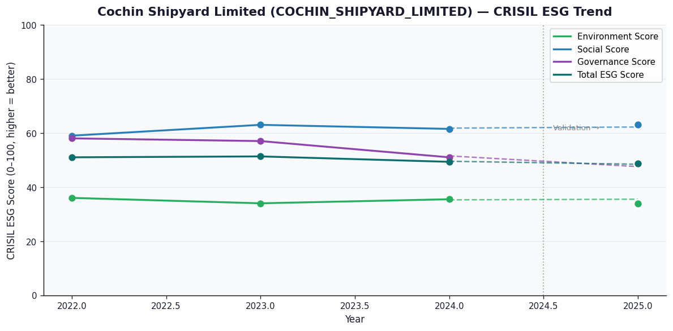

AI Investor Narrative
Cochin Shipyard Limited (CSL) has demonstrated a moderate level of ESG alignment, with a CRISIL ESG score of 48.67 out of 100. The company's environmental score of 34.0 indicates room for improvement in this area. However, its social score of 63.0 and governance score of 49.0 suggest a relatively stronger performance. The sustained trend in CSL's ESG scores is a positive sign, reflecting the company's ongoing efforts to enhance its ESG practices. Recent developments have been mixed. On the positive side, CSL has received an ESG rating of 60 from the National Stock Exchange (NSE) Sustainability, partnered with HBL Engineering for green maritime technology, and secured a ₹250 crore order. Additionally, the company has announced a ₹3.50/share dividend, which may appeal to income-seeking investors. However, there are concerns, including a decline of 18% in Q3 profit year-over-year, fines from the exchange for independent directors' non-compliance, and a 'Strong Sell' rating from Markets Mojo. Overall, CSL's moderate credibility score of 60/100 reflects the partial alignment between its reported CRISIL ESG scores and real-world evidence. While the company has made progress in certain areas, it still faces challenges that need to be addressed. Investors should carefully weigh these factors when making informed decisions.

EDELWEISS_RURAL_AND_CORPORATE_S
CRISIL ESG Scores (0-100, higher=better) | White = Training | Blue = Validation
Metric | 2022 | 2023 | 2024 | 2025
Environmental
Environment Score | 36 | N/A | N/A | N/A
Social
Social Score | 35 | N/A | N/A | N/A
Governance
Governance Score | 54 | N/A | N/A | N/A
Overall
Total ESG Score | 41.67 | N/A | N/A | N/A

Adaptive Validation Summary (Training: 2022-2024 | Validation: 2025)
Year | Projected Total | Actual Total | Delta | Status | Direction

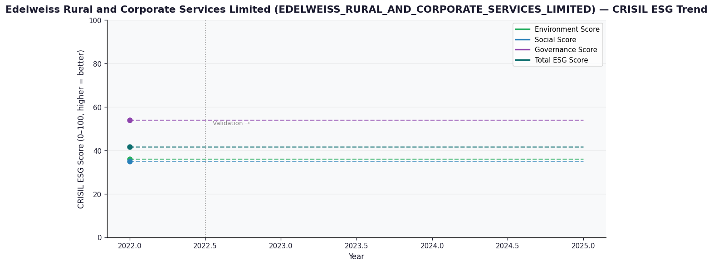

AI Investor Narrative
[Fallback] LLM pipeline could not complete for EDELWEISS_RURAL_AND_CORPORATE_SERVICES_LIMITED (call3_failed).

