BRITANNIA_INDUSTRIES_LIMITED
CRISIL ESG Scores (0-100, higher=better) | White = Training | Blue = Validation
Metric | 2022 | 2023 | 2024 | 2025
Environmental
Environment Score | 54 | 54 | 50 | 50
Social
Social Score | 58 | 58 | 59 | 59
Governance
Governance Score | 68 | 68 | 71 | 71
Overall
Total ESG Score | 60 | 60 | 60 | 60

Adaptive Validation Summary (Training: 2022-2024 | Validation: 2025)
Year | Projected Total | Actual Total | Delta | Status | Direction
2025 | 60 | 60 | 0 | Moderate Drift | On Track

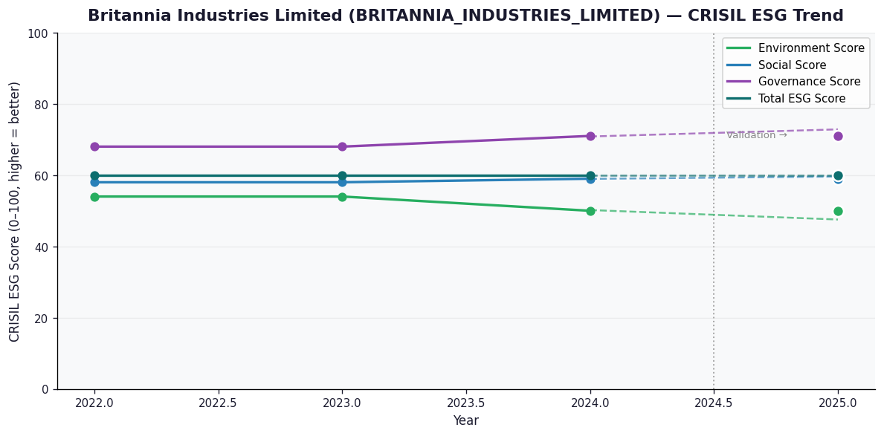

AI Investor Narrative
Britannia Industries Limited (BIL) has demonstrated a moderate level of ESG performance, with a CRISIL ESG score of 60.0 in the latest year (2025). The company's governance score stands out at 71.0, indicating a strong commitment to transparency and accountability. Additionally, BIL has reported a 9.5% revenue growth and 17.1% profit jump in Q3FY26, showcasing its resilience in the Packaged Foods sector. The company has also allocated Rs 50.44 crore to Corporate Social Responsibility (CSR) initiatives in FY 2025, highlighting its focus on social responsibility. However, areas of concern persist. The environmental score of 50.0 is relatively low compared to its peers, and the company faces criticism for alleged greenwashing in its advertising practices. Furthermore, BIL's growth slowdown raises concerns about its future performance, with the stock facing a downgrade to Sell amid high valuation pressure. Southern India, a key region for the company, poses potential risks to its ESG performance. Overall, while BIL exhibits strengths in governance and social responsibility, its environmental performance and growth prospects require careful monitoring. With a moderate credibility score of 60/100, investors should adopt a cautious approach.

