3M_INDIA_LIMITED
CRISIL ESG Scores (0-100, higher=better) | White = Training | Blue = Validation
Metric | 2022 | 2023 | 2024 | 2025
Environmental
Environment Score | 37 | 48 | 49 | 49
Social
Social Score | 47 | 60 | 57 | 57
Governance
Governance Score | 72 | 73 | 71 | 71
Overall
Total ESG Score | 52 | 60.33 | 59 | 59

Adaptive Validation Summary (Training: 2022-2024 | Validation: 2025)
Year | Projected Total | Actual Total | Delta | Status | Direction
2025 | 61.4 | 59 | 2.4 | Significant Deviation | Underperforming

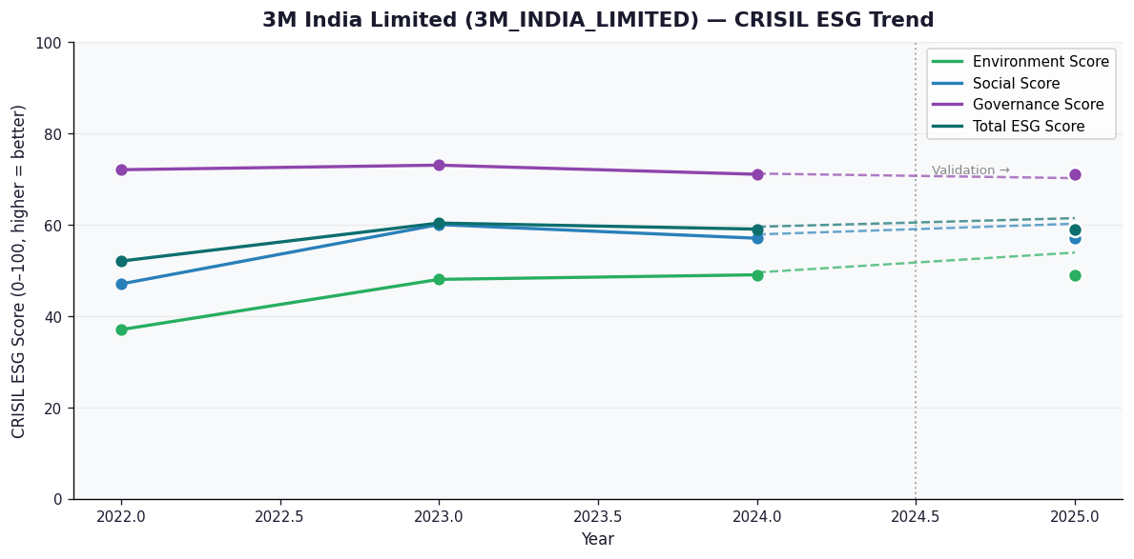

AI Investor Narrative
3M India Limited shows notable strengths in governance and social dimensions, reflected in a CRISIL governance score of 71 and an independent SES rating of 71.6. The company’s launch of India’s first circularity‑linked carbon credits for end‑of‑life vehicles demonstrates proactive climate mitigation, while its pledge to deliver 5 million STEM and skilled‑trade learning experiences for under‑represented groups by 2025 underscores a solid social agenda. Participation in the CII Karnataka ESG whitepaper summit and consistent revenue growth (14% YoY in Q2, 9% in Q4) further reinforce its capacity to fund ESG initiatives and suggests operational resilience. However, the environmental score of 49 signals weak performance on climate and resource efficiency, compounded by the absence of disclosed carbon‑intensity or renewable‑energy targets. Financially, the firm faced a sharp 58% drop in Q4 net profit to ₹71.37 cr and a Q3 loss driven by exceptional items, raising concerns about short‑term stability. A moderate credibility score of 55/100 indicates only partial alignment between reported ESG metrics and on‑ground reality, and recent exposure to sector‑wide trading scam news could affect stakeholder perception. Investors should weigh the strong governance and social initiatives against the environmental gaps and financial volatility before making a decision.

