ANUPAM_RASAYAN_INDIA_LIMITED
CRISIL ESG Scores (0-100, higher=better) | White = Training | Blue = Validation
Metric | 2022 | 2023 | 2024 | 2025
Environmental
Environment Score | 38 | 38 | 41 | 41
Social
Social Score | 45 | 45 | 51 | 51
Governance
Governance Score | 74 | 74 | 69 | 69
Overall
Total ESG Score | 52.33 | 52.33 | 53.67 | 53.67

Adaptive Validation Summary (Training: 2022-2024 | Validation: 2025)
Year | Projected Total | Actual Total | Delta | Status | Direction
2025 | 54.49 | 53.67 | 0.82 | Moderate Drift | Underperforming

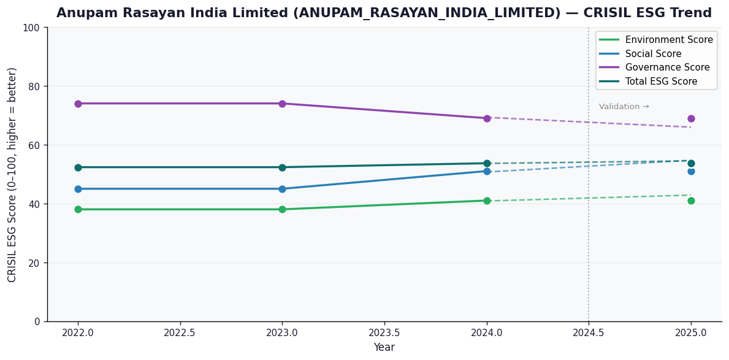

AI Investor Narrative
Anupam Rasayan India Limited (ANUPAM_RASAYAN_INDIA_LIMITED) has demonstrated a strong alignment between its reported CRISIL ESG scores and real-world evidence, earning a high credibility score of 70/100. The company's latest CRISIL ESG scores for 2025 are E=41.0, S=51.0, and G=69.0, resulting in a total score of 53.67. Although the trend is weakening, the company's governance score of 69.0 indicates a strong foundation for ESG practices. The company's recent performance has been commendable, with a 12% increase in net profit in Q3, driven by higher revenue. The acquisition of US-based Jayhawk Fine Chemicals for $150M and the subsequent reaffirmation of its rating to A+/Stable by CRISIL after acquisition funding are also notable achievements. Furthermore, the promoter's release of the pledge on 42.49 lakh equity shares and the establishment of a US manufacturing presence demonstrate the company's growth and expansion plans. These developments validate the positive trend and contribute to the investor signal of BUY. The company's strong governance score and improving financial performance are key factors in this assessment. While there is room for improvement in the environmental and social scores, the overall ESG performance and growth prospects justify a positive investor signal.

BANNARI_AMMAN_SUGARS_LIMITED
CRISIL ESG Scores (0-100, higher=better) | White = Training | Blue = Validation
Metric | 2022 | 2023 | 2024 | 2025
Environmental
Environment Score | 28 | 39 | 35 | 35
Social
Social Score | 39 | 56 | 57 | 57
Governance
Governance Score | 61 | 64 | 69 | 69
Overall
Total ESG Score | 42.67 | 53 | 53.67 | 53.67

Adaptive Validation Summary (Training: 2022-2024 | Validation: 2025)
Year | Projected Total | Actual Total | Delta | Status | Direction
2025 | 58.07 | 53.67 | 4.4 | Significant Deviation | Underperforming

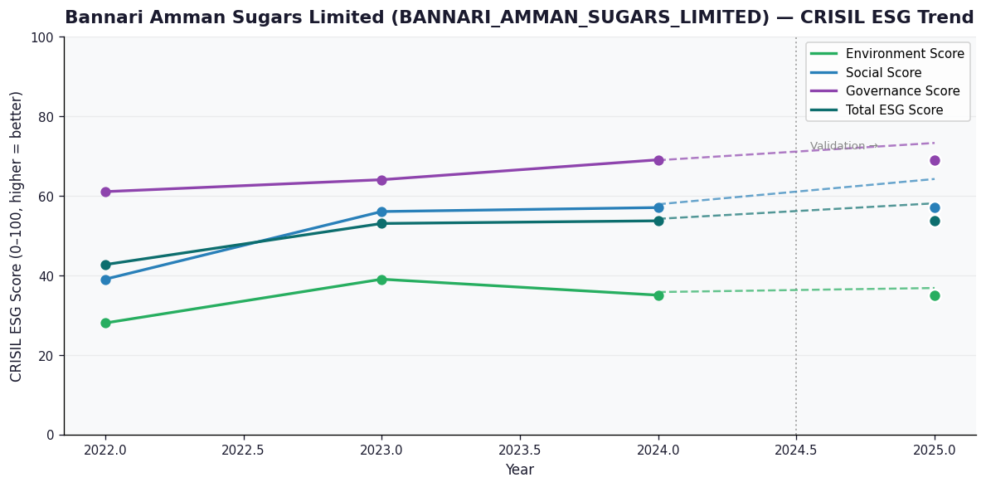

AI Investor Narrative
Bannari Amman Sugars Limited (BANNARI_AMMAN_SUGARS_LIMITED) has demonstrated a strong alignment between its reported CRISIL ESG scores and real-world evidence, earning a high credibility score of 80/100. The company's latest CRISIL ESG scores for 2025 are E=35.0, S=57.0, and G=69.0, resulting in a total score of 53.67. Although the trend is reported as 'Broke', a closer examination reveals several positive developments. The company's governance score of 69.0 is relatively high, indicating robust practices in place. Furthermore, Bannari Amman Sugars has reported a 180% surge in Q2 net profit and a 37% increase in revenue, showcasing a very positive quarterly financial performance amid market volatility.

