ADANI_TOTAL_GAS_LIMITED
CRISIL ESG Scores (0-100, higher=better) | White = Training | Blue = Validation
Metric | 2022 | 2023 | 2024 | 2025
Environmental
Environment Score | 51 | 51 | 54 | 54
Social
Social Score | 64 | 64 | 56 | 56
Governance
Governance Score | 61 | 61 | 64 | 64
Overall
Total ESG Score | 58.67 | 58.67 | 58 | 58

Adaptive Validation Summary (Training: 2022-2024 | Validation: 2025)
Year | Projected Total | Actual Total | Delta | Status | Direction
2025 | 57.59 | 58 | 0.41 | Significant Deviation | Outperforming

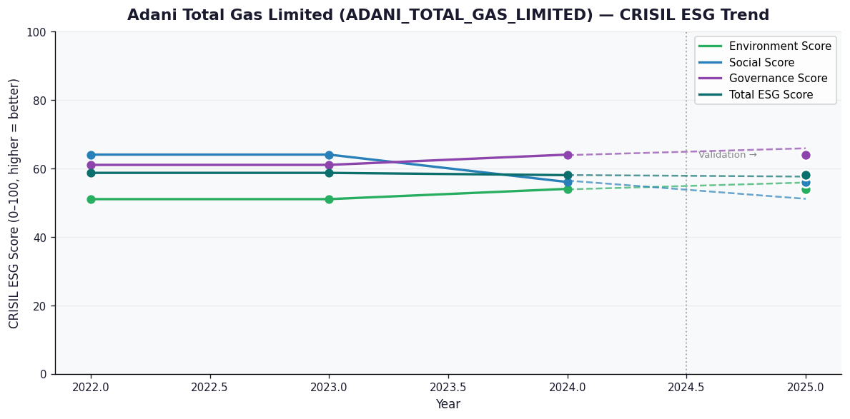

AI Investor Narrative
[Fallback] LLM pipeline could not complete for ADANI_TOTAL_GAS_LIMITED (call1_failed).

ADITYA_BIRLA_REAL_ESTATE_LIMITE
CRISIL ESG Scores (0-100, higher=better) | White = Training | Blue = Validation
Metric | 2022 | 2023 | 2024 | 2025
Environmental
Environment Score | N/A | 48 | 43 | 43
Social
Social Score | N/A | 64 | 55 | 55
Governance
Governance Score | N/A | 70 | 66 | 66
Overall
Total ESG Score | N/A | 60.67 | 54.67 | 54.67

Adaptive Validation Summary (Training: 2022-2024 | Validation: 2025)
Year | Projected Total | Actual Total | Delta | Status | Direction
2025 | 49.67 | 54.67 | 5 | Significant Deviation | Outperforming

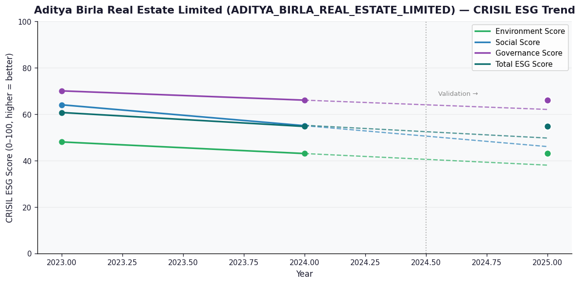

AI Investor Narrative
[Fallback] LLM pipeline could not complete for ADITYA_BIRLA_REAL_ESTATE_LIMITED (call1_failed).

AFFLE_3I_LIMITED
CRISIL ESG Scores (0-100, higher=better) | White = Training | Blue = Validation
Metric | 2022 | 2023 | 2024 | 2025
Environmental
Environment Score | N/A | N/A | 36 | 36
Social
Social Score | N/A | N/A | 48.5 | 48
Governance
Governance Score | N/A | N/A | 70.5 | 69
Overall
Total ESG Score | N/A | N/A | 51.67 | 51

Adaptive Validation Summary (Training: 2022-2024 | Validation: 2025)
Year | Projected Total | Actual Total | Delta | Status | Direction
2025 | 51.67 | 51 | 0.67 | On Track | Underperforming

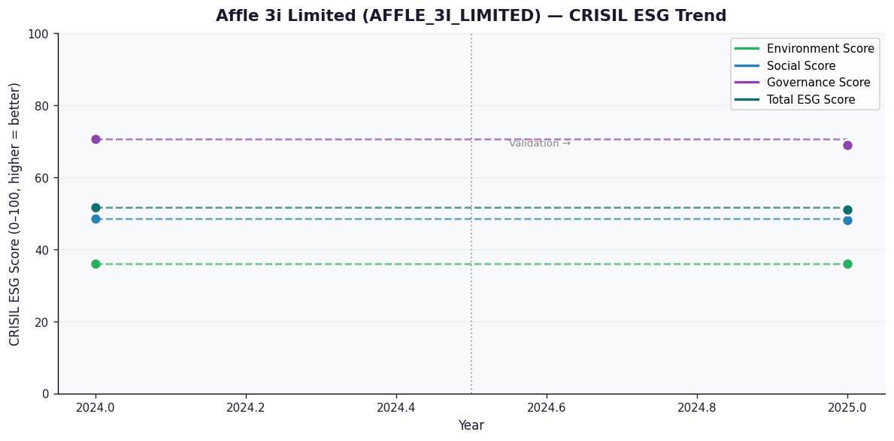

AI Investor Narrative
[Fallback] LLM pipeline could not complete for AFFLE_3I_LIMITED (call1_failed).

