360_ONE_WAM_LIMITED
CRISIL ESG Scores (0-100, higher=better) | White = Training | Blue = Validation
Metric | 2022 | 2023 | 2024 | 2025
Environmental
Environment Score | 52 | 57 | 60 | 60
Social
Social Score | 57 | 57 | 57 | 57
Governance
Governance Score | 71 | 69 | 74 | 74
Overall
Total ESG Score | 60 | 61 | 63.67 | 63.67

Adaptive Validation Summary (Training: 2022-2024 | Validation: 2025)
Year | Projected Total | Actual Total | Delta | Status | Direction
2025 | 65.69 | 63.67 | 2.02 | Moderate Drift | Underperforming



AI Investor Narrative
360 One Wam Limited posted robust financial results in FY25, with Q3 profit up 20.3% to ₹331 Cr and revenue climbing 51%, while Q2 profit rose 27.7% and an interim dividend of ₹6 Cr was declared. These earnings strengths are complemented by a CRISIL ESG rating of 70 for FY25 and a composite ESG score of 63.67, reflecting relatively strong governance (74) and moderate environmental (60) and social (57) performance. The company also expanded employee ownership through an ESOS allotment of 2.22 lakh equity shares, a move that aligns staff incentives with shareholder interests and supports its growth narrative amid a widening HNI wealth base. However, the firm faces notable governance and concentration risks. NSE penalised a subsidiary for a ₹1 Lakh compliance breach, and recent promoter‑group share acquisitions under SEBI takeover rules have raised concerns about ownership concentration and potential insider influence, especially after an off‑market gift of 10 lakh shares. Regulatory scrutiny over these transactions could affect market perception. Moreover, despite a moderate environment score, the company provides limited disclosure on concrete sustainability initiatives, which tempers confidence in its long‑term ESG trajectory. The CRISIL trend is flagged as weakening, and the credibility score of 55/100 suggests partial alignment between reported ESG metrics and on‑ground realities. Investors should weigh the strong earnings momentum against the governance and disclosure gaps before making allocation decisions.

AARTI_INDUSTRIES_LIMITED
CRISIL ESG Scores (0-100, higher=better) | White = Training | Blue = Validation
Metric | 2022 | 2023 | 2024 | 2025
Environmental
Environment Score | 43 | 43 | 38 | 38
Social
Social Score | 61 | 61 | 59 | 59
Governance
Governance Score | 63 | 63 | 64 | 64
Overall
Total ESG Score | 55.67 | 55.67 | 53.67 | 53.67

Adaptive Validation Summary (Training: 2022-2024 | Validation: 2025)
Year | Projected Total | Actual Total | Delta | Status | Direction
2025 | 52.44 | 53.67 | 1.23 | Moderate Drift | Outperforming

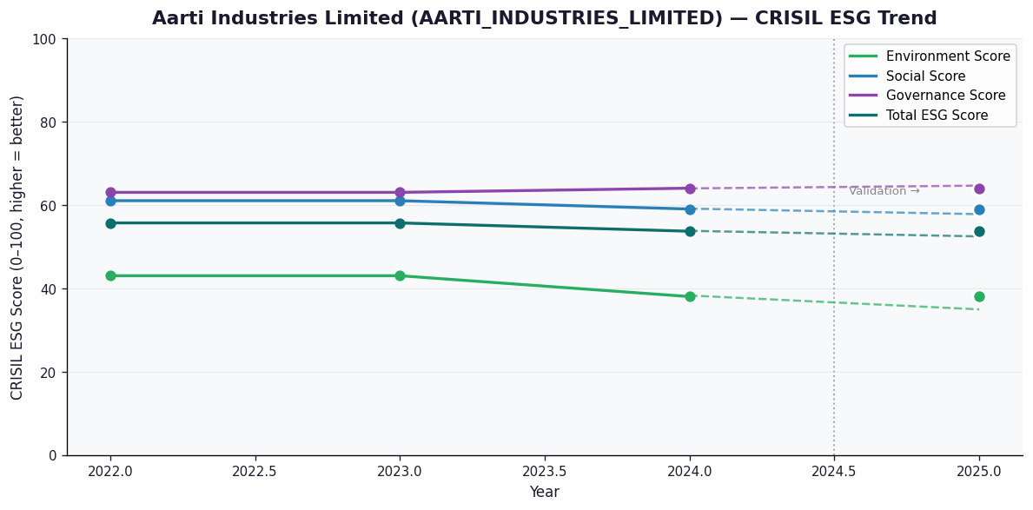

AI Investor Narrative
[Fallback] LLM pipeline could not complete for AARTI_INDUSTRIES_LIMITED (call1_failed).

ADANI_PORTS_AND_SPECIAL_ECONOMI
CRISIL ESG Scores (0-100, higher=better) | White = Training | Blue = Validation
Metric | 2022 | 2023 | 2024 | 2025
Environmental
Environment Score | 46 | 47 | N/A | N/A
Social
Social Score | 61 | 63 | N/A | N/A
Governance
Governance Score | 59 | 61 | N/A | N/A
Overall
Total ESG Score | 55.33 | 57 | N/A | N/A

Adaptive Validation Summary (Training: 2022-2024 | Validation: 2025)
Year | Projected Total | Actual Total | Delta | Status | Direction

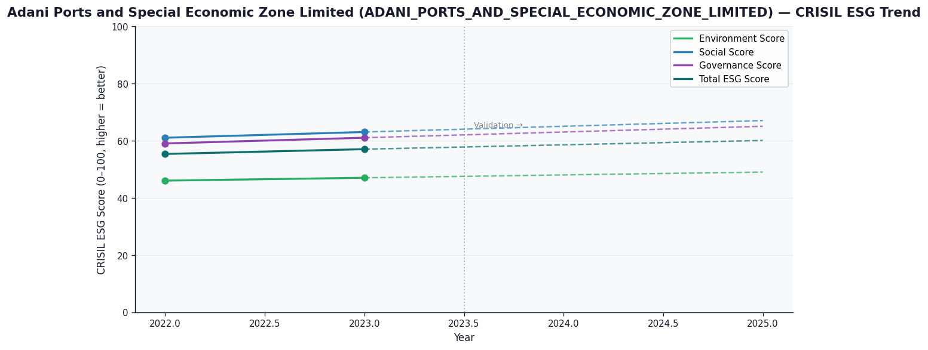

AI Investor Narrative
[Fallback] LLM pipeline could not complete for ADANI_PORTS_AND_SPECIAL_ECONOMIC_ZONE_LIMITED (call1_failed).

ADVANCED_ENZYME_TECHNOLOGIES_LI
CRISIL ESG Scores (0-100, higher=better) | White = Training | Blue = Validation
Metric | 2022 | 2023 | 2024 | 2025
Environmental
Environment Score | 50 | 38 | 35 | 35
Social
Social Score | 66 | 56 | 54 | 54
Governance
Governance Score | 67 | 67 | 67 | 67
Overall
Total ESG Score | 61 | 53.67 | 52 | 52

Adaptive Validation Summary (Training: 2022-2024 | Validation: 2025)
Year | Projected Total | Actual Total | Delta | Status | Direction
2025 | 48.15 | 52 | 3.85 | Significant Deviation | Outperforming

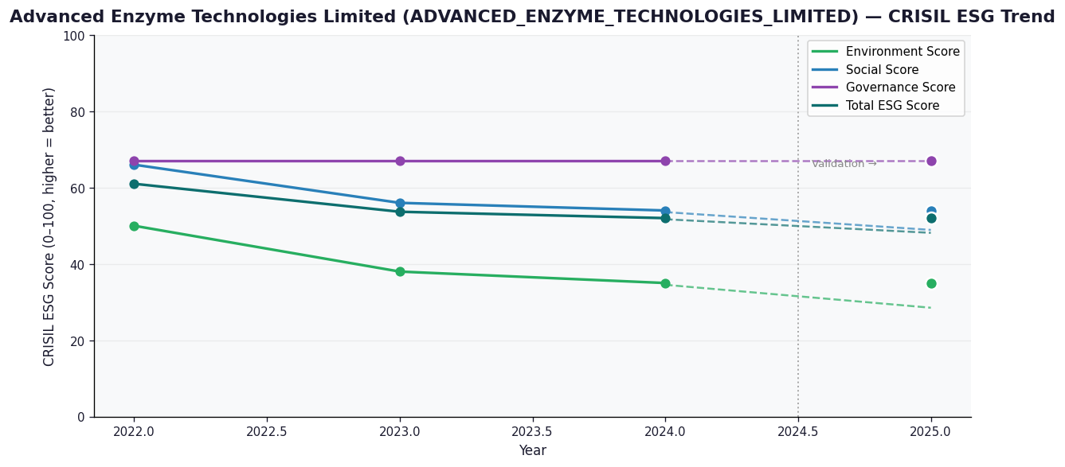

AI Investor Narrative
[Fallback] LLM pipeline could not complete for ADVANCED_ENZYME_TECHNOLOGIES_LIMITED (call1_failed).

