360_ONE_WAM_LIMITED
CRISIL ESG Scores (0-100, higher=better) | White = Training | Blue = Validation
Metric | 2022 | 2023 | 2024 | 2025
Environmental
Environment Score | 52 | 57 | 60 | 60
Social
Social Score | 57 | 57 | 57 | 57
Governance
Governance Score | 71 | 69 | 74 | 74
Overall
Total ESG Score | 60 | 61 | 63.67 | 63.67

Adaptive Validation Summary (Training: 2022-2024 | Validation: 2025)
Year | Projected Total | Actual Total | Delta | Status | Direction
2025 | 65.69 | 63.67 | 2.02 | Moderate Drift | Underperforming



AI Investor Narrative
[Fallback] LLM pipeline could not complete for 360_ONE_WAM_LIMITED (call3_failed).

AAVAS_FINANCIERS_LIMITED
CRISIL ESG Scores (0-100, higher=better) | White = Training | Blue = Validation
Metric | 2022 | 2023 | 2024 | 2025
Environmental
Environment Score | 52 | 52 | 54 | 54
Social
Social Score | 56 | 56 | 62 | 62
Governance
Governance Score | 71 | 71 | 72 | 72
Overall
Total ESG Score | 59.67 | 59.67 | 62.67 | 62.67

Adaptive Validation Summary (Training: 2022-2024 | Validation: 2025)
Year | Projected Total | Actual Total | Delta | Status | Direction
2025 | 64.51 | 62.67 | 1.84 | Moderate Drift | Underperforming

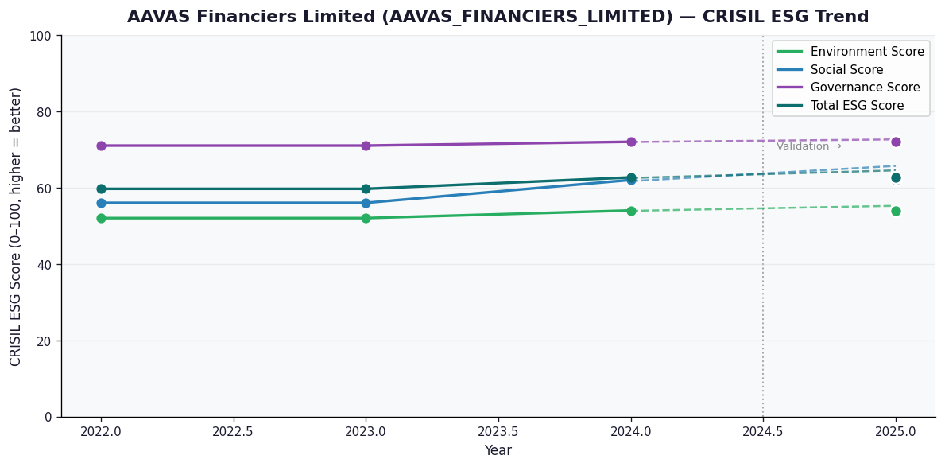

AI Investor Narrative
[Fallback] LLM pipeline could not complete for AAVAS_FINANCIERS_LIMITED (call1_failed).

AGI_GREENPAC_LIMITED
CRISIL ESG Scores (0-100, higher=better) | White = Training | Blue = Validation
Metric | 2022 | 2023 | 2024 | 2025
Environmental
Environment Score | 30 | 33 | 39 | 39
Social
Social Score | 41 | 58 | 53 | 53
Governance
Governance Score | 64 | 64 | 65 | 65
Overall
Total ESG Score | 45 | 51.67 | 52.33 | 52.33

Adaptive Validation Summary (Training: 2022-2024 | Validation: 2025)
Year | Projected Total | Actual Total | Delta | Status | Direction
2025 | 55.32 | 52.33 | 2.99 | Significant Deviation | Underperforming

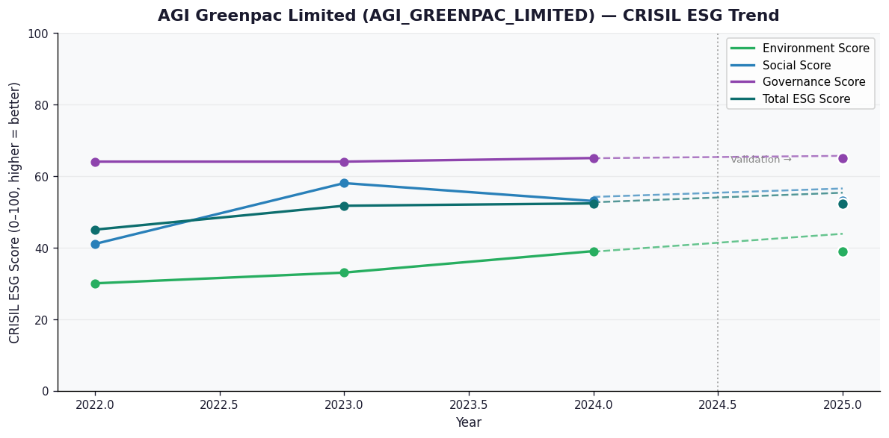

AI Investor Narrative
[Fallback] LLM pipeline could not complete for AGI_GREENPAC_LIMITED (call1_failed).

AIA_ENGINEERING_LIMITED
CRISIL ESG Scores (0-100, higher=better) | White = Training | Blue = Validation
Metric | 2022 | 2023 | 2024 | 2025
Environmental
Environment Score | 47 | 43 | 41 | 41
Social
Social Score | 45 | 57 | 55 | 55
Governance
Governance Score | 68 | 69 | 65 | 65
Overall
Total ESG Score | 53.33 | 56.33 | 53.67 | 53.67

Adaptive Validation Summary (Training: 2022-2024 | Validation: 2025)
Year | Projected Total | Actual Total | Delta | Status | Direction
2025 | 53.19 | 53.67 | 0.48 | Moderate Drift | Outperforming

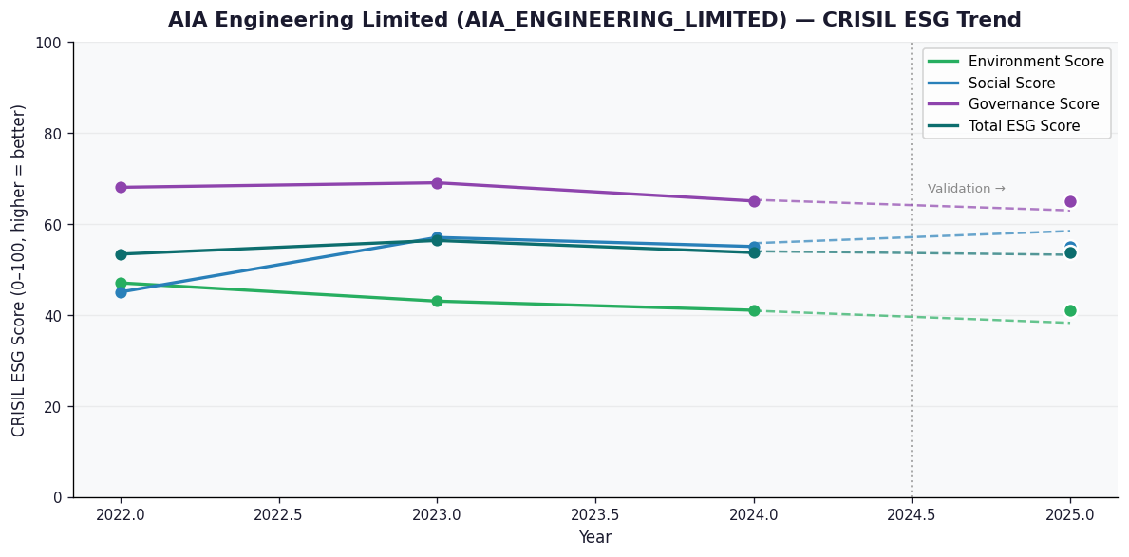

AI Investor Narrative
[Fallback] LLM pipeline could not complete for AIA_ENGINEERING_LIMITED (call1_failed).

AARTI_DRUGS_LIMITED
CRISIL ESG Scores (0-100, higher=better) | White = Training | Blue = Validation
Metric | 2022 | 2023 | 2024 | 2025
Environmental
Environment Score | 29 | 39 | 37 | 37
Social
Social Score | 45 | 57 | 54 | 54
Governance
Governance Score | 63 | 62 | 62 | 62
Overall
Total ESG Score | 45.67 | 52.67 | 51 | 51

Adaptive Validation Summary (Training: 2022-2024 | Validation: 2025)
Year | Projected Total | Actual Total | Delta | Status | Direction
2025 | 52.68 | 51 | 1.68 | Moderate Drift | Underperforming

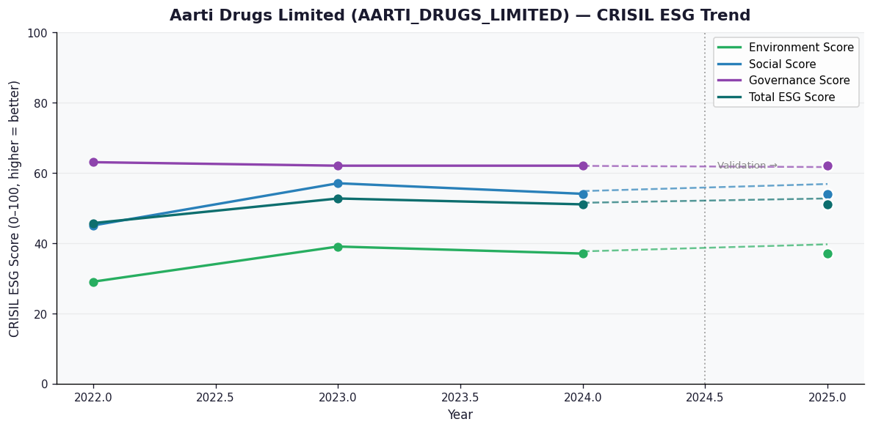

AI Investor Narrative
[Fallback] LLM pipeline could not complete for AARTI_DRUGS_LIMITED (call1_failed).

