3M_INDIA_LIMITED
CRISIL ESG Scores (0-100, higher=better) | White = Training | Blue = Validation
Metric | 2022 | 2023 | 2024 | 2025
Environmental
Environment Score | 37 | 48 | 49 | 49
Social
Social Score | 47 | 60 | 57 | 57
Governance
Governance Score | 72 | 73 | 71 | 71
Overall
Total ESG Score | 52 | 60.33 | 59 | 59

Adaptive Validation Summary (Training: 2022-2024 | Validation: 2025)
Year | Projected Total | Actual Total | Delta | Status | Direction
2025 | 61.4 | 59 | 2.4 | Significant Deviation | Underperforming

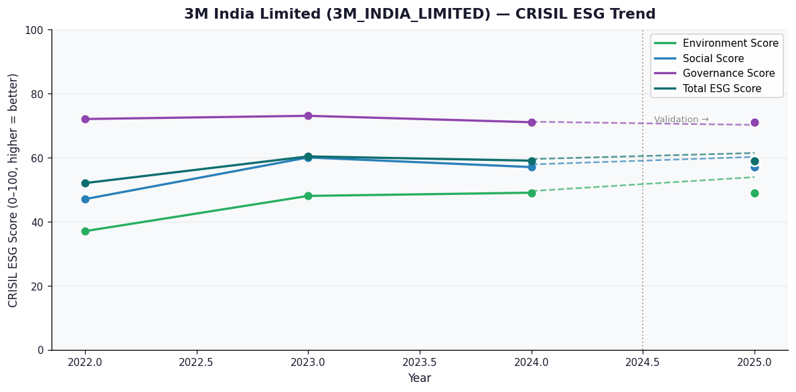

AI Investor Narrative
3M India Limited has a moderate credibility score of 60/100, indicating partial alignment between its reported CRISIL ESG scores and real-world evidence. The company's latest CRISIL ESG summary for 2025 shows a total score of 59.0, with Environment (E) at 49.0, Social (S) at 57.0, and Governance (G) at 71.0. This is a broken trend, which may raise concerns for investors. However, the company has reported positive financial growth, with a 43% profit jump in Q2 and 12.7% revenue growth in Q3 FY26. Additionally, 3M India aims to create 5 million STEM learning experiences, demonstrating its commitment to social responsibility. On the other hand, the company has faced quarterly losses due to exceptional items and has been fined for disclosure delays, which may impact investor confidence. The company's ESG score of 71.6 from SES ESG Research is a positive finding, but the labour-code hit affecting profitability is a concern. Overall, investors should carefully consider these factors when making decisions. The company's dividend declaration of ₹535 is a positive sign, but the broken trend in CRISIL ESG scores and negative findings such as quarterly losses and exchange fines require attention. Investors should weigh these strengths and weaknesses before making investment decisions.

