360_ONE_WAM_LIMITED
CRISIL ESG Scores (0-100, higher=better) | White = Training | Blue = Validation
Metric | 2022 | 2023 | 2024 | 2025
Environmental
Environment Score | 52 | 57 | 60 | 60
Social
Social Score | 57 | 57 | 57 | 57
Governance
Governance Score | 71 | 69 | 74 | 74
Overall
Total ESG Score | 60 | 61 | 63.67 | 63.67

Adaptive Validation Summary (Training: 2022-2024 | Validation: 2025)
Year | Projected Total | Actual Total | Delta | Status | Direction
2025 | 65.69 | 63.67 | 2.02 | Moderate Drift | Underperforming



AI Investor Narrative
360 One Wam Limited posted a robust financial quarter, with Q3 profit climbing roughly 20% to ₹331 crore and revenue surging 51% year‑on‑year, reflecting strong growth in assets under management and recurring revenue streams. The company also declared a Rs 6 interim dividend and allocated 2.22 lakh equity shares under its ESOP program, underscoring a commitment to shareholder returns and employee ownership. CRISIL’s ESG assessment shows a total score of 63.67, with governance leading at 74, while environment (60) and social (57) lag behind. The firm’s recent ESG rating upgrades to 66 and subsequently 70 for FY25 suggest incremental improvements in sustainability practices, though the overall trend is flagged as weakening, and the moderate credibility score of 65 indicates only partial alignment between reported scores and observable outcomes. Despite the financial upside, market sentiment remains cautious. The share price slipped more than 5% even after SEBI approved the Credit Suisse India Business acquisition, and analysts have downgraded the stock to Sell, citing valuation and technical concerns. Proposed SEBI fee structures have pressured the sector, and a concentration of promoter holdings raises governance risk. Frequent price volatility linked to regulatory news further compounds uncertainty. Investors should weigh the company’s solid earnings and governance strengths against the declining ESG trajectory, market skepticism, and concentration risks before making a decision.

3M_INDIA_LIMITED
CRISIL ESG Scores (0-100, higher=better) | White = Training | Blue = Validation
Metric | 2022 | 2023 | 2024 | 2025
Environmental
Environment Score | 37 | 48 | 49 | 49
Social
Social Score | 47 | 60 | 57 | 57
Governance
Governance Score | 72 | 73 | 71 | 71
Overall
Total ESG Score | 52 | 60.33 | 59 | 59

Adaptive Validation Summary (Training: 2022-2024 | Validation: 2025)
Year | Projected Total | Actual Total | Delta | Status | Direction
2025 | 61.4 | 59 | 2.4 | Significant Deviation | Underperforming

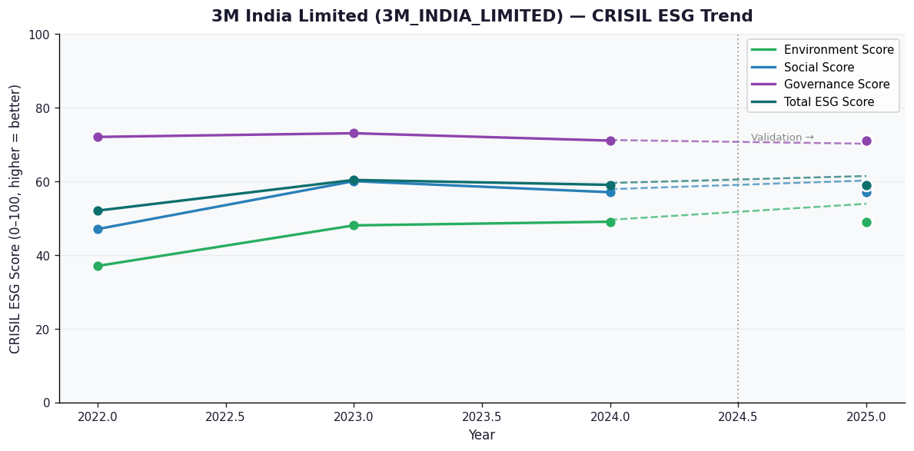

AI Investor Narrative
[Fallback] LLM pipeline could not complete for 3M_INDIA_LIMITED (call1_failed).

AAVAS_FINANCIERS_LIMITED
CRISIL ESG Scores (0-100, higher=better) | White = Training | Blue = Validation
Metric | 2022 | 2023 | 2024 | 2025
Environmental
Environment Score | 52 | 52 | 54 | 54
Social
Social Score | 56 | 56 | 62 | 62
Governance
Governance Score | 71 | 71 | 72 | 72
Overall
Total ESG Score | 59.67 | 59.67 | 62.67 | 62.67

Adaptive Validation Summary (Training: 2022-2024 | Validation: 2025)
Year | Projected Total | Actual Total | Delta | Status | Direction
2025 | 64.51 | 62.67 | 1.84 | Moderate Drift | Underperforming

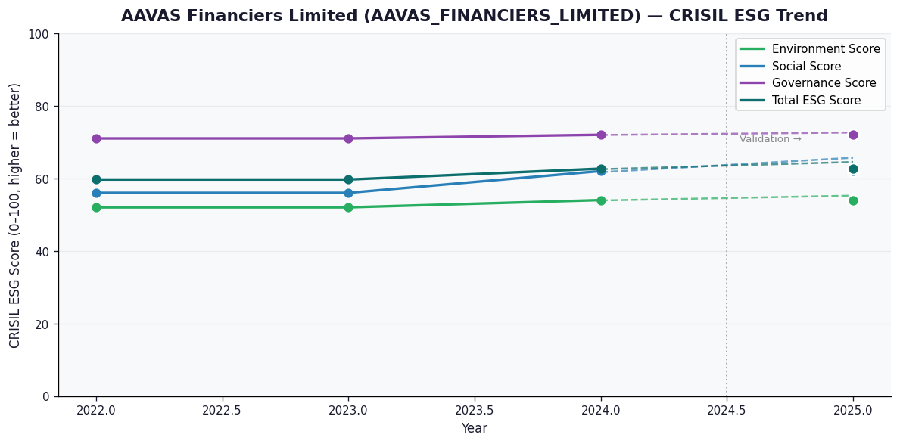

AI Investor Narrative
[Fallback] LLM pipeline could not complete for AAVAS_FINANCIERS_LIMITED (call1_failed).

