ALEMBIC_LIMITED
CRISIL ESG Scores (0-100, higher=better) | White = Training | Blue = Validation
Metric | 2022 | 2023 | 2024 | 2025
Environmental
Environment Score | 26 | 27 | 28 | 28
Social
Social Score | 33 | 48 | 51 | 51
Governance
Governance Score | 73 | 72 | 71 | 71
Overall
Total ESG Score | 44 | 49 | 50 | 50

Adaptive Validation Summary (Training: 2022-2024 | Validation: 2025)
Year | Projected Total | Actual Total | Delta | Status | Direction
2025 | 52.54 | 50 | 2.54 | Significant Deviation | Underperforming

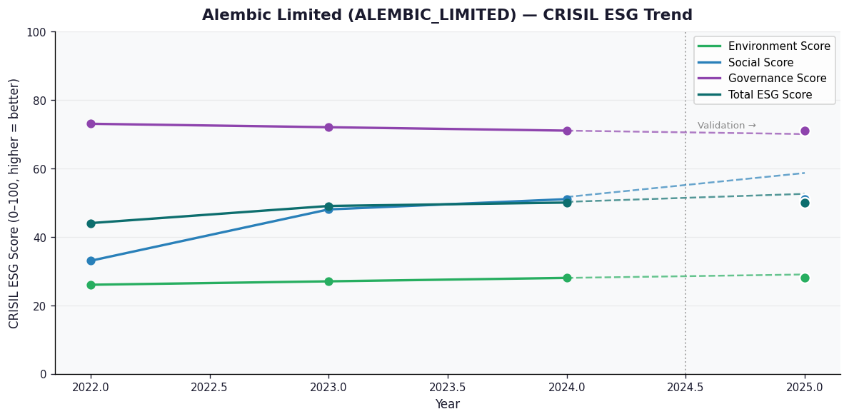

AI Investor Narrative
Alembic Limited (ALEMBIC_LIMITED) has a credibility score of 40/100, indicating a relatively low level of transparency and reliability in its reporting. Unfortunately, no official BRSR report was found, which raises concerns about the company's commitment to disclosing its ESG performance [B1]. The lack of official BRSR data is concerning, especially when contrasted with real-world news findings. Reports indicate that Alembic Limited has a low environment score of 28.0, suggesting that the company may be struggling with environmental sustainability [N1]. Furthermore, there is limited information available on the company's ESG efforts, which may indicate a lack of transparency or inadequate practices [N2]. In the absence of reliable and comprehensive data, investors should approach Alembic Limited with caution. The contrast between the company's credibility score and real-world news findings highlights the need for greater transparency and disclosure. Until more information becomes available, investors may want to consider holding their positions rather than making new investments.

Source References
No references found.

