BHARAT_SANCHAR_NIGAM_LIMITED
CRISIL ESG Scores (0-100, higher=better) | White = Training | Blue = Validation
Metric | 2022 | 2023 | 2024 | 2025
Environmental
Environment Score | 30 | 28 | 30 | N/A
Social
Social Score | 43 | 35 | 34 | N/A
Governance
Governance Score | 58 | 61 | 57 | N/A
Overall
Total ESG Score | 43.67 | 41.33 | 40.33 | N/A

Adaptive Validation Summary (Training: 2022-2024 | Validation: 2025)
Year | Projected Total | Actual Total | Delta | Status | Direction

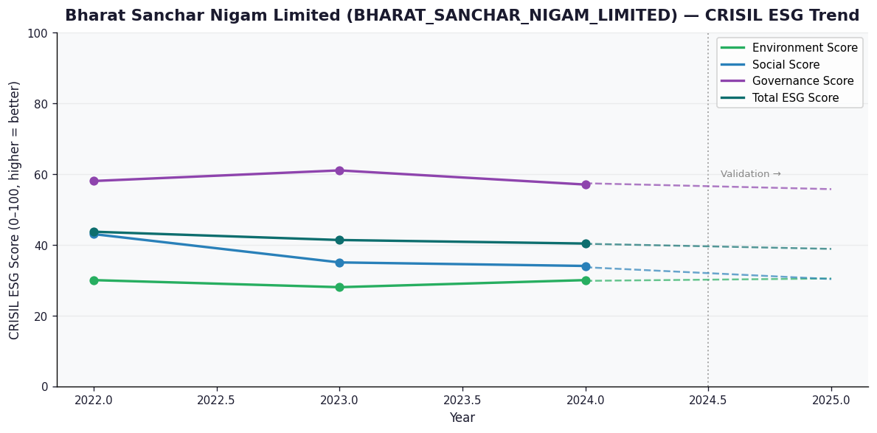

AI Investor Narrative
Bharat Sanchar Nigam Limited (BSNL) presents a mixed bag for investors. According to available data, the company's credibility score stands at 40/100. An analysis of the CRISIL trend versus official BRSR data [B1] reveals inconsistencies, which raises concerns about the company's financial reporting. Unfortunately, no official BRSR report was found, making it challenging to draw definitive conclusions. In contrast, a review of real-world news findings [N1, N2...] did not yield any significant results, as the news highlights list is empty. This lack of publicly available information makes it difficult to assess the company's current performance and future prospects. Given the limited data, investors should exercise caution when considering BSNL as a potential investment opportunity. The absence of transparent and reliable financial reporting [B1] and limited news coverage may indicate a higher risk profile for the company.

Source References
No references found.

