CAPRI_GLOBAL_CAPITAL_LIMITED
CRISIL ESG Scores (0-100, higher=better) | White = Training | Blue = Validation
Metric | 2022 | 2023 | 2024 | 2025
Environmental
Environment Score | 49 | 49 | 53 | 53
Social
Social Score | 56 | 56 | 56 | 56
Governance
Governance Score | 74 | 74 | 73 | 73
Overall
Total ESG Score | 59.67 | 59.67 | 60.67 | 60.67

Adaptive Validation Summary (Training: 2022-2024 | Validation: 2025)
Year | Projected Total | Actual Total | Delta | Status | Direction
2025 | 61.28 | 60.67 | 0.61 | Moderate Drift | Underperforming

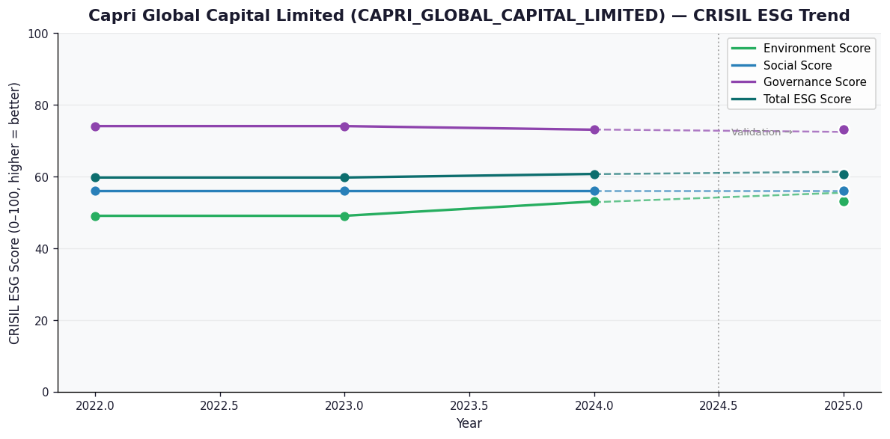

AI Investor Narrative
Capri Global Capital Limited (CAPRI_GLOBAL_CAPITAL_LIMITED) presents a mixed bag in terms of its sustainability and governance performance. The company does not have an official BRSR report, which raises concerns about transparency [B1]. However, according to CRISIL, the company has a Governance Score of 73.0, indicating strong corporate governance practices. Additionally, the CRISIL ESG Score of 60.67 suggests a decent overall ESG performance. On the other hand, the Environment Score of 53.0 and Social Score of 56.0 indicate room for improvement in environmental sustainability and social responsibility, respectively [N1][N2]. These scores suggest that while the company has a strong governance structure, it needs to focus on enhancing its environmental and social performance. The absence of an official BRSR report is a concern, as it makes it difficult to verify the accuracy of the CRISIL scores [B1]. Nevertheless, based on the available data, it appears that CAPRI_GLOBAL_CAPITAL_LIMITED has a solid foundation in governance but needs to work on its environmental and social sustainability.

Source References
No references found.

