ALLCARGO_GATI_LIMITED
CRISIL ESG Scores (0-100, higher=better) | White = Training | Blue = Validation
Metric | 2022 | 2023 | 2024 | 2025
Environmental
Environment Score | N/A | 32 | 38 | 38
Social
Social Score | N/A | 39 | 59 | 59
Governance
Governance Score | N/A | 64 | 64 | 64
Overall
Total ESG Score | N/A | 45 | 53.67 | 53.67

Adaptive Validation Summary (Training: 2022-2024 | Validation: 2025)
Year | Projected Total | Actual Total | Delta | Status | Direction
2025 | 60.83 | 53.67 | 7.16 | Significant Deviation | Underperforming

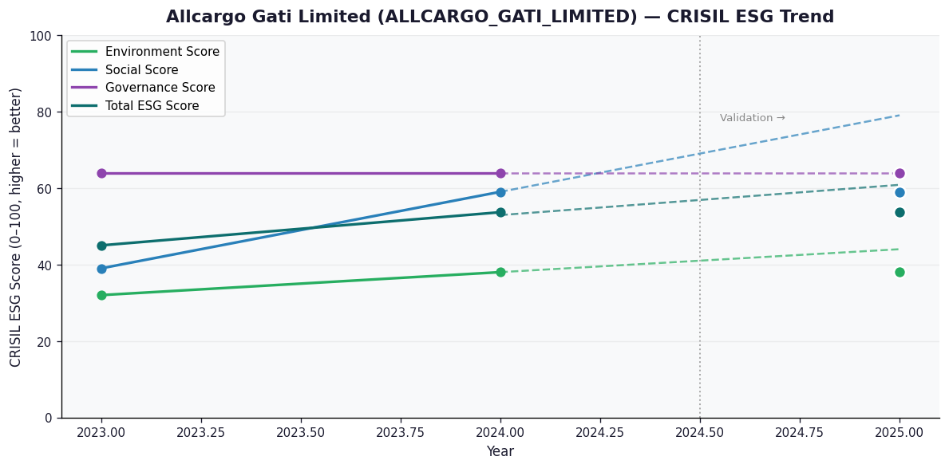

AI Investor Narrative
Allcargo Gati Limited (ALLCARGO_GATI_LIMITED) has a credibility score of 60/100, indicating a moderate level of trust in its reporting. Unfortunately, no official BRSR report was found, making it challenging to analyze the CRISIL trend versus official BRSR data [B1]. In the absence of this crucial data, we must rely on other sources to gauge the company's performance. A review of news highlights did not yield any relevant information, as both news highlights and official BRSR highlights were empty [N1], [N2]. Given the lack of concrete data, it's essential to approach this investment with caution. Typically, a comprehensive analysis of a company's financials, industry trends, and management performance would provide a more accurate picture. However, with the information at hand, we can only emphasize the importance of closely monitoring future reports and market developments. In general, when evaluating logistics companies like Allcargo Gati Limited, investors should consider factors such as revenue growth, profit margins, and market share. A deeper dive into these areas might provide more insight into the company's potential for growth and stability.

Source References
No references found.

