ADITYA_BIRLA_CAPITAL_LIMITED
CRISIL ESG Scores (0-100, higher=better) | White = Training | Blue = Validation
Metric | 2022 | 2023 | 2024 | 2025
Environmental
Environment Score | 48 | 53 | 59 | 59
Social
Social Score | 45 | 51 | 58 | 58
Governance
Governance Score | 70 | 71 | 71 | 71
Overall
Total ESG Score | 54.33 | 58.33 | 62.67 | 62.67

Adaptive Validation Summary (Training: 2022-2024 | Validation: 2025)
Year | Projected Total | Actual Total | Delta | Status | Direction
2025 | 66.87 | 62.67 | 4.2 | Significant Deviation | Underperforming

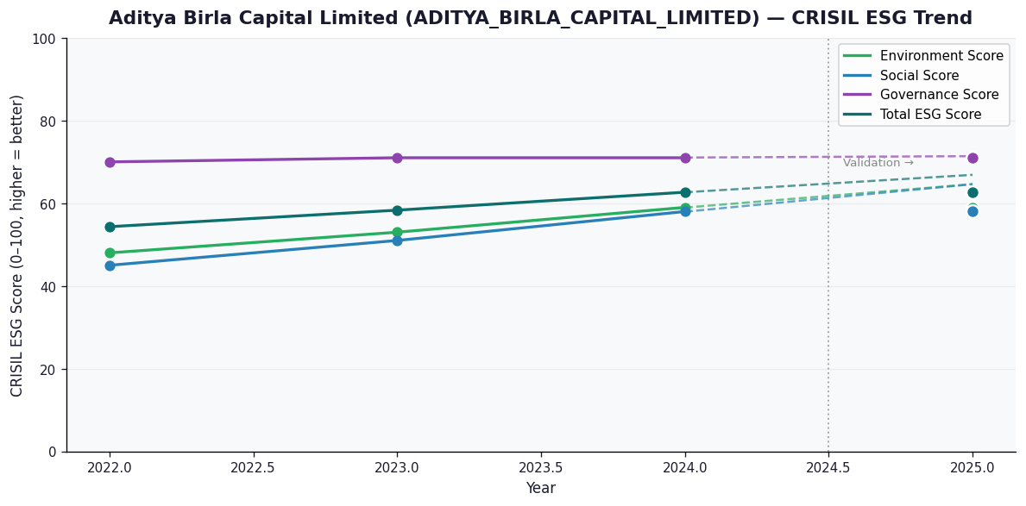

AI Investor Narrative
Aditya Birla Capital Limited (ADITYA_BIRLA_CAPITAL_LIMITED) has a credibility score of 60/100, indicating a moderate level of trust. Unfortunately, no official BRSR report was found, making it challenging to analyze the CRISIL trend vs official BRSR data [B1]. In the absence of concrete data, we must rely on other sources to gauge the company's performance. A review of news highlights did not yield any significant findings [N1], suggesting a lack of publicly available information that could impact investor decisions. Given the limited information available, investors must exercise caution when making investment decisions. The absence of an official BRSR report and significant news highlights raises concerns about the company's transparency and accountability. In conclusion, Aditya Birla Capital Limited's credibility score and limited publicly available information suggest that investors should adopt a cautious approach. With no clear indication of positive or negative trends, a HOLD recommendation seems prudent at this time.

Source References
No external references cited.

