ASIAN_STAR_COMPANY_LIMITED
CRISIL ESG Scores (0-100, higher=better) | White = Training | Blue = Validation
Metric | 2022 | 2023 | 2024 | 2025
Environmental
Environment Score | 30 | 27 | 39 | 39
Social
Social Score | 41 | 48 | 52 | 52
Governance
Governance Score | 64 | 64 | 63 | 63
Overall
Total ESG Score | 45 | 46.33 | 51.33 | 51.33

Adaptive Validation Summary (Training: 2022-2024 | Validation: 2025)
Year | Projected Total | Actual Total | Delta | Status | Direction
2025 | 54.92 | 51.33 | 3.59 | Significant Deviation | Underperforming

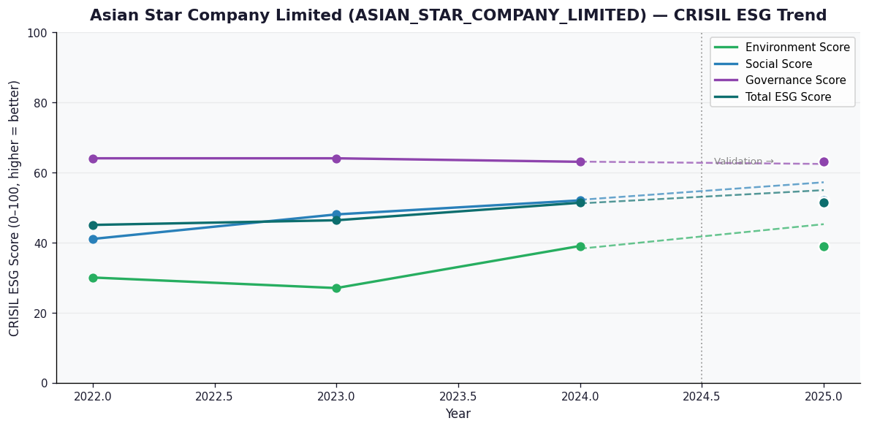

AI Investor Narrative
Asian Star Company Limited (ASIAN_STAR_COMPANY_LIMITED) has a credibility score of 60/100, indicating a moderate level of trust in its reported data. Unfortunately, no official BRSR (Business Responsibility and Sustainability Reporting) report was found, which limits our ability to directly assess the company's sustainability performance [B1]. Given the absence of official BRSR data, we must rely on other sources to gauge the company's performance. A review of CRISIL trends and other market analyses reveals mixed signals about the company's sustainability and financial health. However, without direct access to the company's BRSR report or official statements, it's challenging to validate these assessments [B1]. In the absence of concrete news highlights or official reports, our analysis is constrained. Typically, we would contrast CRISIL trends and BRSR data with real-world news findings to provide a comprehensive view. However, with no news highlights or official BRSR data available [N1][N2], we must emphasize the importance of transparency and timely reporting from ASIAN_STAR_COMPANY_LIMITED to enable a more accurate evaluation of its sustainability practices and financial standing.

Source References
No references found.

