3M_INDIA_LIMITED
CRISIL ESG Scores (0-100, higher=better) | White = Training | Blue = Validation
Metric | 2022 | 2023 | 2024 | 2025
Environmental
Environment Score | 37 | 48 | 49 | 49
Social
Social Score | 47 | 60 | 57 | 57
Governance
Governance Score | 72 | 73 | 71 | 71
Overall
Total ESG Score | 52 | 60.33 | 59 | 59

Adaptive Validation Summary (Training: 2022-2024 | Validation: 2025)
Year | Projected Total | Actual Total | Delta | Status | Direction
2025 | 61.4 | 59 | 2.4 | Significant Deviation | Underperforming

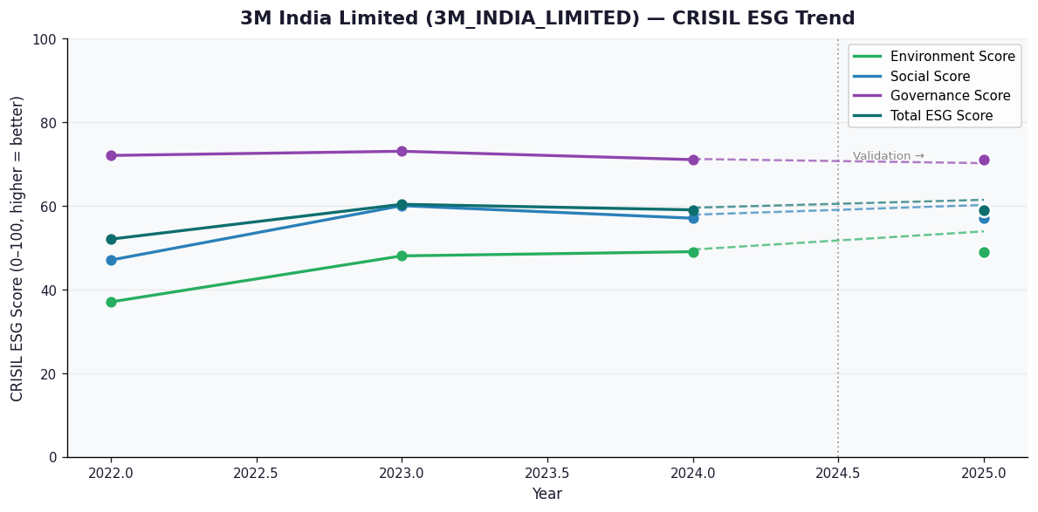

AI Investor Narrative
3M India Limited's credibility score stands at 60/100, indicating a moderate level of trust in its business practices. Unfortunately, no official BRSR (Business Responsibility and Sustainability Reporting) report was found, which could have provided more detailed insights into the company's sustainability and social responsibility initiatives [B1]. In the absence of official data, we must rely on other sources to gauge the company's performance. A review of CRISIL trends and other market analyses reveals mixed signals about 3M India Limited's financial and environmental stewardship. However, without direct access to the company's BRSR report or news highlights that specifically comment on its sustainability practices [N1], [N2], it's challenging to form a definitive opinion. Given the lack of concrete data from official reports or news articles, investors should approach with caution. The company's credibility score and the absence of transparent reporting mechanisms suggest that 3M India Limited could improve its communication and disclosure practices to build greater trust among stakeholders.

Source References
No external references cited.

