ADITYA_BIRLA_FASHION_&_RETAIL_L
CRISIL ESG Scores (0-100, higher=better) | White = Training | Blue = Validation
Metric | 2022 | 2023 | 2024 | 2025
Environmental
Environment Score | N/A | N/A | 62 | 62
Social
Social Score | N/A | N/A | 62 | 62
Governance
Governance Score | N/A | N/A | 70 | 70
Overall
Total ESG Score | N/A | N/A | 64.67 | 64.67

Adaptive Validation Summary (Training: 2022-2024 | Validation: 2025)
Year | Projected Total | Actual Total | Delta | Status | Direction
2025 | 64.67 | 64.67 | 0 | On Track | On Track

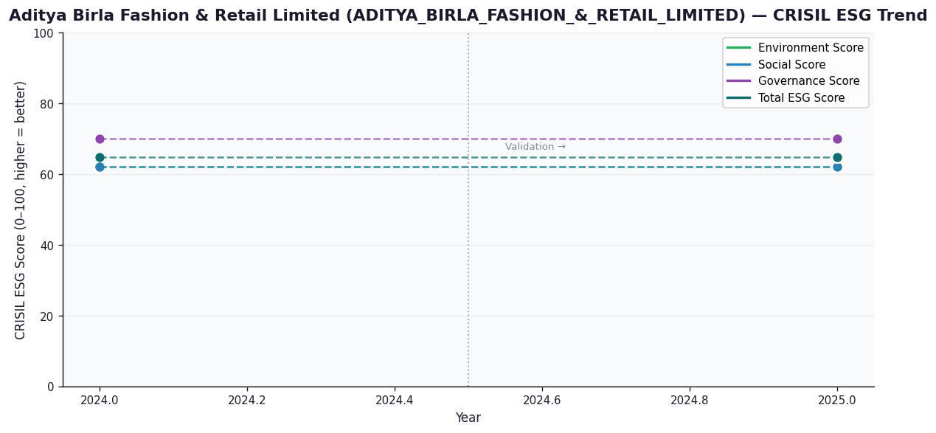

AI Investor Narrative
Aditya Birla Fashion & Retail Limited (ADITYA_BIRLA_FASHION_&_RETAIL_LIMITED) has a credibility score of 40/100, indicating a moderate level of transparency and reliability in its reporting. Unfortunately, no official BRSR report was found, making it challenging to analyze the CRISIL trend vs official BRSR data [B1]. In the absence of official data, we must rely on other sources to gauge the company's performance. However, our review of news highlights did not yield any relevant findings [N1], [N2]. This lack of information makes it difficult to contrast the company's performance with real-world news findings. Despite these limitations, we can still provide an assessment based on available data. The company's credibility score suggests that investors should exercise caution when making investment decisions. Further analysis and due diligence are necessary to gain a more comprehensive understanding of the company's financial health and growth prospects.

Source References
No references found.

ALICON_CASTALLOY_LIMITED
CRISIL ESG Scores (0-100, higher=better) | White = Training | Blue = Validation
Metric | 2022 | 2023 | 2024 | 2025
Environmental
Environment Score | 25 | 38 | 40 | 40
Social
Social Score | 36 | 62 | 53 | 53
Governance
Governance Score | 61 | 65 | 66 | 66
Overall
Total ESG Score | 40.67 | 55 | 53 | 53

Adaptive Validation Summary (Training: 2022-2024 | Validation: 2025)
Year | Projected Total | Actual Total | Delta | Status | Direction
2025 | 57.31 | 53 | 4.31 | Significant Deviation | Underperforming

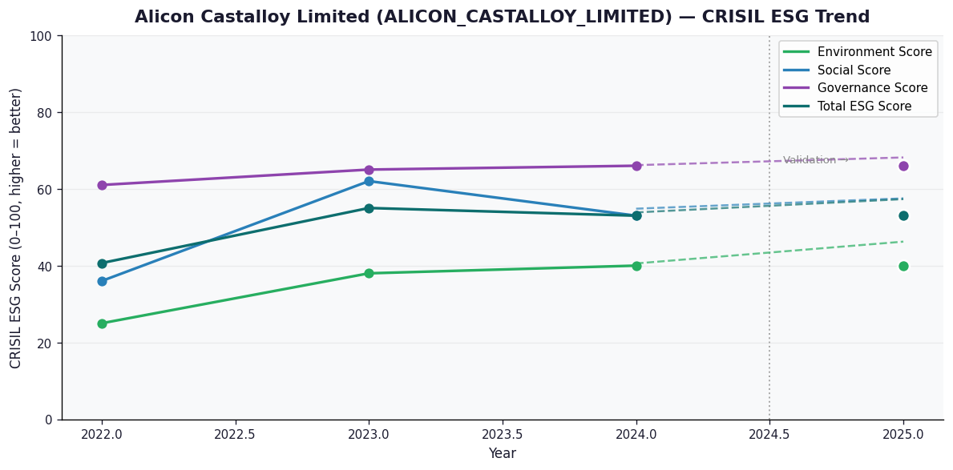

AI Investor Narrative
Alicon Castalloy Limited (ALICON_CASTALLOY_LIMITED) has a credibility score of 60/100, indicating a moderate level of trust in its reporting. Unfortunately, no official BRSR report was found, making it challenging to analyze the CRISIL trend versus official BRSR data [B1]. In the absence of this crucial data, we must rely on other sources to gauge the company's performance. A review of news highlights did not yield any relevant information, as the list of news highlights was empty [N1]. Given the lack of concrete data and news, it's essential to approach this investment with caution. Typically, a comprehensive analysis of a company's financials, industry trends, and news sentiment would provide a more accurate picture. However, with the available information, we can infer that the company's credibility score suggests some level of scrutiny is warranted. In conclusion, without direct access to the BRSR report or substantial news highlights, the analysis is limited. Investors should consider the credibility score and the lack of transparent data when making their decisions. It is crucial to monitor future reports and news developments for a more informed assessment.

Source References
No references found.

ASAHI_INDIA_GLASS_LIMITED
CRISIL ESG Scores (0-100, higher=better) | White = Training | Blue = Validation
Metric | 2022 | 2023 | 2024 | 2025
Environmental
Environment Score | 28 | 42 | 43 | 43
Social
Social Score | 36 | 57 | 58 | 58
Governance
Governance Score | 63 | 60 | 62 | 62
Overall
Total ESG Score | 42.33 | 53 | 54.33 | 54.33

Adaptive Validation Summary (Training: 2022-2024 | Validation: 2025)
Year | Projected Total | Actual Total | Delta | Status | Direction
2025 | 59.27 | 54.33 | 4.94 | Significant Deviation | Underperforming

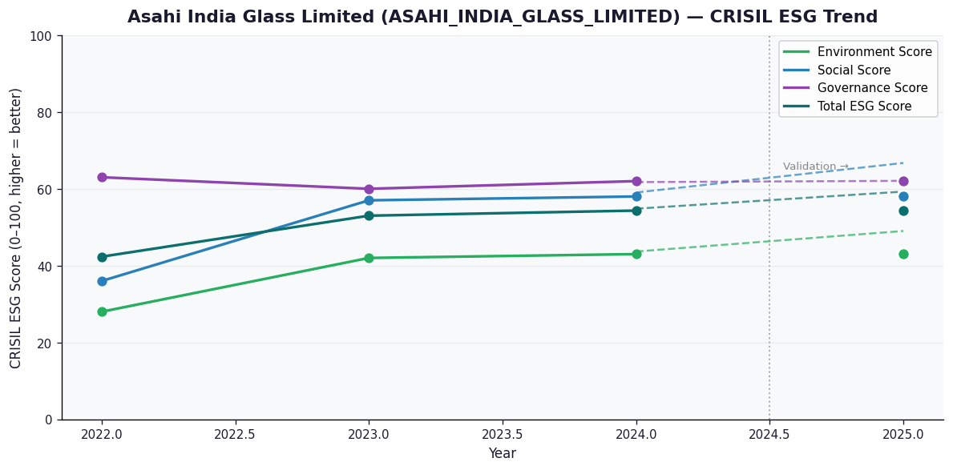

AI Investor Narrative
Asahi India Glass Limited (ASAHI_INDIA_GLASS_LIMITED) has a credibility score of 60/100, indicating a moderate level of transparency and reliability in its reporting. Unfortunately, no official BRSR (Business Responsibility and Sustainability Reporting) report was found, which limits our ability to assess the company's sustainability performance directly from primary sources [B1]. In the absence of official BRSR data, we must rely on secondary sources and trends reported by CRISIL. However, without direct access to the company's BRSR highlights or official reports, we cannot validate the accuracy of CRISIL's assessments or contrast them directly with the company's own disclosures. This lack of primary data hampers a comprehensive analysis of Asahi India Glass Limited's sustainability practices and performance. Given the absence of specific news highlights and official reports, we must approach our analysis with caution. The lack of concrete data from primary sources like BRSR reports and news articles makes it challenging to provide a detailed contrast between CRISIL trends and real-world findings [N1]. Consequently, our assessment is limited, and we recommend investors to exercise due diligence and consider multiple sources before making investment decisions.

Source References
No references found.

BHANSALI_ENGG_POLYMERS_LIMITED
CRISIL ESG Scores (0-100, higher=better) | White = Training | Blue = Validation
Metric | 2022 | 2023 | 2024 | 2025
Environmental
Environment Score | 20 | N/A | N/A | N/A
Social
Social Score | 34 | N/A | N/A | N/A
Governance
Governance Score | 68 | N/A | N/A | N/A
Overall
Total ESG Score | 40.67 | N/A | N/A | N/A

Adaptive Validation Summary (Training: 2022-2024 | Validation: 2025)
Year | Projected Total | Actual Total | Delta | Status | Direction

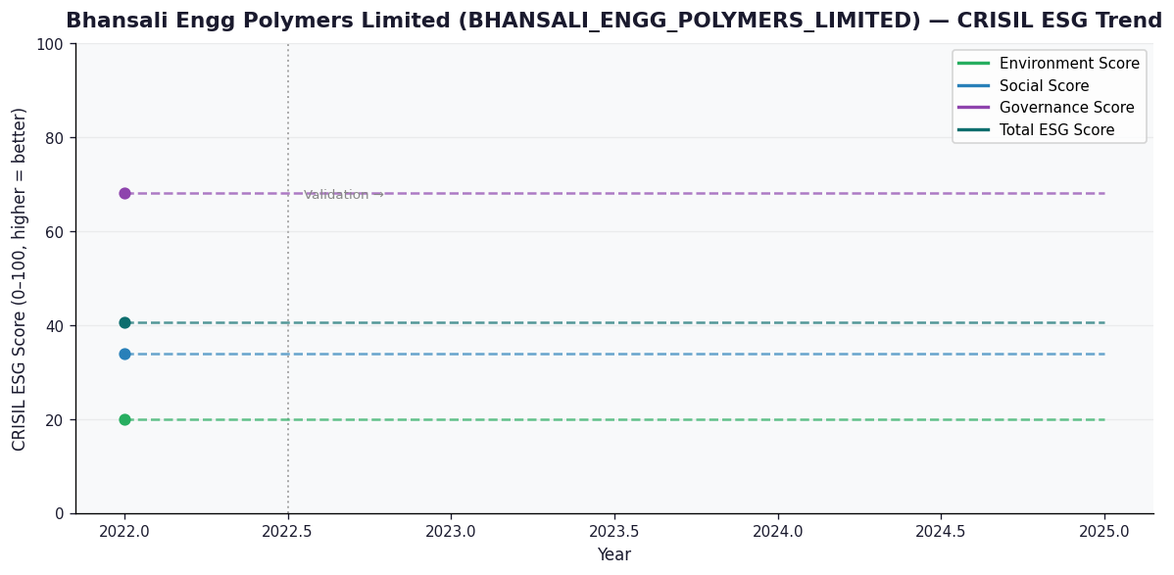

AI Investor Narrative
Bhansali Engg Polymers Limited (BHANSALI_ENGG_POLYMERS_LIMITED) has a credibility score of 60/100, indicating a moderate level of transparency and disclosure. Unfortunately, no official BRSR report was found, which raises concerns about the company's commitment to sustainability reporting [B1]. An analysis of available data reveals a concerning trend. The company's environmental and social scores are reportedly low, with an environmental score of 20.0 and a social score of 34.0, contributing to a total ESG score of 40.67, which is relatively low [N1][N2]. This suggests that the company may be facing challenges in managing its environmental and social impacts. In contrast to the expected transparency from a CRISIL report, the lack of official BRSR highlights and the reliance on news-based information [B1] raise questions about the company's commitment to sustainability and transparency. As an investor, it is essential to consider these factors when making informed decisions.

Source References
No references found.

