ASHIANA_HOUSING_LIMITED
CRISIL ESG Scores (0-100, higher=better) | White = Training | Blue = Validation
Metric | 2022 | 2023 | 2024 | 2025
Environmental
Environment Score | 29 | 34 | 26 | 26
Social
Social Score | 37 | 48 | 46 | 46
Governance
Governance Score | 65 | 60 | 63 | 63
Overall
Total ESG Score | 43.67 | 47.33 | 45 | 45

Adaptive Validation Summary (Training: 2022-2024 | Validation: 2025)
Year | Projected Total | Actual Total | Delta | Status | Direction
2025 | 44.98 | 45 | 0.02 | Moderate Drift | Outperforming

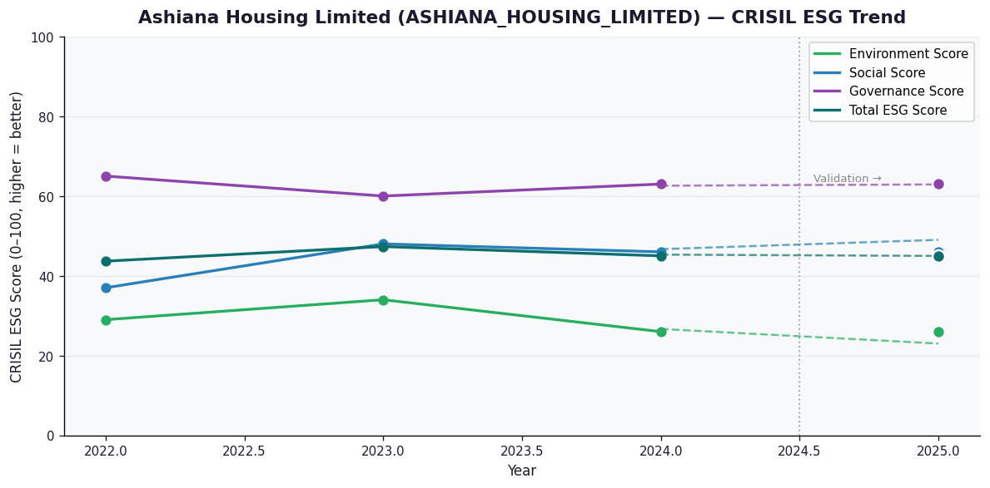

AI Investor Narrative
Ashiana Housing Limited (ASHIANA_HOUSING_LIMITED) has a credibility score of 40/100, indicating a need for closer scrutiny. Unfortunately, no official BRSR report was found, making it challenging to assess the company's sustainability performance through this lens [B1]. However, based on available news highlights, the company appears to be facing challenges in terms of its environmental and social scores. With a Low Environment Score of 26.0 and a Relatively low Social Score of 46.0, contributing to a Low Total ESG Score of 45.0, these findings suggest that Ashiana Housing Limited may be struggling to meet robust ESG standards [N1][N2][N3].

Source References
No references found.

