ACC_LIMITED
CRISIL ESG Scores (0-100, higher=better) | White = Training | Blue = Validation
Metric | 2022 | 2023 | 2024 | 2025
Environmental
Environment Score | 45 | 45 | 49 | 49
Social
Social Score | 55 | 55 | 54 | 54
Governance
Governance Score | 59 | 59 | 60 | 60
Overall
Total ESG Score | 53 | 53 | 54.33 | 54.33

Adaptive Validation Summary (Training: 2022-2024 | Validation: 2025)
Year | Projected Total | Actual Total | Delta | Status | Direction
2025 | 55.15 | 54.33 | 0.82 | Moderate Drift | Underperforming

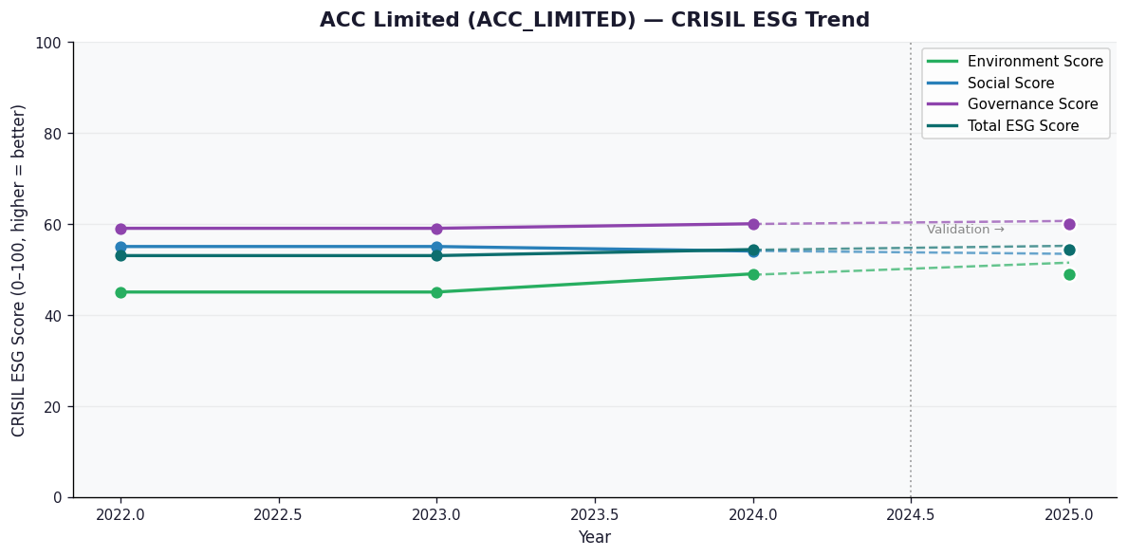

AI Investor Narrative
[Fallback] LLM pipeline could not complete for ACC_LIMITED (call1_failed).

AARTI_DRUGS_LIMITED
CRISIL ESG Scores (0-100, higher=better) | White = Training | Blue = Validation
Metric | 2022 | 2023 | 2024 | 2025
Environmental
Environment Score | 29 | 39 | 37 | 37
Social
Social Score | 45 | 57 | 54 | 54
Governance
Governance Score | 63 | 62 | 62 | 62
Overall
Total ESG Score | 45.67 | 52.67 | 51 | 51

Adaptive Validation Summary (Training: 2022-2024 | Validation: 2025)
Year | Projected Total | Actual Total | Delta | Status | Direction
2025 | 52.68 | 51 | 1.68 | Moderate Drift | Underperforming

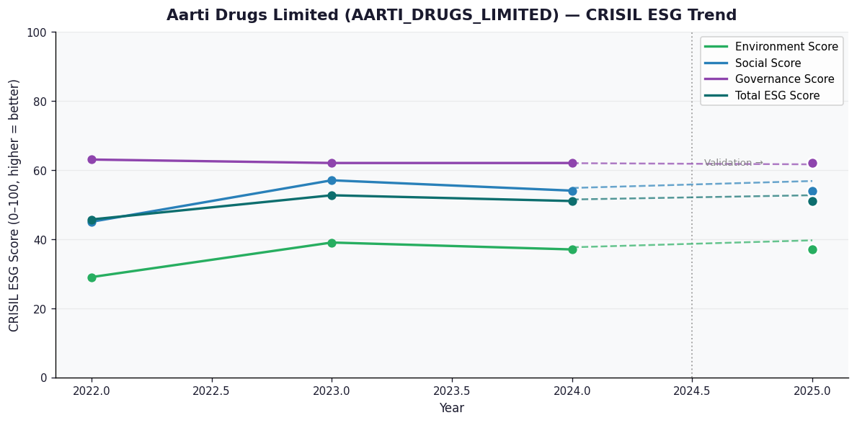

AI Investor Narrative
[Fallback] LLM pipeline could not complete for AARTI_DRUGS_LIMITED (call1_failed).

ACUTAAS_CHEMICALS_LIMITED
CRISIL ESG Scores (0-100, higher=better) | White = Training | Blue = Validation
Metric | 2022 | 2023 | 2024 | 2025
Environmental
Environment Score | N/A | N/A | 41 | 41
Social
Social Score | N/A | N/A | 57 | 57
Governance
Governance Score | N/A | N/A | 65 | 65
Overall
Total ESG Score | N/A | N/A | 54.33 | 54.33

Adaptive Validation Summary (Training: 2022-2024 | Validation: 2025)
Year | Projected Total | Actual Total | Delta | Status | Direction
2025 | 54.33 | 54.33 | 0 | On Track | On Track

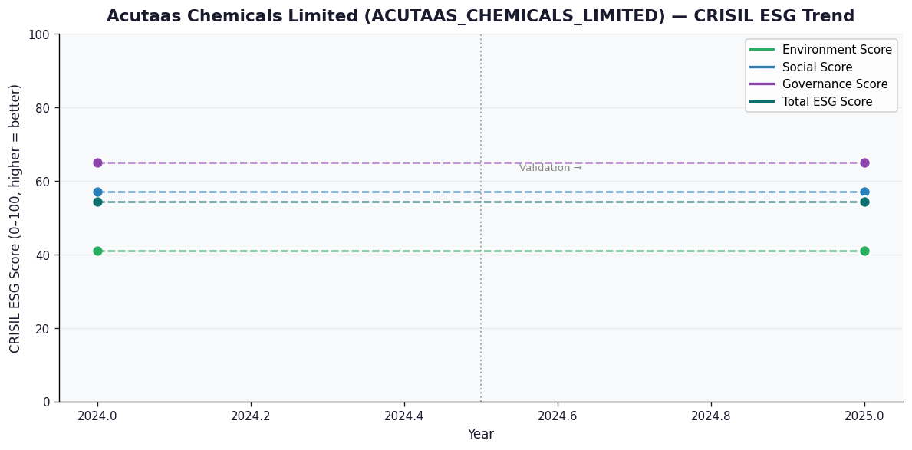

AI Investor Narrative
[Fallback] LLM pipeline could not complete for ACUTAAS_CHEMICALS_LIMITED (call1_failed).

