360_ONE_WAM_LIMITED
CRISIL ESG Scores (0-100, higher=better) | White = Training | Blue = Validation
Metric | 2022 | 2023 | 2024 | 2025
Environmental
Environment Score | 52 | 57 | 60 | 60
Social
Social Score | 57 | 57 | 57 | 57
Governance
Governance Score | 71 | 69 | 74 | 74
Overall
Total ESG Score | 60 | 61 | 63.67 | 63.67

Adaptive Validation Summary (Training: 2022-2024 | Validation: 2025)
Year | Projected Total | Actual Total | Delta | Status | Direction
2025 | 65.69 | 63.67 | 2.02 | Moderate Drift | Underperforming



AI Investor Narrative
[Fallback] LLM pipeline could not complete for 360_ONE_WAM_LIMITED (call1_failed).

3M_INDIA_LIMITED
CRISIL ESG Scores (0-100, higher=better) | White = Training | Blue = Validation
Metric | 2022 | 2023 | 2024 | 2025
Environmental
Environment Score | 37 | 48 | 49 | 49
Social
Social Score | 47 | 60 | 57 | 57
Governance
Governance Score | 72 | 73 | 71 | 71
Overall
Total ESG Score | 52 | 60.33 | 59 | 59

Adaptive Validation Summary (Training: 2022-2024 | Validation: 2025)
Year | Projected Total | Actual Total | Delta | Status | Direction
2025 | 61.4 | 59 | 2.4 | Significant Deviation | Underperforming

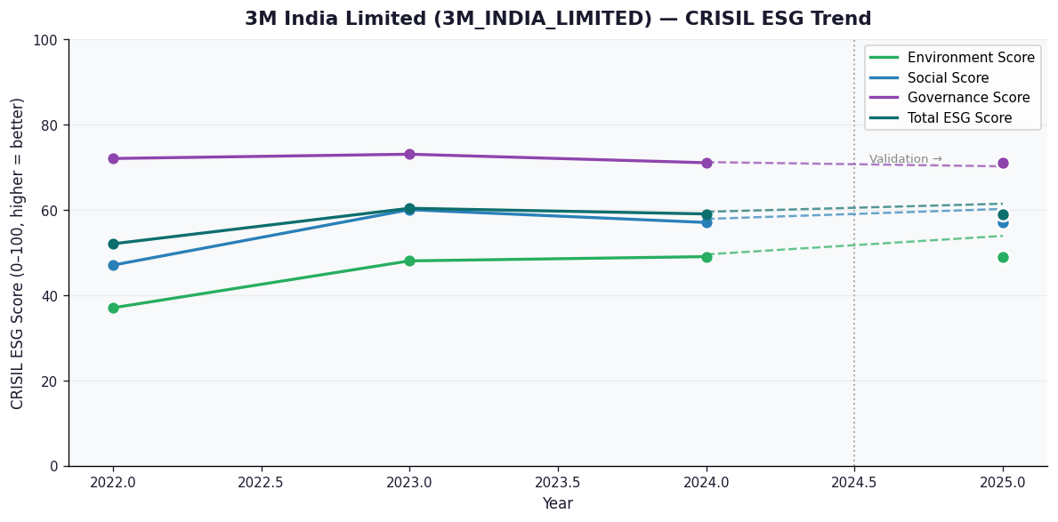

AI Investor Narrative
[Fallback] LLM pipeline could not complete for 3M_INDIA_LIMITED (call1_failed).

AAVAS_FINANCIERS_LIMITED
CRISIL ESG Scores (0-100, higher=better) | White = Training | Blue = Validation
Metric | 2022 | 2023 | 2024 | 2025
Environmental
Environment Score | 52 | 52 | 54 | 54
Social
Social Score | 56 | 56 | 62 | 62
Governance
Governance Score | 71 | 71 | 72 | 72
Overall
Total ESG Score | 59.67 | 59.67 | 62.67 | 62.67

Adaptive Validation Summary (Training: 2022-2024 | Validation: 2025)
Year | Projected Total | Actual Total | Delta | Status | Direction
2025 | 64.51 | 62.67 | 1.84 | Moderate Drift | Underperforming

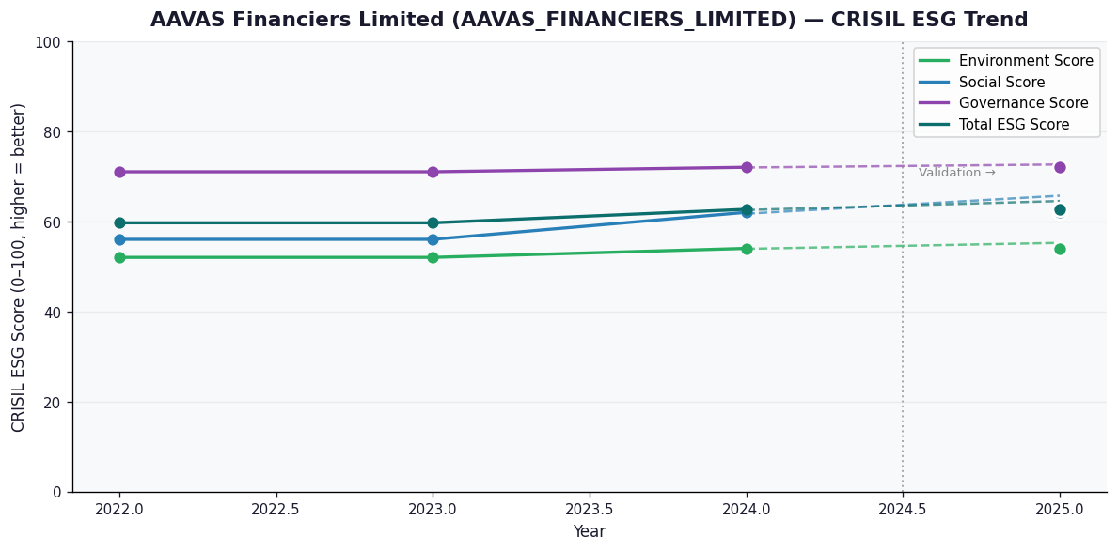

AI Investor Narrative
[Fallback] LLM pipeline could not complete for AAVAS_FINANCIERS_LIMITED (call1_failed).

