AU_SMALL_FINANCE_BANK_LIMITED
CRISIL ESG Scores (0-100, higher=better) | White = Training | Blue = Validation
Metric | 2022 | 2023 | 2024 | 2025
Environmental
Environment Score | 61 | 61 | 56 | 56
Social
Social Score | 61 | 61 | 65 | 65
Governance
Governance Score | 79 | 79 | 80 | 80
Overall
Total ESG Score | 67 | 67 | 67 | 67

Adaptive Validation Summary (Training: 2022-2024 | Validation: 2025)
Year | Projected Total | Actual Total | Delta | Status | Direction
2025 | 67 | 67 | 0 | Moderate Drift | On Track

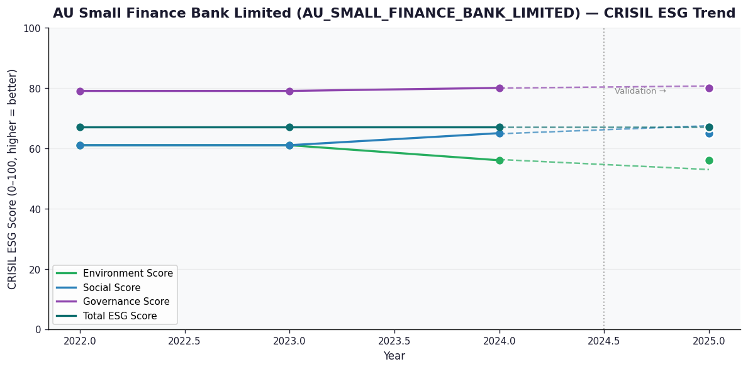

AI Investor Narrative
[Fallback] LLM pipeline could not complete for AU_SMALL_FINANCE_BANK_LIMITED (call1_failed).

AADHAR_HOUSING_FINANCE_LIMITED
CRISIL ESG Scores (0-100, higher=better) | White = Training | Blue = Validation
Metric | 2022 | 2023 | 2024 | 2025
Environmental
Environment Score | 46 | 46 | 47 | 47
Social
Social Score | 47 | 47 | 48 | 48
Governance
Governance Score | 67 | 67 | 68 | 68
Overall
Total ESG Score | 53.33 | 53.33 | 54.33 | 54.33

Adaptive Validation Summary (Training: 2022-2024 | Validation: 2025)
Year | Projected Total | Actual Total | Delta | Status | Direction
2025 | 54.95 | 54.33 | 0.62 | On Track | Underperforming

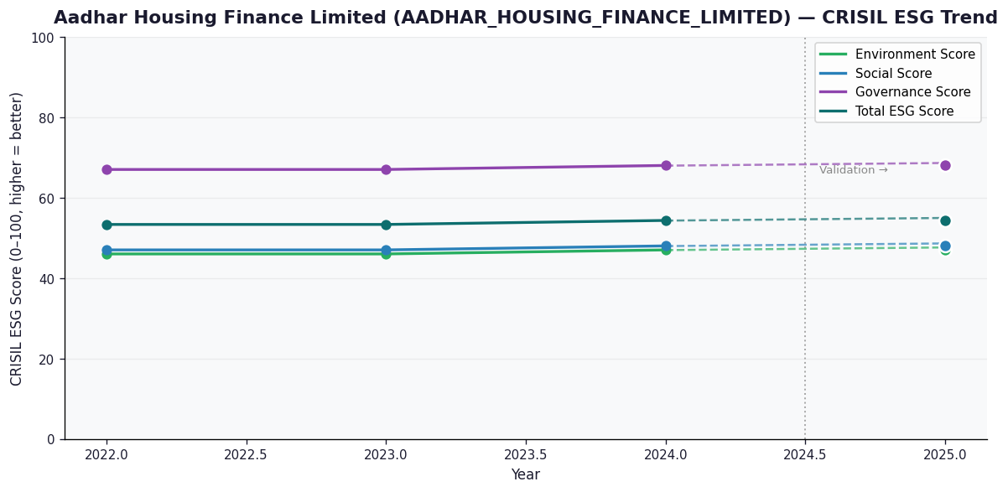

AI Investor Narrative
[Fallback] LLM pipeline could not complete for AADHAR_HOUSING_FINANCE_LIMITED (call1_failed).

