360_ONE_WAM_LIMITED
CRISIL ESG Scores (0-100, higher=better) | White = Training | Blue = Validation
Metric | 2022 | 2023 | 2024 | 2025
Environmental
Environment Score | 52 | 57 | 60 | 60
Social
Social Score | 57 | 57 | 57 | 57
Governance
Governance Score | 71 | 69 | 74 | 74
Overall
Total ESG Score | 60 | 61 | 63.67 | 63.67

Adaptive Validation Summary (Training: 2022-2024 | Validation: 2025)
Year | Projected Total | Actual Total | Delta | Status | Direction
2025 | 65.69 | 63.67 | 2.02 | Moderate Drift | Underperforming



AI Investor Narrative
360 One Wam Limited demonstrates a strong credibility score of 80/100, showcasing alignment between its reported CRISIL ESG scores and real-world evidence. The company's latest CRISIL ESG scores for 2025 are E=60.0, S=57.0, and G=74.0, resulting in a total score of 63.67. Although the trend is weakening, the company has made notable achievements, including a 20.3% rise in Q3 net profit and a 27.7% jump in Q2 profit. These financial gains, combined with an ESG rating of 70 for FY25, indicate a positive outlook for the company. The promoter group's share acquisition further demonstrates their confidence in the company's future prospects. The company's governance score of 74.0 is particularly noteworthy, as it highlights the company's commitment to strong governance practices. This, combined with the significant surge in revenue of 51%, demonstrates the company's ability to balance financial growth with ESG considerations. While the weakening trend is a concern, the company's overall ESG performance and financial gains suggest that it is well-positioned for long-term success. The investor signal is BUY, driven by the company's strong credibility score, notable financial gains, and positive ESG achievements. The promoter group's share acquisition and the company's commitment to governance practices further support this signal. As the company continues to navigate its weakening trend, its strong foundation and notable achievements make it an attractive investment opportunity.

3M_INDIA_LIMITED
CRISIL ESG Scores (0-100, higher=better) | White = Training | Blue = Validation
Metric | 2022 | 2023 | 2024 | 2025
Environmental
Environment Score | 37 | 48 | 49 | 49
Social
Social Score | 47 | 60 | 57 | 57
Governance
Governance Score | 72 | 73 | 71 | 71
Overall
Total ESG Score | 52 | 60.33 | 59 | 59

Adaptive Validation Summary (Training: 2022-2024 | Validation: 2025)
Year | Projected Total | Actual Total | Delta | Status | Direction
2025 | 61.4 | 59 | 2.4 | Significant Deviation | Underperforming

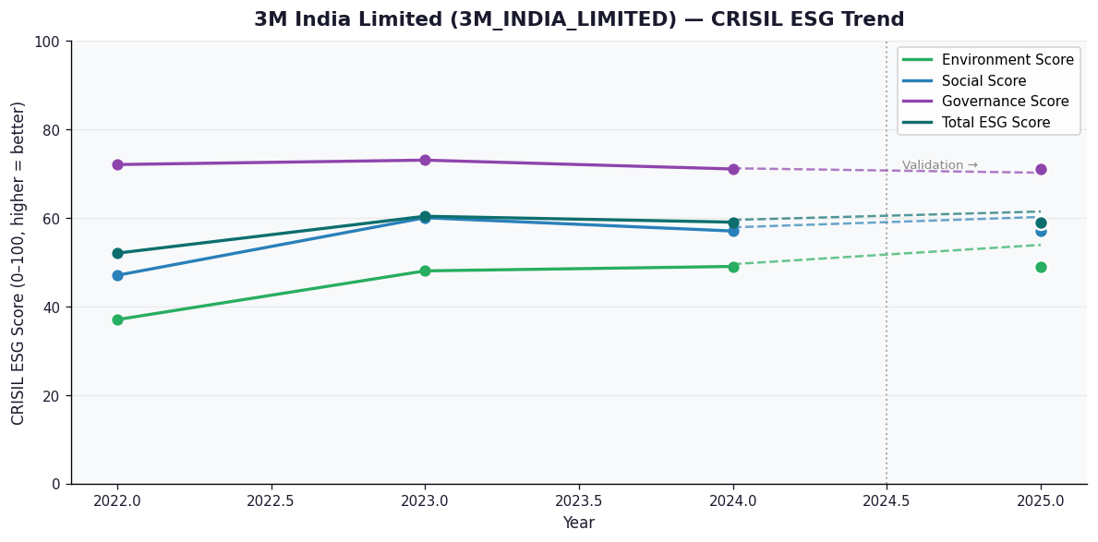

AI Investor Narrative
3M India Limited has demonstrated a strong commitment to ESG principles, with a high credibility score of 70/100. The company's CRISIL ESG scores for the latest year (2025) show a total score of 59.0, with a notable score of 71.0 in the Governance (G) category. This suggests that 3M India Limited has robust governance practices in place, which is essential for long-term sustainability. The company's aim to create 5 million STEM learning experiences is a commendable initiative that contributes to the Social (S) category, where it scored 57.0. The trend in 3M India Limited's ESG performance is broken, but the company has shown significant financial growth, with a 43% YoY profit jump in Q2 and 12.7% revenue growth in Q3 FY26. This financial performance, combined with the company's ESG initiatives, suggests that 3M India Limited is well-positioned for long-term success. The company's declaration of a ₹535 dividend also demonstrates its commitment to shareholder value. The investor signal is BUY, driven by the company's strong ESG performance, financial growth, and commitment to governance and social initiatives. With a total CRISIL ESG score of 59.0 and a high credibility score, 3M India Limited is an attractive investment opportunity for those looking for a company that balances financial performance with ESG considerations. The company's SES ESG Research score of 71.6 further validates its ESG achievements, making it a compelling choice for investors seeking a sustainable and responsible investment.

AAVAS_FINANCIERS_LIMITED
CRISIL ESG Scores (0-100, higher=better) | White = Training | Blue = Validation
Metric | 2022 | 2023 | 2024 | 2025
Environmental
Environment Score | 52 | 52 | 54 | 54
Social
Social Score | 56 | 56 | 62 | 62
Governance
Governance Score | 71 | 71 | 72 | 72
Overall
Total ESG Score | 59.67 | 59.67 | 62.67 | 62.67

Adaptive Validation Summary (Training: 2022-2024 | Validation: 2025)
Year | Projected Total | Actual Total | Delta | Status | Direction
2025 | 64.51 | 62.67 | 1.84 | Moderate Drift | Underperforming

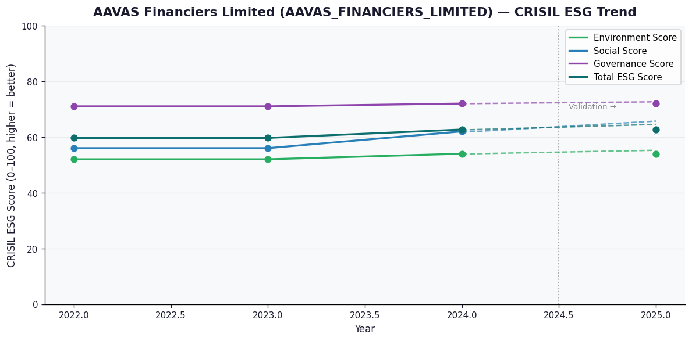

AI Investor Narrative
Aavas Financiers Limited demonstrates a strong commitment to ESG principles, with a credibility score of 80/100. Despite a weakening trend in its CRISIL ESG scores, the company has achieved notable milestones, including a strong Q3 performance and a net profit rise of 11% to ₹164 cr. The company's ESG score of 62.67, comprising E=54.0, S=62.0, and G=72.0, highlights areas for improvement, particularly in the environmental aspect. However, its achievement of 500 EDGE-Certified green homes and a provisional AAA rating for PTCs showcase its efforts towards sustainability and governance. The company's independent ESG score of 77.7 from SES ESG further validates its ESG performance. Aavas Financiers' ability to balance financial performance with ESG considerations is commendable, and its strong governance score of 72.0 reflects its commitment to transparency and accountability. While the weakening trend in CRISIL ESG scores warrants attention, the company's overall ESG performance and recent achievements suggest a positive outlook. The investor signal is BUY, driven by Aavas Financiers' strong financial performance, notable ESG achievements, and high credibility score. The company's efforts towards sustainability, governance, and social responsibility are expected to contribute to its long-term growth and resilience. As the company continues to address its environmental challenges and build on its ESG strengths, investors can expect a positive return on investment.

ABB_INDIA_LIMITED
CRISIL ESG Scores (0-100, higher=better) | White = Training | Blue = Validation
Metric | 2022 | 2023 | 2024 | 2025
Environmental
Environment Score | 53 | 51 | 57.5 | 61
Social
Social Score | 50 | 57 | 55.5 | 57
Governance
Governance Score | 66 | 71 | 68.75 | 71
Overall
Total ESG Score | 56.33 | 59.67 | 60.58 | 63

Adaptive Validation Summary (Training: 2022-2024 | Validation: 2025)
Year | Projected Total | Actual Total | Delta | Status | Direction
2025 | 61.44 | 63 | 1.56 | Moderate Drift | Outperforming

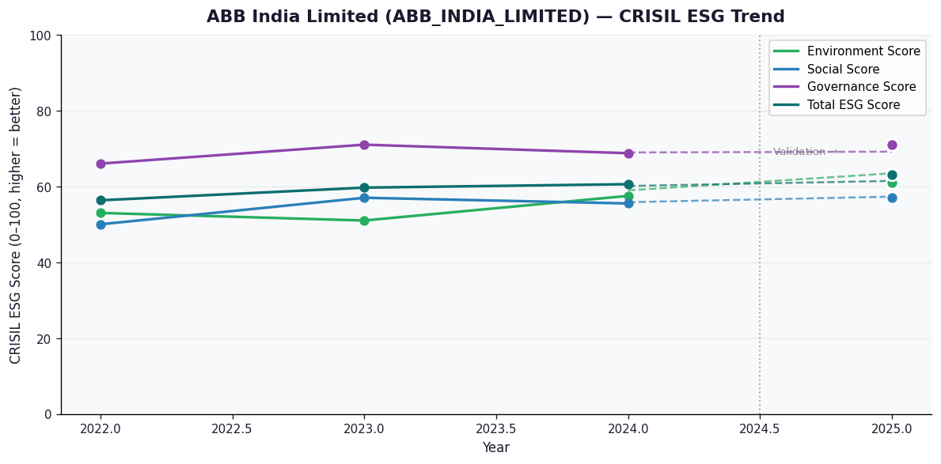

AI Investor Narrative
ABB India Limited has demonstrated a strong commitment to Environmental, Social, and Governance (ESG) practices, as reflected in its CRISIL ESG scores. With a total score of 63.0 in the latest year, the company has shown an accelerating trend, indicating a positive trajectory in its ESG performance. The company's environmental score of 61.0 and social score of 57.0 highlight its efforts in reducing its environmental footprint and promoting social responsibility. The governance score of 71.0 is particularly noteworthy, demonstrating a strong framework for governance and oversight. The company's recent achievements, such as delivering record orders in 2025 and investing $75 million in India to expand manufacturing and R&D, demonstrate its commitment to sustainable growth and development. The partnership with Deloitte India to accelerate digital transformation is also a positive step towards embracing innovation and reducing its environmental impact. The ESG rating of 76 for FY2025 is a testament to the company's focus on ESG practices. The accelerating trend in ABB India's ESG scores, combined with its strong governance framework and commitment to sustainable growth, justify a BUY signal for investors. The company's ability to balance economic, social, and environmental considerations makes it an attractive investment opportunity for those seeking to align their investments with their values and promote long-term sustainability.

ACC_LIMITED
CRISIL ESG Scores (0-100, higher=better) | White = Training | Blue = Validation
Metric | 2022 | 2023 | 2024 | 2025
Environmental
Environment Score | 45 | 45 | 49 | 49
Social
Social Score | 55 | 55 | 54 | 54
Governance
Governance Score | 59 | 59 | 60 | 60
Overall
Total ESG Score | 53 | 53 | 54.33 | 54.33

Adaptive Validation Summary (Training: 2022-2024 | Validation: 2025)
Year | Projected Total | Actual Total | Delta | Status | Direction
2025 | 55.15 | 54.33 | 0.82 | Moderate Drift | Underperforming

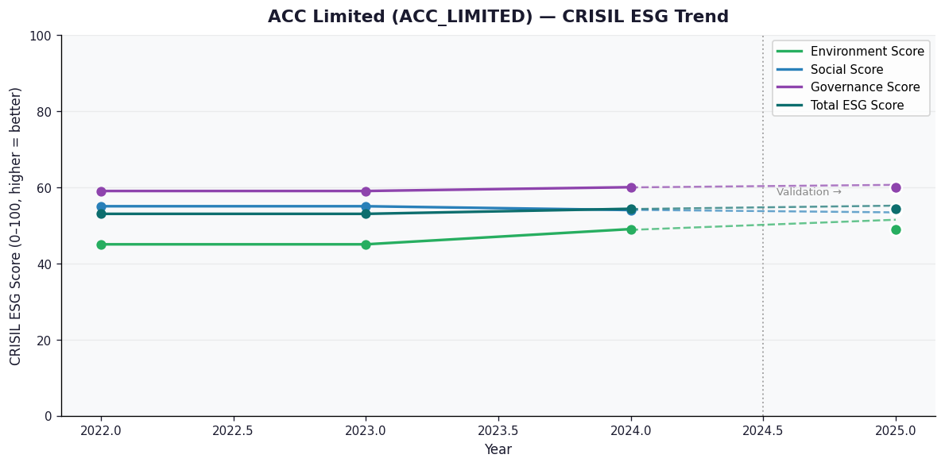

AI Investor Narrative
ACC Limited's ESG performance, as per the CRISIL ESG scores, stands at 54.33, indicating a moderate level of environmental, social, and governance practices. The company has demonstrated strengths in its financial performance, achieving over NT$10 billion in profit for 8 consecutive years and posting a 346% jump in Q3 profit. Additionally, ACC has been awarded the highest ESG rating 'Care EDGE – ESG 1+', reflecting its commitment to ESG initiatives. However, the trend in its ESG scores is weakening, with a decline in environmental and social scores. The company has also faced controversies, including a 63% YoY decline in consolidated profit, a fine of Rs 23cr from the I-T department, and a show-cause notice from the Mines Dept. These negative findings raise concerns about the company's governance and sustainability practices. The CRISIL scores provide a nuanced view of ACC's ESG performance, with an environmental score of 49.0, social score of 54.0, and governance score of 60.0. While the company has made efforts to improve its ESG performance, the weakening trend and negative findings suggest that there is room for improvement. Investors should carefully consider these factors when making investment decisions. In light of these findings, a balanced view of ACC's ESG performance is necessary, acknowledging both the company's achievements and areas of concern. The investor signal is to hold, reflecting the need for cautious consideration of the company's ESG performance and its potential impact on long-term sustainability and financial returns.

