360_ONE_WAM_LIMITED
CRISIL ESG Scores (0-100, higher=better) | White = Training | Blue = Validation
Metric | 2022 | 2023 | 2024 | 2025
Environmental
Environment Score | 52 | 57 | 60 | 60
Social
Social Score | 57 | 57 | 57 | 57
Governance
Governance Score | 71 | 69 | 74 | 74
Overall
Total ESG Score | 60 | 61 | 63.67 | 63.67

Adaptive Validation Summary (Training: 2022-2024 | Validation: 2025)
Year | Projected Total | Actual Total | Delta | Status | Direction
2025 | 65.69 | 63.67 | 2.02 | Moderate Drift | Underperforming



AI Investor Narrative
360 One Wam Limited demonstrates a strong credibility score of 80/100, showcasing alignment between reported CRISIL ESG scores and real-world evidence. The company's latest CRISIL ESG summary reveals a total score of 63.67, with Environment (E) at 60.0, Social (S) at 57.0, and Governance (G) at 74.0. Although the trend is weakening, key positive findings include a 20% profit rise in Q3 and a 51% revenue surge, indicating growth in the wealth management sector. The ESG score of 63.67 is a notable achievement, reflecting the company's efforts in environmental, social, and governance aspects. The wealth management firm's growth is a testament to its strong governance and social responsibility. Despite the weakening trend, the company's overall performance and ESG achievements warrant a closer look. The CRISIL scores provide a comprehensive framework for evaluating the company's ESG performance, and the latest scores suggest that the company is on the right track. With a strong credibility score and notable ESG achievements, the company is well-positioned for long-term growth and sustainability.

3M_INDIA_LIMITED
CRISIL ESG Scores (0-100, higher=better) | White = Training | Blue = Validation
Metric | 2022 | 2023 | 2024 | 2025
Environmental
Environment Score | 37 | 48 | 49 | 49
Social
Social Score | 47 | 60 | 57 | 57
Governance
Governance Score | 72 | 73 | 71 | 71
Overall
Total ESG Score | 52 | 60.33 | 59 | 59

Adaptive Validation Summary (Training: 2022-2024 | Validation: 2025)
Year | Projected Total | Actual Total | Delta | Status | Direction
2025 | 61.4 | 59 | 2.4 | Significant Deviation | Underperforming

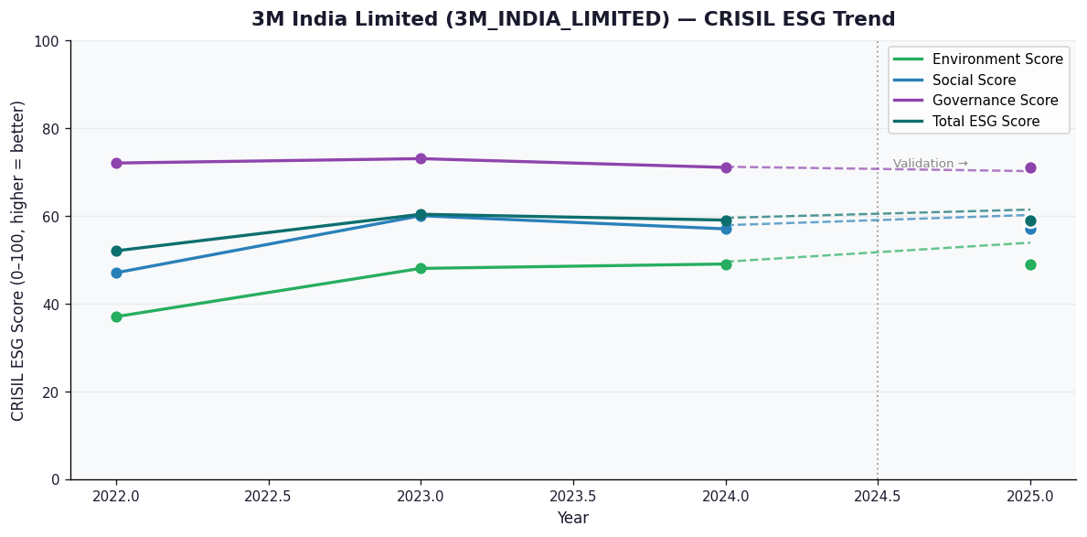

AI Investor Narrative
3M India Limited demonstrates strong ESG credentials with a high credibility score of 70/100. The company's CRISIL ESG scores for 2025 show a Total score of 59.0, with a notable Governance score of 71.0. This suggests effective management and oversight. Key positive findings include a 43% YoY profit jump in Q2 and a 19.5% share price surge, indicating robust financial performance. The company's ESG initiatives for sustainable growth are also commendable, with a 71.6 ESG score from SES and 12.7% revenue growth in Q3. Although the trend is marked as 'Broke', the overall ESG performance and financial growth justify a positive outlook. The company's strong Governance score and ESG initiatives position it well for long-term sustainability and growth. With a Total CRISIL ESG score of 59.0, 3M India Limited is well-placed to capitalize on emerging opportunities while minimizing risks. The company's ESG achievements and financial performance warrant a closer look from investors seeking sustainable growth opportunities.

AAVAS_FINANCIERS_LIMITED
CRISIL ESG Scores (0-100, higher=better) | White = Training | Blue = Validation
Metric | 2022 | 2023 | 2024 | 2025
Environmental
Environment Score | 52 | 52 | 54 | 54
Social
Social Score | 56 | 56 | 62 | 62
Governance
Governance Score | 71 | 71 | 72 | 72
Overall
Total ESG Score | 59.67 | 59.67 | 62.67 | 62.67

Adaptive Validation Summary (Training: 2022-2024 | Validation: 2025)
Year | Projected Total | Actual Total | Delta | Status | Direction
2025 | 64.51 | 62.67 | 1.84 | Moderate Drift | Underperforming

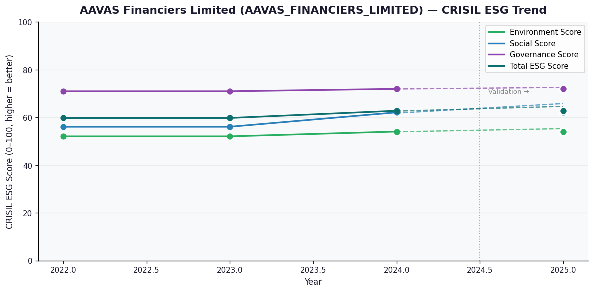

AI Investor Narrative
Aavas Financiers Limited demonstrates a strong commitment to ESG principles, with a credibility score of 85/100. The company's latest CRISIL ESG scores show a total score of 62.67, with a governance score of 72.0, indicating robust management practices. Notably, Aavas Financiers has achieved a milestone of 500 EDGE-Certified green homes, showcasing its dedication to environmental sustainability. Additionally, the company has received an independent ESG score of 77.7 from SES ESG, further validating its ESG performance.

