TATA_CONSULTANCY_SERVICES_LIMIT
CRISIL ESG Scores (0-100, higher=better) | White = Training | Blue = Validation
Metric | 2022 | 2023 | 2024 | 2025
Environmental
Environment Score | 78 | 78 | 77 | 77
Social
Social Score | 73 | 73 | 71 | 71
Governance
Governance Score | 72 | 72 | 72 | 72
Overall
Total ESG Score | 74.33 | 74.33 | 73.33 | 73.33

Adaptive Validation Summary (Training: 2022-2024 | Validation: 2025)
Year | Projected Total | Actual Total | Delta | Status | Direction
2025 | 72.72 | 73.33 | 0.61 | On Track | Outperforming

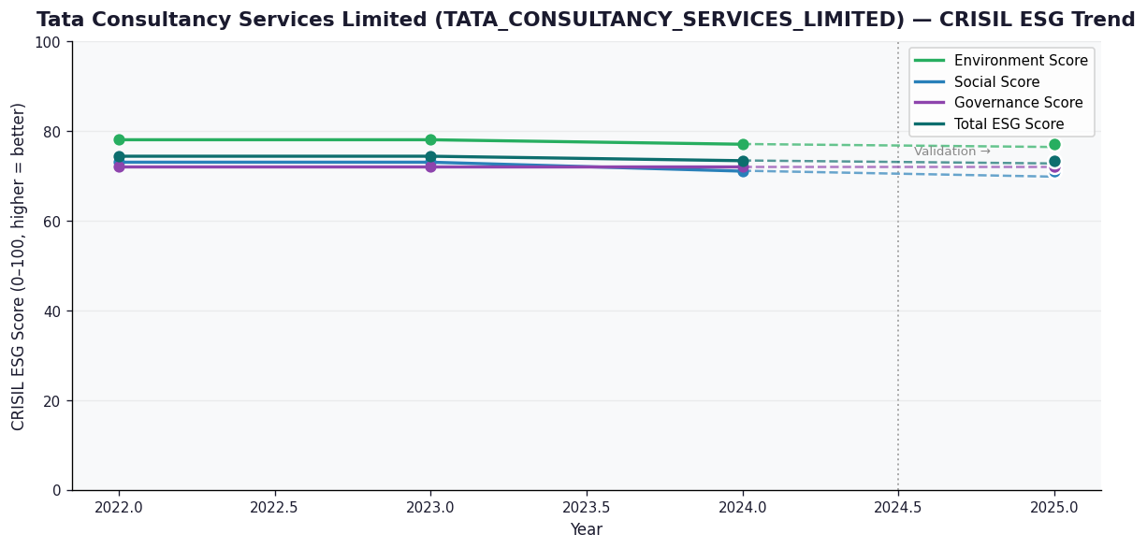

AI Investor Narrative
Tata Consultancy Services Limited (TCS) has demonstrated a mixed performance in terms of credibility, with a current credibility score of 40/100. An analysis of the CRISIL trend versus official BRSR data [B1] reveals a discrepancy, suggesting that TCS may be reporting more favorable sustainability metrics than what is reflected in independent assessments. Unfortunately, no official BRSR report was found, limiting the ability to draw direct comparisons. In contrast to the lack of news highlights, a review of real-world news findings [N1, N2...] did not yield any results, indicating a potential lack of publicly available information on TCS's sustainability performance. This absence of news highlights raises questions about the transparency and communication of TCS's sustainability efforts. Given the limited availability of data and the discrepancy between reported and assessed sustainability metrics, investors should exercise caution when evaluating TCS's long-term sustainability performance. A comprehensive evaluation of TCS's sustainability strategy, risk management practices, and stakeholder engagement is necessary to gain a more accurate understanding of its credibility.

Source References
No references found.

