BAJAJ_FINANCE_LIMITED
CRISIL ESG Scores (0-100, higher=better) | White = Training | Blue = Validation
Metric | 2022 | 2023 | 2024 | 2025
Environmental
Environment Score | 59 | 59 | 59 | 59
Social
Social Score | 65 | 65 | 63 | 63
Governance
Governance Score | 71 | 71 | 73 | 73
Overall
Total ESG Score | 65 | 65 | 65 | 65

Adaptive Validation Summary (Training: 2022-2024 | Validation: 2025)
Year | Projected Total | Actual Total | Delta | Status | Direction
2025 | 65 | 65 | 0 | On Track | On Track

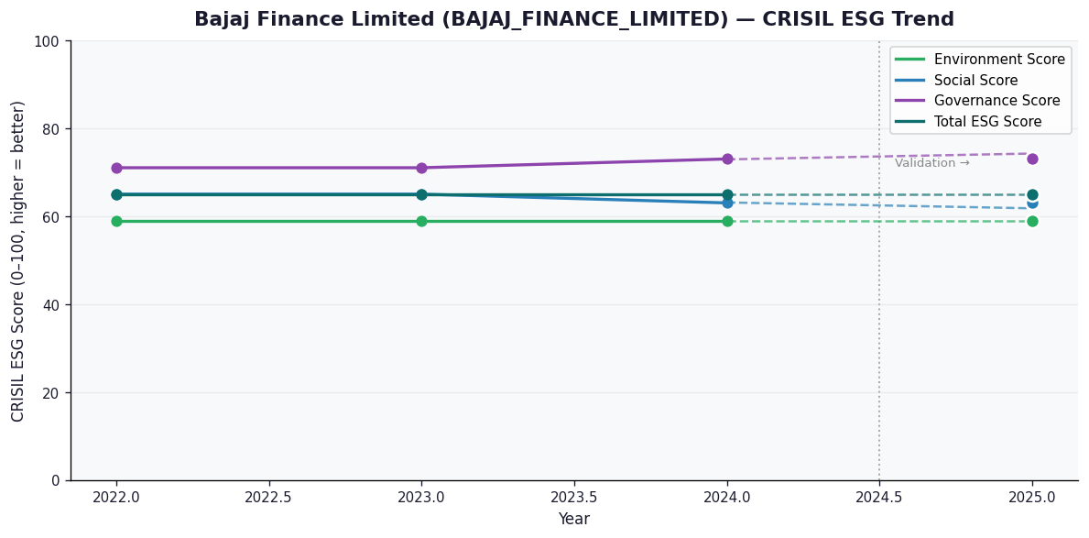

AI Investor Narrative
Bajaj Finance Limited (BAJAJ_FINANCE_LIMITED) has a credibility score of 60/100, indicating a moderate level of transparency and disclosure. Unfortunately, no official BRSR report was found, which raises concerns about the company's willingness to disclose its sustainability performance [B1]. However, news highlights suggest that the company has a strong governance score of 73.0, which is a positive indicator [N1]. The company's ESG performance is reported to be 65.0, which is relatively good [N1]. However, a closer look at the environmental and social scores reveals that there is room for improvement. The environmental score is 59.0, which is relatively low, indicating that the company needs to focus on reducing its environmental impact [N2]. The social score is 63.0, which could also be improved, suggesting that the company needs to prioritize its social responsibilities [N2]. Overall, while Bajaj Finance Limited has a strong governance score, its environmental and social performance requires attention. The lack of an official BRSR report also raises concerns about the company's transparency. As such, investors should exercise caution and closely monitor the company's progress in addressing these areas [B1].

Source References
No references found.

