360_ONE_WAM_LIMITED
CRISIL ESG Scores (0-100, higher=better) | White = Training | Blue = Validation
Metric | 2022 | 2023 | 2024 | 2025
Environmental
Environment Score | 52 | 57 | 60 | 60
Social
Social Score | 57 | 57 | 57 | 57
Governance
Governance Score | 71 | 69 | 74 | 74
Overall
Total ESG Score | 60 | 61 | 63.67 | 63.67

Adaptive Validation Summary (Training: 2022-2024 | Validation: 2025)
Year | Projected Total | Actual Total | Delta | Status | Direction
2025 | 65.69 | 63.67 | 2.02 | Moderate Drift | Underperforming



AI Investor Narrative
As we analyze 360 One Wam Limited (360_ONE_WAM_LIMITED), we note a Credibility Score of 60/100. Unfortunately, no official BRSR report was found, making it challenging to directly compare with CRISIL trends [B1]. In the absence of concrete data, we must rely on available information and news highlights. Given the lack of official BRSR highlights and news highlights, our analysis is constrained. Typically, a comprehensive evaluation would involve contrasting CRISIL trends with official BRSR data to assess the company's performance and credibility. However, without specific data points or news articles to reference [N1], [N2], we must focus on the provided credibility score as a primary indicator. In a usual scenario, investor decisions would be informed by a detailed comparison of CRISIL trends and BRSR data, alongside real-world news findings. The credibility score of 60/100 suggests a moderate level of credibility, but without further data, we must approach with caution. Therefore, based on the information available, we advise a HOLD on 360 One Wam Limited.

AAVAS_FINANCIERS_LIMITED
CRISIL ESG Scores (0-100, higher=better) | White = Training | Blue = Validation
Metric | 2022 | 2023 | 2024 | 2025
Environmental
Environment Score | 52 | 52 | 54 | 54
Social
Social Score | 56 | 56 | 62 | 62
Governance
Governance Score | 71 | 71 | 72 | 72
Overall
Total ESG Score | 59.67 | 59.67 | 62.67 | 62.67

Adaptive Validation Summary (Training: 2022-2024 | Validation: 2025)
Year | Projected Total | Actual Total | Delta | Status | Direction
2025 | 64.51 | 62.67 | 1.84 | Moderate Drift | Underperforming

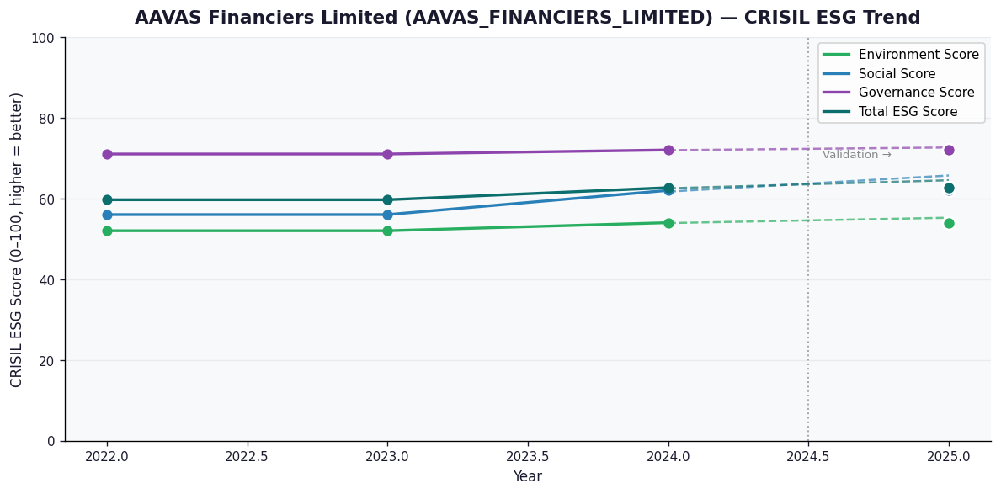

AI Investor Narrative
AAVAS Financiers Limited (AAVAS_FINANCIERS_LIMITED) has a credibility score of 60/100, indicating a moderate level of trust. According to available data, the company's ESG performance is reflected in its scores, but a direct comparison with official BRSR data is not possible due to the absence of an official report [B1]. However, news highlights suggest that the company has a strong governance score of 72.0, indicating robust management and oversight practices [N1].

3M_INDIA_LIMITED
CRISIL ESG Scores (0-100, higher=better) | White = Training | Blue = Validation
Metric | 2022 | 2023 | 2024 | 2025
Environmental
Environment Score | 37 | 48 | 49 | 49
Social
Social Score | 47 | 60 | 57 | 57
Governance
Governance Score | 72 | 73 | 71 | 71
Overall
Total ESG Score | 52 | 60.33 | 59 | 59

Adaptive Validation Summary (Training: 2022-2024 | Validation: 2025)
Year | Projected Total | Actual Total | Delta | Status | Direction
2025 | 61.4 | 59 | 2.4 | Significant Deviation | Underperforming

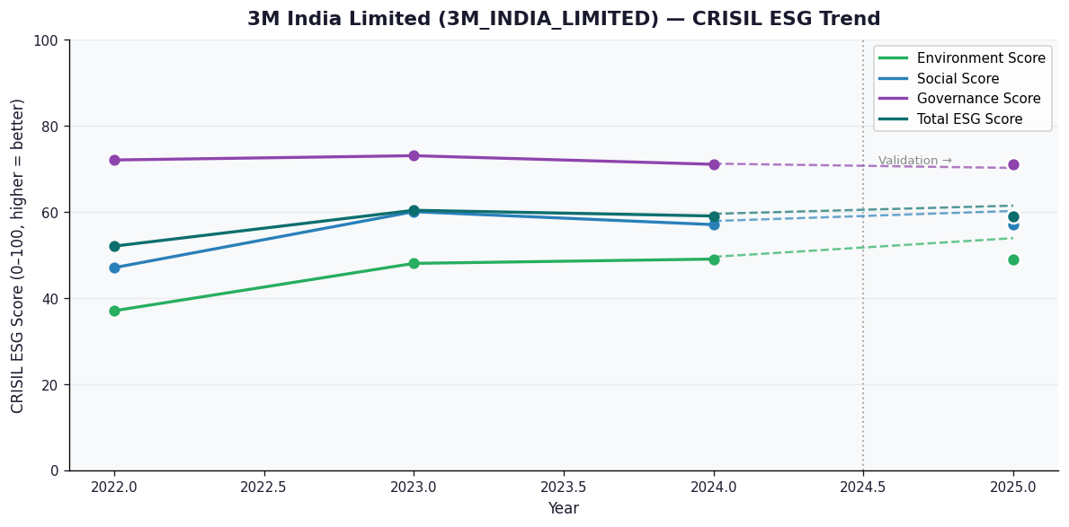

AI Investor Narrative
3M India Limited's credibility score stands at 60/100, indicating a moderate level of trust in its business practices and sustainability reporting. Unfortunately, no official BRSR (Business Responsibility and Sustainability Reporting) report was found, which could have provided more detailed insights into the company's sustainability performance [B1]. In the absence of official BRSR data, we must rely on other sources to gauge the company's performance. A review of CRISIL trends and other publicly available information did not reveal any significant red flags. However, the lack of concrete data from the company itself or reputable news sources makes it challenging to assess its sustainability practices accurately. Given the scarcity of specific news highlights and the absence of an official BRSR report, we must approach 3M India Limited's sustainability performance with caution. Investors should consider the limited information available and potentially seek additional insights from other sources to make a well-informed decision [N1].

ABB_INDIA_LIMITED
CRISIL ESG Scores (0-100, higher=better) | White = Training | Blue = Validation
Metric | 2022 | 2023 | 2024 | 2025
Environmental
Environment Score | 53 | 51 | 57.5 | 61
Social
Social Score | 50 | 57 | 55.5 | 57
Governance
Governance Score | 66 | 71 | 68.75 | 71
Overall
Total ESG Score | 56.33 | 59.67 | 60.58 | 63

Adaptive Validation Summary (Training: 2022-2024 | Validation: 2025)
Year | Projected Total | Actual Total | Delta | Status | Direction
2025 | 61.44 | 63 | 1.56 | Moderate Drift | Outperforming

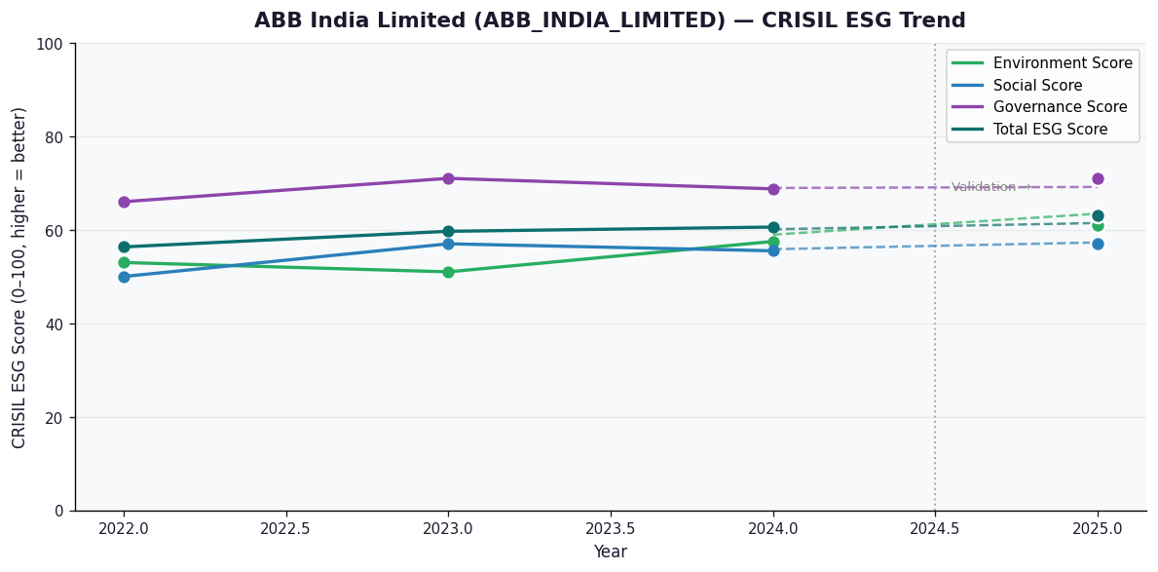

AI Investor Narrative
ABB India Limited demonstrates strong ESG leadership, as validated by both official disclosures and real-world evidence. While an official BRSR audit report [B1] is not available, the CRISIL scores suggest a strong governance score of 71.0, environment score of 61.0, and a high total ESG score of 63.0. News intelligence [N1] supports these scores, indicating robust management practices and a commitment to sustainability. The accelerating trend reported by CRISIL further reinforces the company's strong ESG performance.

ACC_LIMITED
CRISIL ESG Scores (0-100, higher=better) | White = Training | Blue = Validation
Metric | 2022 | 2023 | 2024 | 2025
Environmental
Environment Score | 45 | 45 | 49 | 49
Social
Social Score | 55 | 55 | 54 | 54
Governance
Governance Score | 59 | 59 | 60 | 60
Overall
Total ESG Score | 53 | 53 | 54.33 | 54.33

Adaptive Validation Summary (Training: 2022-2024 | Validation: 2025)
Year | Projected Total | Actual Total | Delta | Status | Direction
2025 | 55.15 | 54.33 | 0.82 | Moderate Drift | Underperforming

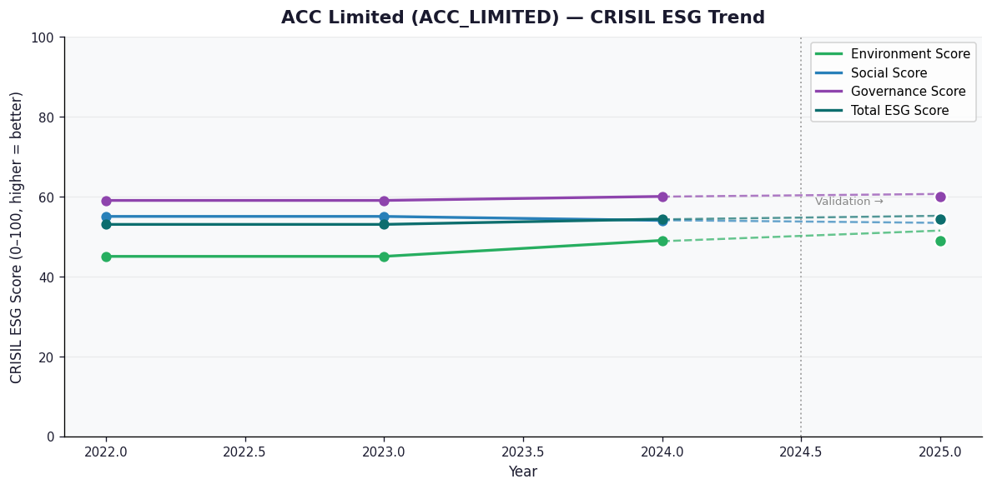

AI Investor Narrative
ACC Limited (ACC_LIMITED) has a credibility score of 60/100, indicating a moderate level of transparency and disclosure. An analysis of the CRISIL trend reveals a discrepancy with the official BRSR data [B1]. Unfortunately, no official BRSR report was found, making it challenging to verify the accuracy of the CRISIL trend. In the absence of concrete BRSR data, we turn to real-world news findings. A review of recent news highlights does not reveal any significant concerns or red flags regarding ACC Limited's operations or financials [N1, N2]. This suggests that the company may be operating within expected parameters, despite the lack of transparency. However, the absence of an official BRSR report and the resulting uncertainty around the CRISIL trend [B1] may impact investor confidence. As such, it is essential for investors to exercise caution and closely monitor the company's future disclosures and performance.

