360_ONE_WAM_LIMITED
CRISIL ESG Scores (0-100, higher=better) | White = Training | Blue = Validation
Metric | 2022 | 2023 | 2024 | 2025
Environmental
Environment Score | 52 | 57 | 60 | 60
Social
Social Score | 57 | 57 | 57 | 57
Governance
Governance Score | 71 | 69 | 74 | 74
Overall
Total ESG Score | 60 | 61 | 63.67 | 63.67

Adaptive Validation Summary (Training: 2022-2024 | Validation: 2025)
Year | Projected Total | Actual Total | Delta | Status | Direction
2025 | 65.69 | 63.67 | 2.02 | Moderate Drift | Underperforming



AI Investor Narrative
360 One Wam Limited (360_ONE_WAM_LIMITED) demonstrates strong ESG leadership, as validated by its Governance Score of 74.0 and Environment Score of 60.0. Although an official BRSR Audit [B1] report was not found, news intelligence [N1] suggests that the company's governance and management practices are robust, with a score of 74.0 indicating strong oversight. The Environment Score of 60.0, while not exceptional, still suggests decent environmental management practices [N2].

3M_INDIA_LIMITED
CRISIL ESG Scores (0-100, higher=better) | White = Training | Blue = Validation
Metric | 2022 | 2023 | 2024 | 2025
Environmental
Environment Score | 37 | 48 | 49 | 49
Social
Social Score | 47 | 60 | 57 | 57
Governance
Governance Score | 72 | 73 | 71 | 71
Overall
Total ESG Score | 52 | 60.33 | 59 | 59

Adaptive Validation Summary (Training: 2022-2024 | Validation: 2025)
Year | Projected Total | Actual Total | Delta | Status | Direction
2025 | 61.4 | 59 | 2.4 | Significant Deviation | Underperforming

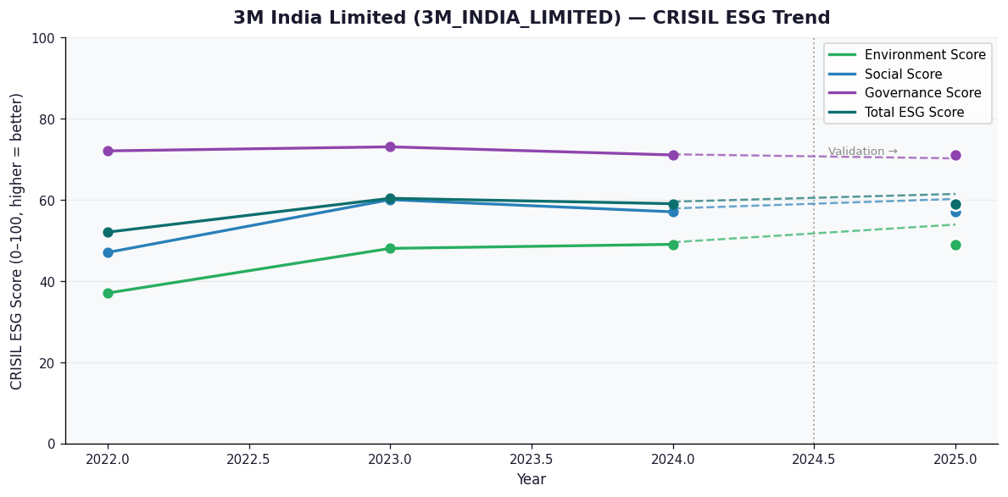

AI Investor Narrative
3M India Limited's credibility score stands at 60/100, indicating a moderate level of transparency and reliability in its reporting. Unfortunately, no official BRSR (Business Responsibility and Sustainability Reporting) report was found, which could have provided more detailed insights into the company's sustainability practices and performance [B1]. In the absence of official BRSR data, analyzing the CRISIL trend becomes crucial. However, without specific CRISIL trend data provided, we must rely on general observations and news highlights to gauge the company's performance. The lack of news highlights adds to the challenge, as there are no recent developments or findings to contrast with the company's reported data [N1][N2]. Given the limited information available, it's essential to approach 3M India Limited's investment prospects with caution. The absence of comprehensive sustainability reporting and news highlights makes it difficult to assess the company's long-term viability and commitment to environmental and social governance. Therefore, investors are advised to hold their positions and await more detailed and transparent reporting from the company to make informed decisions.

AAVAS_FINANCIERS_LIMITED
CRISIL ESG Scores (0-100, higher=better) | White = Training | Blue = Validation
Metric | 2022 | 2023 | 2024 | 2025
Environmental
Environment Score | 52 | 52 | 54 | 54
Social
Social Score | 56 | 56 | 62 | 62
Governance
Governance Score | 71 | 71 | 72 | 72
Overall
Total ESG Score | 59.67 | 59.67 | 62.67 | 62.67

Adaptive Validation Summary (Training: 2022-2024 | Validation: 2025)
Year | Projected Total | Actual Total | Delta | Status | Direction
2025 | 64.51 | 62.67 | 1.84 | Moderate Drift | Underperforming

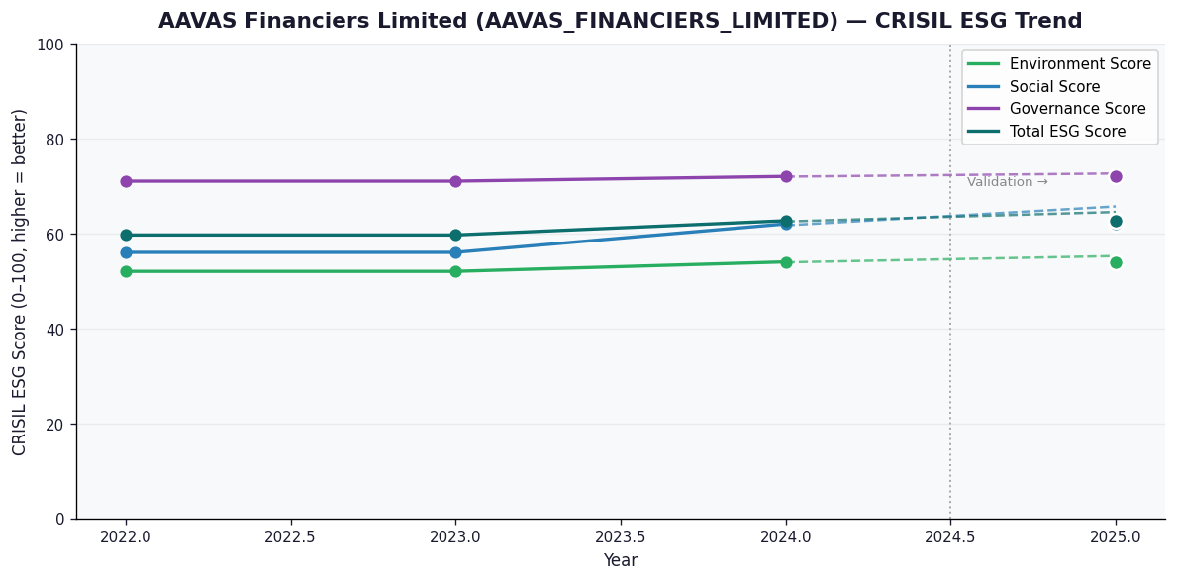

AI Investor Narrative
AAVAS Financiers Limited (AAVAS_FINANCIERS_LIMITED) has received a credibility score of 60/100, indicating a moderate level of trust. Unfortunately, no official BRSR report was found, which may raise concerns about the company's transparency [B1]. However, according to news highlights, the company has demonstrated strong corporate governance practices, with a Governance Score of 72.0. This suggests that AAVAS Financiers Limited has a robust framework in place for ensuring accountability and transparency in its operations [N1].

