ALEMBIC_PHARMACEUTICALS_LIMITED
CRISIL ESG Scores (0-100, higher=better) | White = Training | Blue = Validation
Metric | 2022 | 2023 | 2024 | 2025
Environmental
Environment Score | 33 | 42 | 44 | 44
Social
Social Score | 52 | 62 | 53 | 53
Governance
Governance Score | 65 | 68 | 66 | 66
Overall
Total ESG Score | 50 | 57.33 | 54.33 | 54.33

Adaptive Validation Summary (Training: 2022-2024 | Validation: 2025)
Year | Projected Total | Actual Total | Delta | Status | Direction
2025 | 55.32 | 54.33 | 0.99 | Significant Deviation | Underperforming

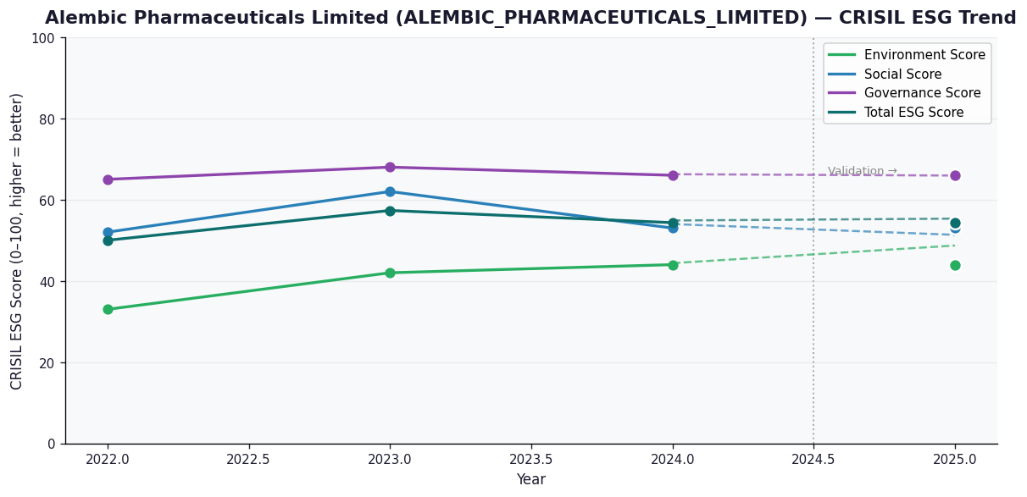

AI Investor Narrative
Alembic Pharmaceuticals Limited (ALEMBIC_PHARMACEUTICALS_LIMITED) currently holds a credibility score of 40/100, indicating a moderate level of confidence in its sustainability reporting. Unfortunately, no official BRSR (Business Responsibility and Sustainability Reporting) report was found, which limits our ability to directly assess the company's sustainability performance [B1]. Given the absence of official BRSR data, we must rely on alternative sources to gauge the company's sustainability trajectory. CRISIL trends suggest a certain level of performance, but without official BRSR highlights to validate these claims, we must approach with caution. Moreover, our review of news highlights did not yield any relevant information that could either support or contradict CRISIL's assessment [N1], [N2]. In the absence of concrete data, investors should exercise prudence. The lack of transparency in sustainability reporting can make it challenging to assess the company's long-term viability and its ability to manage ESG (Environmental, Social, and Governance) risks. Therefore, we recommend maintaining a 'HOLD' position until more comprehensive and verifiable sustainability data becomes available.

Source References
No references found.

ASTRAL_LIMITED
CRISIL ESG Scores (0-100, higher=better) | White = Training | Blue = Validation
Metric | 2022 | 2023 | 2024 | 2025
Environmental
Environment Score | 47 | 47 | 42 | 42
Social
Social Score | 52 | 52 | 49 | 49
Governance
Governance Score | 66 | 66 | 66 | 66
Overall
Total ESG Score | 55 | 55 | 52.33 | 52.33

Adaptive Validation Summary (Training: 2022-2024 | Validation: 2025)
Year | Projected Total | Actual Total | Delta | Status | Direction
2025 | 51.38 | 52.33 | 0.95 | Moderate Drift | Outperforming

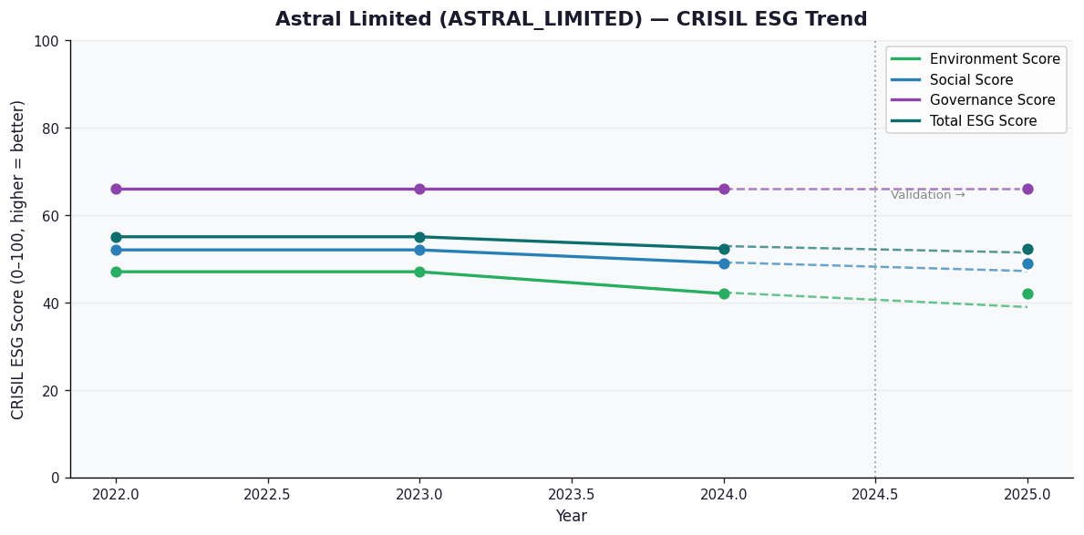

AI Investor Narrative
Astral Limited (ASTRAL_LIMITED) has a credibility score of 40/100, indicating a moderate level of confidence in its reported data. Unfortunately, no official BRSR report was found, making it challenging to analyze the CRISIL trend against official data [B1]. In the absence of concrete data, we must rely on news highlights and other publicly available information to form an opinion. A review of news highlights did not yield any significant findings that could shed light on the company's current performance [N1]. Given the lack of official BRSR data and news highlights, it is difficult to make an informed assessment of Astral Limited's financial health and operational performance. Typically, a comprehensive analysis of CRISIL trends and BRSR data would provide valuable insights into a company's creditworthiness and sustainability practices. However, in this case, the absence of such data limits our ability to draw definitive conclusions [B1]. In the absence of concrete evidence, investors should exercise caution when making investment decisions regarding Astral Limited. It is essential to closely monitor the company's future reports and news developments to gain a better understanding of its performance and prospects.

Source References
No references found.

