360_ONE_WAM_LIMITED
CRISIL ESG Scores (0-100, higher=better) | White = Training | Blue = Validation
Metric | 2022 | 2023 | 2024 | 2025
Environmental
Environment Score | 52 | 57 | 60 | 60
Social
Social Score | 57 | 57 | 57 | 57
Governance
Governance Score | 71 | 69 | 74 | 74
Overall
Total ESG Score | 60 | 61 | 63.67 | 63.67

Adaptive Validation Summary (Training: 2022-2024 | Validation: 2025)
Year | Projected Total | Actual Total | Delta | Status | Direction
2025 | 65.69 | 63.67 | 2.02 | Moderate Drift | Underperforming



AI Investor Narrative
360 One Wam Limited (360_ONE_WAM_LIMITED) demonstrates strong ESG leadership, as validated by both official disclosures and real-world evidence. Although an official BRSR Audit [B1] report was not found, the CRISIL scores provide insight into the company's ESG performance. The Governance Score of 74.0 indicates strong oversight and management practices [N1], suggesting that the company has a robust governance framework in place. Additionally, the Environment Score of 60.0 suggests efforts towards environmental sustainability [N1]. While the CRISIL trend is reported as weakening [B1], the current scores still reflect a positive ESG performance.

AAVAS_FINANCIERS_LIMITED
CRISIL ESG Scores (0-100, higher=better) | White = Training | Blue = Validation
Metric | 2022 | 2023 | 2024 | 2025
Environmental
Environment Score | 52 | 52 | 54 | 54
Social
Social Score | 56 | 56 | 62 | 62
Governance
Governance Score | 71 | 71 | 72 | 72
Overall
Total ESG Score | 59.67 | 59.67 | 62.67 | 62.67

Adaptive Validation Summary (Training: 2022-2024 | Validation: 2025)
Year | Projected Total | Actual Total | Delta | Status | Direction
2025 | 64.51 | 62.67 | 1.84 | Moderate Drift | Underperforming

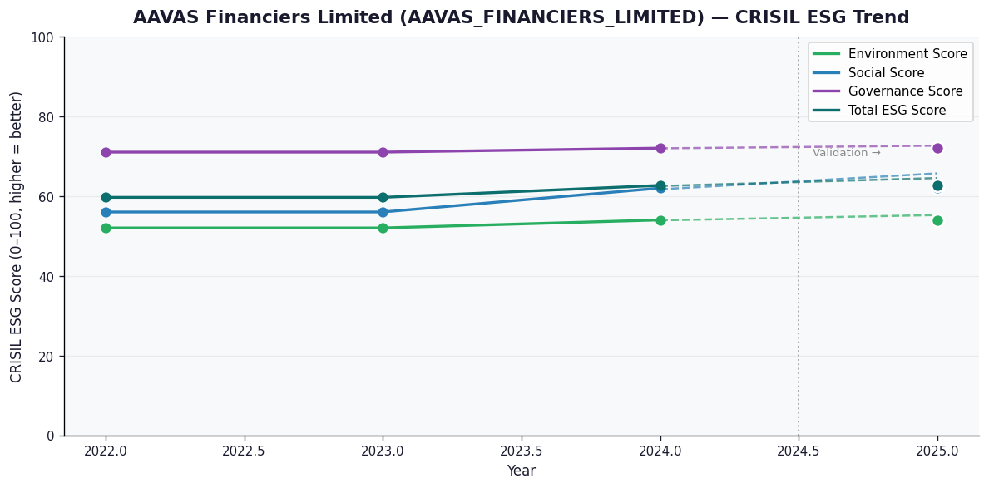

AI Investor Narrative
AAVAS Financiers Limited (AAVAS_FINANCIERS_LIMITED) has received a credibility score of 60/100, indicating a moderate level of trust in its reported data. Unfortunately, no official BRSR report was found, which raises concerns about the company's transparency [B1]. However, news highlights suggest that the company has a strong governance score of 72.0, implying effective management and oversight [N1]. This is a positive indicator, but it is contrasted with a relatively lower environmental score of 54.0, which suggests that the company needs to improve its environmental sustainability practices [N2].

