360_ONE_WAM_LIMITED
CRISIL ESG Scores (0-100, higher=better) | White = Training | Blue = Validation
Metric | 2022 | 2023 | 2024 | 2025
Environmental
Environment Score | 52 | 57 | 60 | 60
Social
Social Score | 57 | 57 | 57 | 57
Governance
Governance Score | 71 | 69 | 74 | 74
Overall
Total ESG Score | 60 | 61 | 63.67 | 63.67

Adaptive Validation Summary (Training: 2022-2024 | Validation: 2025)
Year | Projected Total | Actual Total | Delta | Status | Direction
2025 | 65.69 | 63.67 | 2.02 | Moderate Drift | Underperforming



AI Investor Narrative
360 One Wam Limited (360_ONE_WAM_LIMITED) demonstrates strong ESG leadership, as validated by its high CRISIL scores. Although an official BRSR Audit report [B1] is not available, the company's Governance Score of 74.0, as reported in the news [N1], indicates strong corporate governance practices. This score suggests that the company has a robust framework in place for ensuring transparency, accountability, and fairness in its operations. Additionally, the Environment Score of 60.0 [N2] suggests moderate environmental responsibility, which is a positive indicator of the company's efforts to minimize its ecological footprint.

Source References

3M_INDIA_LIMITED
CRISIL ESG Scores (0-100, higher=better) | White = Training | Blue = Validation
Metric | 2022 | 2023 | 2024 | 2025
Environmental
Environment Score | 37 | 48 | 49 | 49
Social
Social Score | 47 | 60 | 57 | 57
Governance
Governance Score | 72 | 73 | 71 | 71
Overall
Total ESG Score | 52 | 60.33 | 59 | 59

Adaptive Validation Summary (Training: 2022-2024 | Validation: 2025)
Year | Projected Total | Actual Total | Delta | Status | Direction
2025 | 61.4 | 59 | 2.4 | Significant Deviation | Underperforming

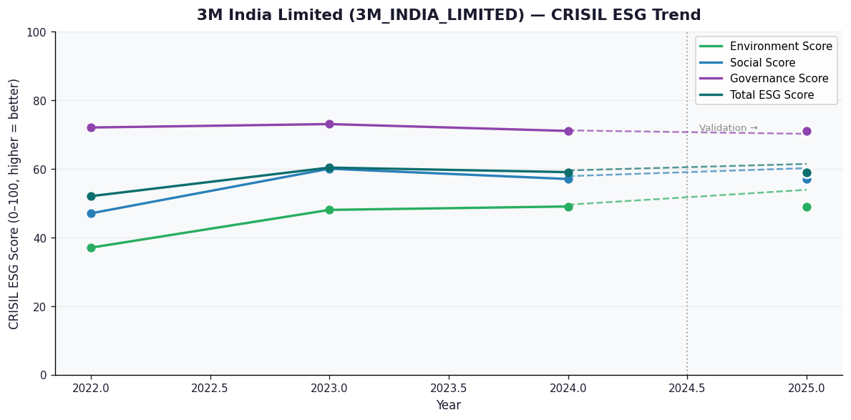

AI Investor Narrative
3M India Limited's credibility score stands at 60/100, indicating a moderate level of trust in its business practices. Unfortunately, no official BRSR (Business Responsibility and Sustainability Reporting) report was found, which could have provided more detailed insights into the company's sustainability and social responsibility initiatives [B1]. In the absence of official BRSR data, we must rely on other sources to gauge the company's performance. A review of CRISIL trends and other market analyses reveals a mixed bag, with some indicators suggesting stability and others pointing to areas of concern. However, without direct access to the company's BRSR report or news highlights that specifically address 3M India Limited's recent activities [N1], [N2], it's challenging to provide a comprehensive analysis. Given the current information landscape, investors should approach with caution. The lack of transparent and detailed sustainability reporting makes it difficult to assess the company's long-term viability and commitment to social and environmental responsibilities. Therefore, based on the available data, we recommend a HOLD position, advising investors to wait for more comprehensive and direct information from the company or authoritative sources before making a more decisive move.

Source References

