Dashboard
Necklace RFQ Dashboard
Summary formulas read from RFQ Tracker and Suppliers.

Weighted Supplier Score
Metric | Value | Formula / Meaning | Decision posture: pick the best written, verified, comparable quote, not simply the cheapest.
Total suppliers tracked | 10 | Supplier list rows | Main control point: IGI certificate/report number matters most for the pear stone, not the small round accent.
First-wave suppliers | 6 | Suppliers to quote first | Import reserve is an editable estimate; confirm current duty/tax/carrier fee treatment before buying.
Quotes with landed estimate | 0 | Rows with base quote entered | Source posture: Reddit/community sentiment is directional and should be updated with your own quote experience.
Lowest landed estimate |  | Quote + fees + duty/tax reserve | First-wave send list: Tianyu, Paston, Fiorese, LGG, Provence, StarsGem.
Highest weighted score | 4.24 | Best current weighted score | Next action: send RFQ, then fill quote, lead-time, certificate, communication, and QC proof fields.
Best current supplier | Tianyu Gems | Updates as scores change
Open certificate gaps | 10 | Rows needing cert verification

Supplier | Weighted Score | Landed Estimate
Tianyu Gems | 4.24 | $0
Paston Jewelry | 4.17 | $0
Fiorese Jewelry | 4.10 | $0
LGG Jewelry / Igg Jewelry | 3.89 | $0
Provence Gems | 3.72 | $0
Landed Estimate by Supplier
 | Series 1
Item 1 | 0
StarsGem | 3.53 | $0
Mona Fine Jewelry | 3.36 | $0
Kuololit | 2.98 | $0
Messi Gems | 3.09 | $0
Ouros / Goldenbird | 2.80 | $0

Spec
Reference Spec
Reference necklace requirements and non-negotiables.

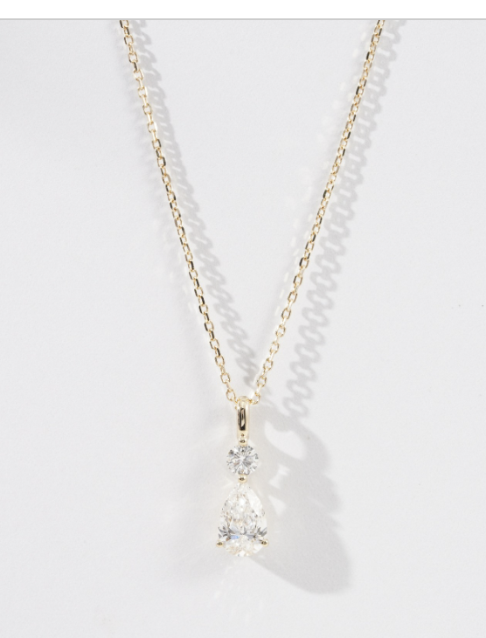
Field | Target / Note
Reference style | Two-stone drop necklace: small round lab diamond above pear lab diamond
Reference URL | https://starsgemmall.com/#/detail?=25751_14K+Yellow+Gold+Lab+Diamond+Necklace+1.095ct+AuDP0000190Y-P2.html
Known StarsGem listing title | 14K Yellow Gold Lab Diamond Necklace 1.095ct AuDP0000190Y-P2
Certificate status from pasted listing | Product Abstract: None Certified / 无证书
Metal floor | Solid 14k yellow gold minimum; 18k yellow gold acceptable as upgrade quote
Chain target | 40+5 cm adjustable chain, delicate oval-link/cable look, lobster clasp preferred
Main stone target | Pear lab diamond around 0.90-1.00 ct; reference 0.935 ct, about 5.3 x 8.3 mm
Main stone quality target | D-F color, VS or better, eye-clean, no obvious bow-tie/windowing
Accent stone target | Round lab diamond around 0.15-0.20 ct; reference 0.16 ct, about 3.4 mm
Certification preference | Ask every supplier for two quotes: uncertified pear and IGI-certified pear
Non-negotiables | Written spec, CAD approval, real stone video, report number if certified, pre-shipment QC
Nice-to-have | Laser inscription video, caliper measurements, scale weight, no-substitution language

Source | URL | Use
StarsGem reference listing | https://starsgemmall.com/#/detail?=25751_14K+Yellow+Gold+Lab+Diamond+Necklace+1.095ct+AuDP0000190Y-P2.html | Reference design URL supplied by user; pasted listing said the product abstract/certificate status was none certified.
r/Moissanite vendor list | https://www.reddit.com/r/Moissanite/wiki/list/ | Community vendor directory used to validate which overseas/custom vendors are commonly tracked by buyers.
r/Moissanite FAQ | https://www.reddit.com/r/Moissanite/wiki/index/ | Community guidance and overseas-vendor context; use as directional sentiment, not a guarantee.
Tianyu Gems | https://www.tygems.net/ | Custom jewelry and lab-grown gemstone/jewelry manufacturer reference.
Paston Jewelry Alibaba | https://pastonjewelry.en.alibaba.com/ | Alibaba storefront for Trade Assurance-oriented quote path.
Fiorese Jewelry | https://fioresejewelry.com/ | Custom lab diamond/fine jewelry supplier; useful comparison for certified lab diamond options.
LGG Jewelry | https://www.lggjewelry.com/ | Lab diamond and custom jewelry supplier to include in first quote wave.
Provence Gems Alibaba | https://gzprovence.en.alibaba.com/ | Alibaba-facing quote candidate for price pressure and volume-factory comparison.
Alibaba Trade Assurance | https://tradeassurance.alibaba.com/ | Payment protection and order-contract structure for supplier quotes.
IGI lab-grown diamond reports | https://www.igi.org/reports/ | Reference for verifying report numbers and grading/report details before approval.
CBP internet purchases guidance | https://www.cbp.gov/trade/basic-import-export/internet-purchases | Import duty/tax/shipping compliance context for personal U.S. purchases.

